Intro
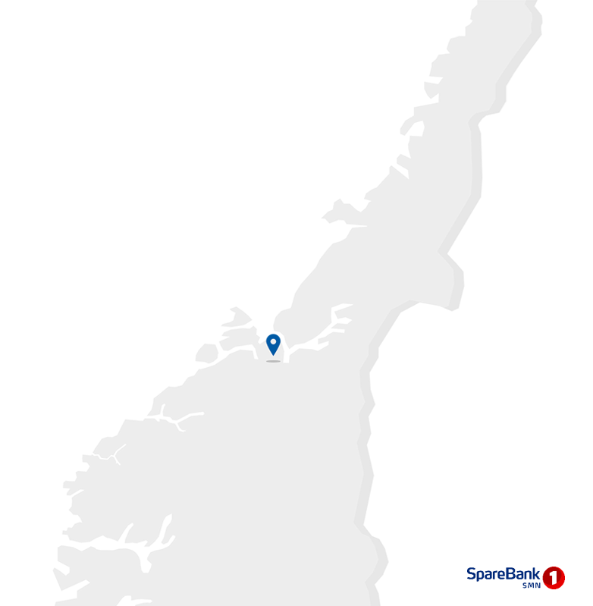
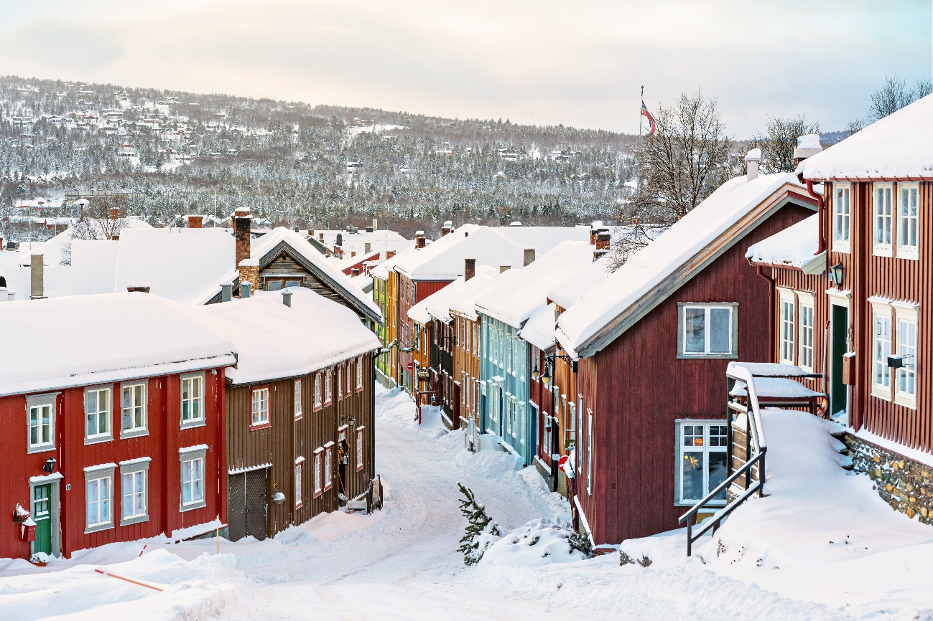
Contact information
CEO Jan-Frode Janson
For further information, please contact
CFO Trond Søraas
trond.soraas@smn.no
+47 922 36 803
Address
SpareBank1 SMN Postboks 4796 Sluppen, 7467 Trondheim
Switchboard +47 915 07 300
Visiting address Søndre gate 4, 7011 Trondheim
Information on the internet
SpareBank1 SMN's homepage www.smn.no
ECC information in general www.sparebankforeningen.no
Investor Relations
Supplementary Information

Q4

1.1_Highlights
1.1 Financial highlights

January - December 2025 |  |  |  |  |  |  | YTD | 2024

Profit before tax and inv. held for sale |  |  | 5,449 |  | NOK million |  | 5,647
Net profit |  |  | 4,367 |  | NOK million |  | 4,591
Return on equity |  |  | 14.8 |  | per cent |  | 16.6
Lending growth last 12 months |  |  | 3.8 |  | per cent |  | 5.5
Deposit growth last 12 months |  |  | 3.7 |  | per cent |  | 6.0
Loan losses |  |  | 140 |  | NOK million |  | 176
CET1 ratio |  |  | 16.8 |  | per cent |  | 18.3
Earnings per EC |  |  | 19.08 |  | NOK |  | 20.10

Q4 2025 |  |  |  |  |  |  | Q4 | 2024

Profit before tax and inv. held for sale |  |  | 1,326 |  | NOK million |  | 1,305
Net profit |  |  | 1,061 |  | NOK million |  | 1,052
Return on equity |  |  | 13.7 |  | per cent |  | 14.4
Loan losses |  |  | 61 |  | NOK million |  | 30
Earnings per EC |  |  | 4.58 |  | NOK |  | 4.67

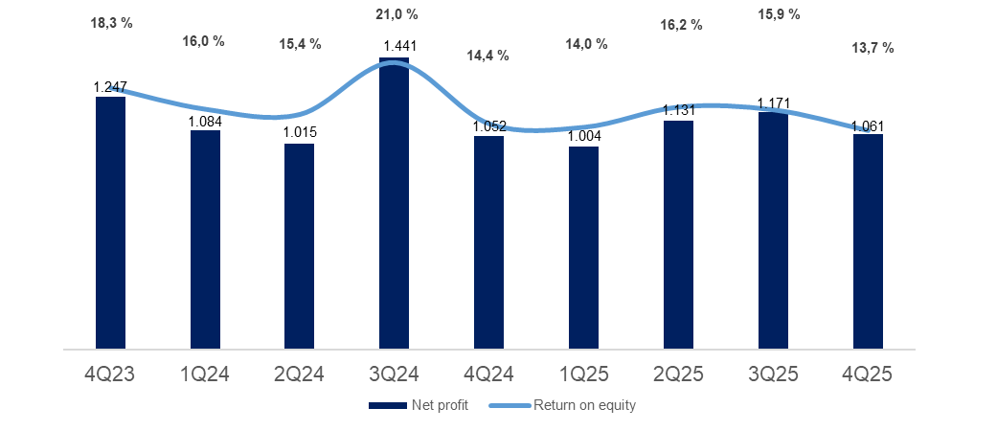

Main figures

Quarterly figures [NOK million] | 4Q25 | 3Q25 | 2Q25 | 1Q25 | 4Q24 | 3Q24 | 2Q24 | 1Q24 | 4Q23

Net interest | 1,349 | 1,337 | 1,335 | 1,321 | 1,372 | 1,355 | 1,310 | 1,306 | 1,312
Commission income and other income | 605 | 619 | 730 | 648 | 580 | 553 | 698 | 572 | 498
Net return on financial investments | 303 | 353 | 289 | 179 | 283 | 670 | 153 | 281 | 571
Total income | 2,257 | 2,309 | 2,354 | 2,148 | 2,235 | 2,578 | 2,161 | 2,159 | 2,382
Total operating expenses | 870 | 833 | 917 | 859 | 901 | 810 | 818 | 782 | 866
Result before losses | 1,387 | 1,476 | 1,437 | 1,289 | 1,335 | 1,769 | 1,343 | 1,377 | 1,517
Loss on loans, guarantees etc. | 61 | 27 | 32 | 21 | 30 | 75 | 47 | 24 | 20
Result before tax | 1,326 | 1,448 | 1,405 | 1,269 | 1,305 | 1,693 | 1,296 | 1,353 | 1,496
Tax charge | 265 | 275 | 270 | 262 | 253 | 252 | 276 | 273 | 262
Results investments held for sale, after tax | 0 | -2 | -5 | -3 | -1 | 0 | -5 | 3 | 12
Net profit | 1,061 | 1,171 | 1,131 | 1,004 | 1,052 | 1,441 | 1,015 | 1,084 | 1,247

Five years [NOK million] | YTD 25 | 2024 | 2023 | 2022 | 2021

Net interest | 5,343 | 5,373 | 4,732 | 3,339 | 2,805
Commission income and other income | 2,602 | 2,392 | 2,084 | 2,042 | 2,141
Net return on financial investments | 1,123 | 1,357 | 699 | 380 | 840
Total income | 9,068 | 9,123 | 7,515 | 5,760 | 5,786
Total operating expenses | 3,479 | 3,300 | 3,017 | 2,443 | 2,360
Result before losses | 5,589 | 5,823 | 4,498 | 3,317 | 3,426
Loss on loans, guarantees etc. | 140 | 176 | 14 | -7 | 161
Result before tax | 5,449 | 5,647 | 4,484 | 3,324 | 3,266
Tax charge | 1,072 | 1,054 | 904 | 718 | 563
Results investments held for sale, after tax | -11 | -2 | 108 | 179 | 200
Net profit | 4,367 | 4,591 | 3,688 | 2,785 | 2,902

Balance sheet - condensed

 | 31 Dec | 30 Sep | 30 Jun | 31 Mar | 31 Dec | 30 Sep | 30 Jun | 31 Mar | 31 Dec
Quarterly figures [NOK million] | 2025 | 2025 | 2025 | 2025 | 2024 | 2024 | 2024 | 2024 | 2023

Total assets | 242,914 | 254,140 | 254,836 | 251,025 | 247,699 | 245,951 | 243,363 | 235,721 | 232,717
Average total assets (quarterly) | 248,527 | 254,488 | 252,930 | 249,362 | 246,825 | 244,657 | 239,542 | 234,219 | 238,095

Gross loans to customers ¹ | 258,923 | 254,954 | 252,890 | 249,905 | 249,350 | 247,148 | 241,832 | 238,270 | 236,329
Deposits from customers | 146,165 | 148,986 | 149,446 | 148,169 | 140,897 | 138,042 | 139,661 | 134,395 | 132,889

Total equity capital | 31,865 | 30,861 | 29,649 | 28,508 | 30,523 | 29,674 | 27,879 | 27,004 | 28,597
¹ Loans to customers includes loans sold to SpareBank1 Boligkreditt and SpareBank1 Næringskreditt.

Five years [NOK million] | YTD 25 | 2024 | 2023 | 2022 | 2021

Total assets | 242,914 | 247,699 | 232,717 | 223,110 | 198,845
Average total assets | 250,123 | 241,090 | 235,303 | 213,112 | 196,229

Gross loans to customers ¹ | 258,923 | 249,350 | 236,329 | 211,244 | 195,353
Deposits from customers | 146,165 | 140,897 | 132,889 | 122,010 | 111,286

Total equity capital | 31,865 | 30,523 | 28,597 | 25,009 | 23,241
¹ Loans to customers includes loans sold to SpareBank1 Boligkreditt and SpareBank1 Næringskreditt.

Equity capital certificate (MING)

Quarterly figures | 4Q25 | 3Q25 | 2Q25 | 1Q25 | 4Q24 | 3Q24 | 2Q24 | 1Q24 | 4Q23

ECC price | 206.05 | 193.66 | 193.94 | 182.76 | 171.32 | 153.46 | 151.12 | 137.80 | 141.80
Number of certificates issued, millions | 144.19 | 144.19 | 144.18 | 144.17 | 144.19 | 144.21 | 144.19 | 144.13 | 144.20
Booked equity capital per ECC (incl. dividend) | 138.30 | 131.03 | 130.34 | 122.57 | 128.09 | 124.05 | 117.31 | 113.24 | 120.48
Adjusted profit per ECC | 4.58 | 5.19 | 4.99 | 4.32 | 4.67 | 6.42 | 4.43 | 4.68 | 5.62
P/E per ECC (annualised) | 11.33 | 9.41 | 10.33 | 10.43 | 9.17 | 5.97 | 8.53 | 7.36 | 6.31
P/B equity capital | 1.49 | 1.48 | 1.49 | 1.49 | 1.34 | 1.24 | 1.29 | 1.22 | 1.18

Five years | YTD 25 | 2024 | 2023 | 2022 | 2021

ECC price | 206.05 | 171.32 | 141.80 | 127.40 | 149.00
Number of certificates issued, millions | 144.19 | 144.21 | 144.20 | 129.29 | 129.39
Booked equity capital per ECC (incl. dividend) | 138.30 | 128.09 | 120.48 | 109.86 | 103.48
Adjusted profit per ECC | 19.08 | 20.60 | 16.88 | 12.82 | 13.31
P/E per ECC (annualised) | 10.80 | 8.32 | 8.40 | 9.94 | 11.19
P/B equity capital | 1.49 | 1.34 | 1.18 | 1.16 | 1.44

1.5_Other income
1.5 Other income

Commision and other income

Quarterly figures [NOK million] | 4Q25 | 3Q25 | 2Q25 | 1Q25 | 4Q24 | 3Q24 | 2Q24 | 1Q24 | 4Q23

Guarantees | 19 | 18 | 24 | 19 | 19 | 19 | 19 | 17 | 18
Commission Boligkreditt (cov. bonds) | 83 | 91 | 101 | 84 | 65 | 71 | 78 | 59 | 19
Commission Næringskreditt (cov. bonds) | 3 | 3 | 4 | 4 | 3 | 3 | 4 | 4 | 4
Commision of savings products | 21 | 24 | 27 | 14 | 17 | 16 | 15 | 15 | 12
Real estate agency | 68 | 74 | 101 | 75 | 68 | 73 | 92 | 71 | 58
Insurance | 83 | 80 | 76 | 71 | 69 | 67 | 65 | 63 | 61
Payment transfers | 143 | 136 | 124 | 116 | 154 | 138 | 132 | 123 | 138
Other | 17 | 17 | 17 | 20 | 16 | 21 | 23 | 15 | 16
Total commisions income | 439 | 443 | 473 | 402 | 411 | 407 | 427 | 367 | 325
Operating- and sales income real estate | 52 | 74 | 72 | 51 | 44 | 54 | 59 | 44 | 40
Accounting services | 164 | 152 | 232 | 225 | 160 | 145 | 228 | 200 | 152
Other operating income | 19 | 14 | 15 | 18 | 19 | 15 | 18 | 20 | 21
Total other operating income | 235 | 241 | 319 | 294 | 223 | 214 | 305 | 263 | 213
Commision expenses | 69 | 65 | 62 | 48 | 53 | 68 | 51 | 51 | 40
Total commision and other income | 605 | 619 | 730 | 648 | 580 | 553 | 681 | 579 | 498
As a percentage of total income | 27% | 27% | 31% | 30% | 26% | 21% | 32% | 26% | 21%

Five years [NOK million] | YTD 25 | 2024 | 2023 | 2022 | 2021

Guarantees | 80 | 73 | 68 | 77 | 76
Commission Boligkreditt (cov. bonds) | 360 | 272 | 155 | 256 | 450
Commission Næringskreditt (cov. bonds) | 14 | 14 | 15 | 16 | 14
Commision of savings products | 87 | 62 | 47 | 44 | 63
Real estate agency | 318 | 304 | 265 | 267 | 291
Insurance | 310 | 263 | 253 | 236 | 214
Payment transfers | 518 | 546 | 493 | 471 | 409
Other | 70 | 76 | 74 | 80 | 69
Total commisions income | 1,757 | 1,611 | 1,370 | 1,446 | 1,586
Operating- and sales income real estate | 249 | 201 | 166 | 151 | 150
Accounting services | 772 | 733 | 661 | 564 | 529
Other operating income | 67 | 72 | 86 | 66 | 52
Total other operating income | 1,088 | 1,006 | 913 | 781 | 731
Commision expenses | 243 | 224 | 199 | 186 | 177
Total commision and other income | 2,602 | 2,392 | 2,084 | 2,042 | 2,141
As a percentage of total income | 29% | 26% | 28% | 35% | 37%

Distribution of commision income

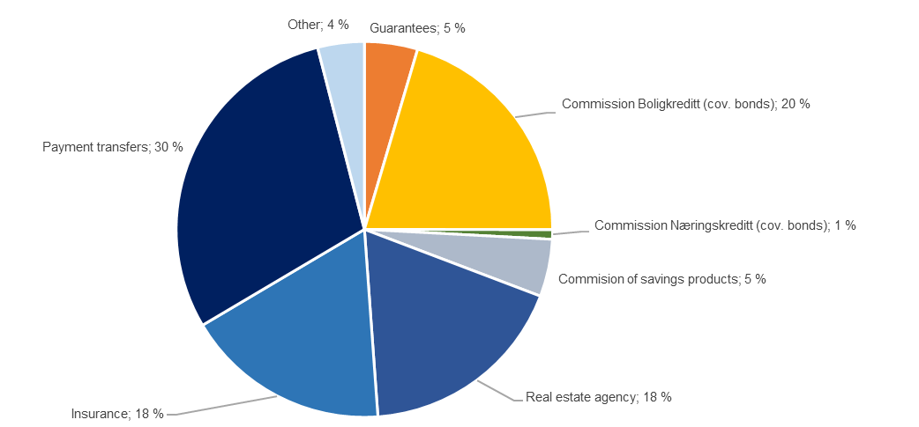

Change in commision and other income

Last 12 months [NOK million] | 4Q25 | Change | 4Q24
Commision and other income | 2,602 | 210 | 2,392
Real estate agency |  | 13
Other operating income |  | -5
Operating- and sales income real estate |  | 48
Accounting services |  | 40
Insurance |  | 47
Commission of savings products |  | 24
Commission expenses |  | -19
Other |  | -5
Payments transfers |  | -27
Guarantees |  | 7
Commission Boligkreditt (cov. bonds) |  | 87
Commission Næringskreditt (cov. bonds) |  | 0

Net return on financial investments

including investments held for sale
Quarterly figures [NOK million] | 4Q25 | 3Q25 | 2Q25 | 1Q25 | 4Q24 | 3Q24 | 2Q24 | 1Q24 | 4Q23

Dividends | 14 | 2 | 5 | 4 | 16 | 8 | 6 | 3 | -10
SpareBank 1 Gruppen | 137 | 136 | 114 | 59 | 99 | 86 | 1 | 40 | -51
Capital gain Fremtind Forsikring | 0 | 0 | 0 | 0 | 0 | 452 | 0 | 0 | 0
SpareBank 1 Boligkreditt | 23 | 41 | 16 | 24 | 24 | 37 | 35 | 33 | 30
SpareBank 1 Næringskreditt | 2 | 2 | 3 | 3 | 4 | 3 | 3 | 4 | 1
BN Bank | 62 | 70 | 85 | 74 | 68 | 77 | 73 | 84 | 73
Kredittbanken | 2 | 3 | 2 | -1 | -5 | -3 | 1 | -4 | -3
SpareBank 1 Betaling | 3 | 2 | -7 | -4 | -4 | -1 | -2 | -12 | -8
SB1 Markets | 24 | 12 | 18 | 19 | 19 | 20 | 26 | 25 | 19
SpareBank 1 Forvaltning | 16 | 14 | 13 | 14 | 17 | 13 | 13 | 10 | 12
Other companies | 7 | -1 | 25 | 4 | 4 | 1 | -3 | 13 | 16
Income from inv. in associates and joint ventures | 278 | 278 | 271 | 191 | 227 | 685 | 148 | 194 | 90
Capital gains shares | 19 | 42 | 23 | 25 | 44 | -1 | 4 | 42 | 472
Gain on sertificates and bonds | -24 | 92 | -163 | -12 | -192 | 58 | -39 | -124 | 195
Gain on derivatives | 3 | 9 | 65 | -45 | 128 | -94 | 11 | 96 | -223
Gain on financial instruments related to hedging | 22 | 7 | -7 | -2 | 2 | 2 | -2 | 6 | -4
Gain on other financial instruments at fair value (FVO) | -3 | -82 | 106 | 20 | 15 | -13 | 13 | 11 | -9
Foreign exchange gain | -5 | 5 | -10 | -2 | 42 | 24 | 11 | 22 | 27
Net return on financial investments¹ | 11 | 73 | 14 | -17 | 40 | -22 | -1 | 54 | 458
Total net return on financial investments | 302 | 353 | 289 | 179 | 283 | 670 | 153 | 251 | 538
As percentage of total income | 13% | 15% | 12% | 8% | 13% | 26% | 7% | 12% | 23%

Five years [NOK million] | YTD 25 | 2024 | 2023 | 2022 | 2021

Dividends | 25 | 33 | 26 | 33 | 22
SpareBank 1 Gruppen | 446 | 226 | -34 | 175 | 471
Capital gain Fremtind Forsikring | 0 | 452 | 0 | 0 | 0
SpareBank 1 Boligkreditt | 105 | 129 | 98 | 1 | 16
SpareBank 1 Næringskreditt | 9 | 14 | 10 | 3 | 7
BN Bank | 291 | 302 | 257 | 203 | 164
Kredittbanken | 7 | -10 | -13 | 9 | 13
SpareBank 1 Betaling | -6 | -19 | -37 | 13 | -15
SB1 Markets | 74 | 89 | 19
SpareBank 1 Forvaltning | 58 | 54 | 35 | 34 | 33
Other companies | 35 | 15 | -37 | 5 | 16
Income from inv. in associates and joint ventures | 1,017 | 1,253 | 297 | 442 | 705
Capital gains shares | 108 | 88 | 464 | 13 | 176
Gain on sertificates and bonds | -107 | -299 | -84 | -417 | -411
Gain on derivatives | 32 | 142 | -118 | 275 | 294
Gain on financial instruments related to hedging | 19 | 8 | 2 | -10 | -6
Gain on other financial instruments at fair value (FVO) | 42 | 27 | 5 | -38 | 12
Foreign exchange gain | -13 | 104 | 108 | 91 | 70
Net return on financial investments | 81 | 70 | 376 | -86 | 137
Total net return on financial investments | 1,123 | 1,357 | 699 | 388 | 864
As percentage of total income | 12% | 15% | 9% | 7% | 15%

1.7_Loans
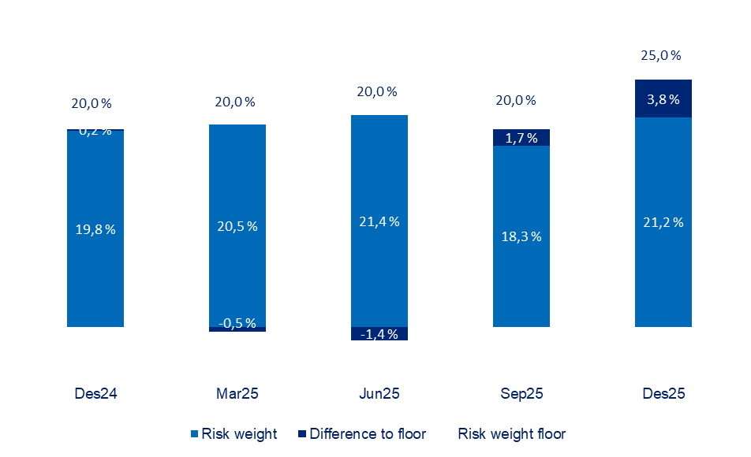
1.7 Loans to customers

Distribution of loans by industry

 | 31 Dec | 30 Sep | 30 Jun | 31 Mar | 31 Dec | 30 Sep | 30 Jun | 31 Mar | 31 Dec
Quarterly figures [NOK million] | 2025 | 2025 | 2025 | 2025 | 2024 | 2024 | 2024 | 2024 | 2023

Agriculture and forestry | 13,752 | 13,460 | 13,300 | 13,149 | 13,519 | 13,131 | 12,756 | 12,398 | 12,489
Fisheries | 6,177 | 5,873 | 5,898 | 6,163 | 6,085 | 6,388 | 5,655 | 5,626 | 5,488
Fish farming | 4,297 | 5,111 | 4,509 | 3,447 | 4,144 | 3,058 | 2,650 | 2,499 | 2,473
Manufacturing | 4,559 | 3,756 | 3,494 | 3,614 | 4,362 | 4,476 | 3,934 | 3,806 | 3,757
Construction, power and water supply | 6,184 | 3,127 | 6,298 | 6,430 | 6,332 | 6,725 | 7,367 | 7,484 | 7,353
Retail trade, hotels and restaurants | 4,304 | 4,296 | 4,733 | 4,353 | 4,201 | 3,959 | 3,993 | 3,961 | 3,777
Maritime sector | 749 | 1,113 | 4,211 | 4,038 | 4,043 | 4,846 | 4,850 | 5,066 | 6,030
Commercial Real Estate | 25,641 | 27,599 | 24,683 | 24,563 | 24,964 | 25,320 | 23,658 | 22,237 | 21,400
Business services | 5,258 | 5,188 | 6,506 | 6,439 | 5,701 | 5,364 | 5,406 | 4,904 | 5,148
Transport and other services provision | 11,550 | 11,126 | 6,990 | 7,730 | 7,311 | 7,272 | 7,044 | 7,424 | 6,459
Public administration | 33 | 31 | 36 | 48 | 62 | 66 | 35 | 46 | 39
Other sectors | 1,076 | 1,077 | 1,130 | 1,437 | 1,466 | 1,429 | 1,339 | 1,958 | 2,140
Gross loans in corporate market | 83,580 | 81,758 | 81,788 | 81,411 | 82,191 | 82,034 | 78,687 | 77,407 | 76,553
Retail customers | 175,343 | 173,195 | 171,102 | 168,494 | 167,159 | 165,114 | 163,146 | 160,863 | 159,777
Gross loans incl. Boligkreditt and Næringskreditt | 258,923 | 254,954 | 252,890 | 249,905 | 249,350 | 247,148 | 241,832 | 238,270 | 236,329
of which Boligkreditt | 73,303 | 68,501 | 68,622 | 68,763 | 67,830 | 65,983 | 66,786 | 67,249 | 64,719
of which Næringskreditt | 1,234 | 1,273 | 1,278 | 1,413 | 1,419 | 1,576 | 1,606 | 1,695 | 1,749
Gross loans in balance sheet | 184,387 | 185,180 | 182,990 | 179,729 | 180,102 | 179,590 | 173,440 | 169,326 | 169,862

Share of volume, corporate market | 32% | 32% | 32% | 33% | 33% | 33% | 33% | 32% | 32%
Share of volume, retail market | 68% | 68% | 68% | 67% | 67% | 67% | 67% | 68% | 68%

Distribution of loans by industry
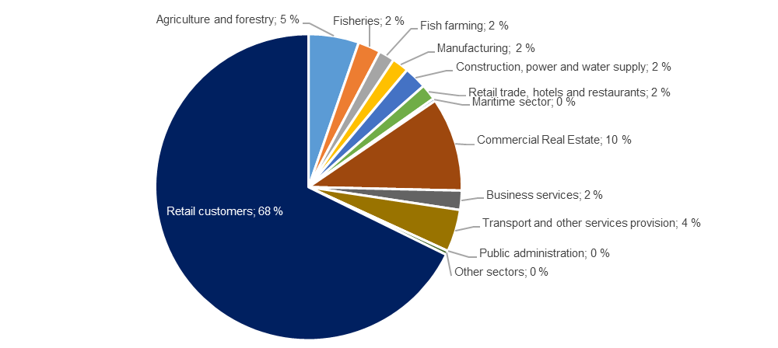

Credit risk classification in SpareBank 1 SMN

 | Probability of default (%) |  | Corresponding rating class
Risk class | Low | High | Moody's

A | 0.01 | 0.10 | AAA - A3
B | 0.10 | 0.25 | Baa1 - Baa2
C | 0.25 | 0.50 | Baa3
D | 0.50 | 0.75 | Ba1
E | 0.75 | 1.25 | Ba2
F | 1.25 | 2.50
G | 2.50 | 5.00 | Ba2 - B1
H | 5.00 | 10.00 | B1 - B2
I | 10.00 | 99.99 | B3 - caa3
J | Default
K | Written down
SB 1 SMN's risk classification system, where A represents the lowest risk and K the highest risk

Risk profile - Exposure

As of | EAD
31 December 2025 | NOK billion | %

A | 62.0 | 21.9 %
B | 67.5 | 23.9 %
C | 71.1 | 25.2 %
D | 24.0 | 8.5 %
E | 26.8 | 9.5 %
F | 14.2 | 5.0 %
G | 7.5 | 2.7 %
H | 4.3 | 1.5 %
I | 2.9 | 1.0 %
J | 1.1 | 0.4 %
K | 1.1 | 0.4 %
Exposure at default, EAD, is the share of the approved credit that is expected to be drawn at the time of any future default at the same time as there is a downturn in the market.
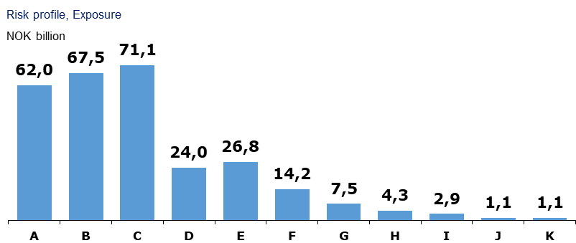

Loans and guarantees by industry

As of |  | Very low | Low | Medium | High | Very high | Default and
31 December 2025 | Total | risk | risk | risk | risk | risk | written down

A - Agriculture, fishery and forestry | 27,038 | 12,370 | 7,974 | 4,533 | 899 | 451 | 811
B - Mining and quarrying | 674 | 8 | 11 | 525 | 129 | 0 | 0
C - Manufacturing | 5,264 | 64 | 2,476 | 2,275 | 242 | 147 | 60
D - Electricity, gas, steam and air conditioning supply | 189 | 112 | 22 | 48 | 0 | 7 | 1
E - Water supply, sewerage and waste management | 108 | 19 | 55 | 8 | 24 | 1 | 0
F - Construction | 2,146 | 347 | 526 | 1,014 | 45 | 127 | 87
G - Retail trade, repair of motor vehicles | 3,819 | 147 | 1,677 | 1,229 | 657 | 103 | 5
H - Transportation and storage | 12,082 | 6,060 | 4,340 | 1,476 | 57 | 36 | 112
I - Accommodation and catering | 936 | 114 | 229 | 394 | 59 | 106 | 34
J- Publishing, Broadcasting, and content production and distribution activities | 183 | 14 | 144 | 18 | 2 | 0 | 7
K - Telecommunication, Computer programming, consulting, computing infrastructure and other information service activities | 593 | 23 | 383 | 147 | 26 | 9 | 4
L - Financing and insurance activities | 4,669 | 1,026 | 1,814 | 1,055 | 679 | 95 | 0
M -Property management | 32,358 | 15,255 | 11,881 | 4,119 | 521 | 319 | 262
N - Professional, scientific and technical services | 2,062 | 363 | 1,139 | 446 | 46 | 41 | 26
O - Business services | 1,051 | 108 | 321 | 577 | 13 | 19 | 13
P - Public administration and defense, and public social security schemes | 1,024 | 1,024 | 0 | 0 | 0 | 0 | 0
Q - Education | 386 | 79 | 229 | 66 | 11 | 0 | 1
R - Health and social services | 467 | 239 | 145 | 75 | 7 | 0 | 0
S - Cultural activities, entertainment and recreation | 639 | 154 | 276 | 90 | 19 | 93 | 7
T - Other services | 1,018 | 315 | 304 | 354 | 25 | 18 | 2
U - Employment in private households | 536 | 515 | 20 | 1 | 0 | 0 | 0
V - International organizations | 0 | 0 | 0 | 0 | 0 | 0 | 0
W - Subsidiary | 12,166 | 11,509 | 653 | 3 | 0 | 0 | 0
X -Other sectors | 173,154 | 150,714 | 16,193 | 3,308 | 827 | 1,285 | 826
4Q25 | 282,559 | 200,581 | 50,813 | 21,762 | 4,290 | 2,858 | 2,256

Five years [NOK million] |  | Very low | Low | Medium | High | Very high | Default and
 | Total | risk | risk | risk | risk | risk | written down
YTD 25 | 282,559 | 200,581 | 50,813 | 21,762 | 4,290 | 2,858 | 2,256
2024 | 269,804 | 198,153 | 39,458 | 23,723 | 3,214 | 3,065 | 2,191
2023 | 256,360 | 192,672 | 33,045 | 23,250 | 2,835 | 2,536 | 2,023
2022 | 230,970 | 174,011 | 31,176 | 18,727 | 3,139 | 1,888 | 2,029
2021 | 213,697 | 159,702 | 30,810 | 15,278 | 2,910 | 1,768 | 3,229

Write-downs on loans and guarantees

Quarterly figures [NOK million] | 4Q25 | 3Q25 | 2Q25 | 1Q25 | 4Q24 | 3Q24 | 2Q24 | 1Q24 | 4Q23

Change in provision for expected credit losses for the period | 38 | -21 | 18 | 9 | -87 | 56 | 34 | 16 | -4
Actual loan losses on commitments exceeding provisions made | 26 | 50 | 23 | 13 | 144 | 18 | 2 | 11 | 145
Recoveries on commitments previously written-off | -3 | -2 | -8 | -2 | -28 | 2 | 11 | -4 | -121
Write-downs on loans and guarantees¹ | 61 | 27 | 32 | 21 | 30 | 75 | 47 | 24 | 20
As % of gross loans incl. Boligkreditt | 0.09% | 0.04% | 0.05% | 0.03% | 0.05% | 0.12% | 0.08% | 0.04% | 0.03%

Five years [NOK million] | YTD 25 | 2024 | 2023 | 2022 | 2021

Change in provision for expected credit losses for the period | 44 | 19 | -6 | -48 | 30
Actual loan losses on commitments exceeding provisions made | 111 | 175 | 215 | 58 | 142
Recoveries on commitments previously written-off | -15 | -19 | -195 | -17 | -12
Write-downs on loans and guarantees¹ | 140 | 176 | 14 | -7 | 161
As % of gross loans incl. Boligkreditt | 0.06% | 0.07% | 0.01% | 0.00% | 0.09%

Loss on loans by segment

Quarterly figures [NOK million] | 4Q25 | 3Q25 | 2Q25 | 1Q25 | 4Q24 | 3Q24 | 2Q24 | 1Q24 | 4Q23

Retail Market | -10 | 7 | 2 | -4 | 1 | 14 | 9 | 11 | -2
Corporate Market | 62 | 11 | 21 | 15 | 31 | 49 | 30 | 10 | -25
SMN Finans and other | 8 | 9 | 9 | 9 | -2 | 12 | 7 | 3 | 47
Total loss on loans | 61 | 27 | 32 | 21 | 30 | 75 | 47 | 24 | 20

Five years [NOK million] | YTD 25 | 2024 | 2023 | 2022 | 2021

Retail Market | -5 | 36 | -6 | 29 | -10
Corporate Market | 109 | 120 | -66 | -66 | 145
SMN Finans and other | 36 | 20 | 86 | 30 | 26
Total loss on loans | 140 | 176 | 14 | -7 | 161

Loan-to-value ratio in the mortgage portfolio

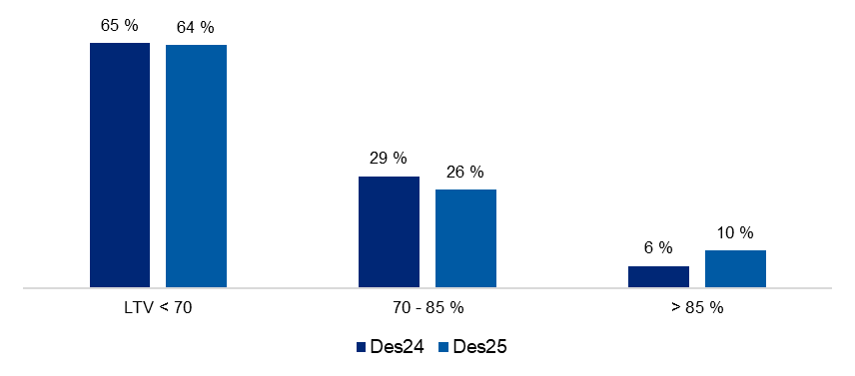

Risk weight in the mortgage portfolio

2.2_Retail
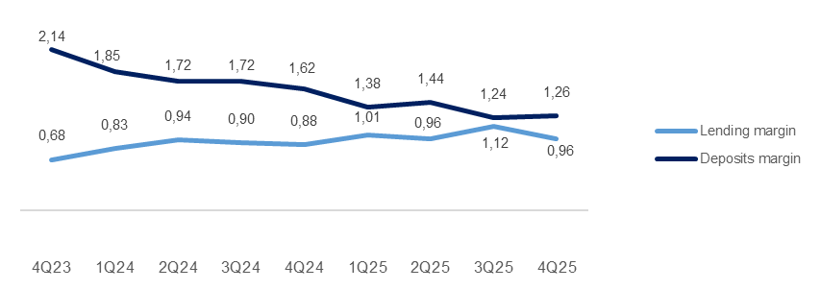
2.2 Retail market

Business description

 | 31 Dec
Facts about the business area | 2025
Lending volume | 169,199
Deposits volume | 72,228
FTEs | 367

Financial performance1

Quarterly figures [NOK million] | 4Q25 | 3Q25 | 2Q25 | 1Q25 | 4Q24 | 3Q24 | 2Q24 | 1Q24 | 4Q23

Total net interest income | 578 | 581 | 581 | 547 | 577 | 575 | 558 | 532 | 626
Net guarantee commission, incl BK, NK | 90 | 101 | 111 | 93 | 74 | 82 | 89 | 68 | 32
Net commission of savings products | 19 | 20 | 22 | 14 | 17 | 16 | 14 | 13 | 13
Net commission insurance services | 68 | 66 | 62 | 57 | 55 | 53 | 52 | 50 | 54
Net commission payment trans. services | 58 | 45 | 38 | 49 | 72 | 50 | 52 | 48 | 68
Other commision income | 0 | 1 | 1 | 1 | 0 | 0 | 0 | -7 | 0
Net fee and commission income | 235 | 233 | 234 | 215 | 219 | 201 | 207 | 173 | 167
Net profit on financial investments | 1 | 0 | -1 | 1 | -1 | -1 | 0 | 0 | 1
Total income | 814 | 814 | 814 | 763 | 795 | 775 | 765 | 704 | 794
Total operating expenses¹ | 342 | 329 | 374 | 337 | 353 | 321 | 307 | 297 | 373
Result before losses | 472 | 485 | 440 | 425 | 442 | 454 | 458 | 407 | 421
Loss on loans, guarantees etc. | -10 | 7 | 2 | -4 | 4 | 6 | 4 | 4 | -2
Result before tax | 481 | 478 | 438 | 429 | 438 | 449 | 453 | 403 | 423

1Effective January 1, 2025, the bank transitioned from three to two business divisions: Retail Market and Corporate Market. Historical data, including margins and volumes, have been updated to reflect the current organizational structure, with adjustments made retroactively to Q1 2024.

 | YTD | 31 Dec | 31 Dec | 31 Dec | 31 Dec
Five years [NOK million] | 2025 | 2024 | 2023 | 2022 | 2021

Total interest income | 2,288 | 2,242 | 2,352 | 1,491 | 1,165
Net guarantee commission, incl BK, NK | 395 | 313 | 209 | 309 | 475
Net commission of savings products | 74 | 61 | 50 | 68 | 88
Net commission insurance services | 253 | 211 | 223 | 208 | 184
Net commission payment trans. services | 191 | 221 | 221 | 210 | 158
Other commision income | 4 | -6 | 2 | 1 | 1
Net fee and commission income | 916 | 800 | 704 | 796 | 906
Net profit on financial investments | 1 | -3 | 1 | -4 | 2
Total income | 3,205 | 3,039 | 3,057 | 2,283 | 2,074
Total operating expenses¹ | 1,383 | 1,278 | 1,293 | 958 | 916
Result before losses | 1,822 | 1,761 | 1,764 | 1,325 | 1,157
Loss on loans, guarantees etc. | -5 | 18 | -6 | 29 | -10
Result before tax | 1,827 | 1,743 | 1,770 | 1,296 | 1,167

¹ Includes both direct and distributed expences

Margin development

Definition of margin: average customer interest rate minus 3 months nibor

2.3_Corporate
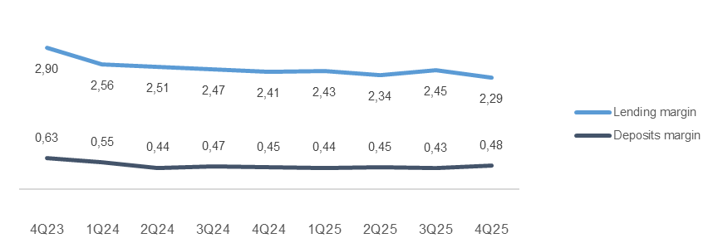
2.3 Corporate market

Business description

 | 31 Dec
Facts about the business area | 2025
Lending volume | 75,584
Deposits volume | 72,893
FTEs | 185

Financial performance1

Quarterly figures [NOK million] | 4Q25 | 3Q25 | 2Q25 | 1Q25 | 4Q24 | 3Q24 | 2Q24 | 1Q24 | 4Q23

Total interest income | 670 | 673 | 668 | 632 | 657 | 648 | 617 | 602 | 659
Net guarantee commission, incl BK, NK | 24 | 23 | 29 | 23 | 23 | 23 | 24 | 21 | 21
Net commission of savings products | 4 | 6 | 6 | 0 | 0 | 1 | 1 | 2 | 1
Net commission insurance services | 17 | 16 | 16 | 16 | 15 | 15 | 14 | 14 | 10
Net commission payment trans. services | 54 | 57 | 52 | 48 | 49 | 37 | 42 | 37 | 36
Other commision income | 1 | 1 | 2 | 4 | 2 | 4 | 5 | 6 | 6
Net fee and commission income | 100 | 102 | 105 | 92 | 90 | 79 | 86 | 81 | 73
Net profit on financial investments | -1 | 3 | 5 | 4 | 2 | 5 | 5 | 6 | 17
Total income | 770 | 779 | 777 | 728 | 749 | 732 | 708 | 688 | 749
Total operating expenses¹ | 177 | 178 | 200 | 187 | 183 | 176 | 169 | 170 | 168
Result before losses | 593 | 601 | 578 | 541 | 566 | 556 | 538 | 518 | 581
Loss on loans, guarantees etc. | 62 | 11 | 21 | 15 | 28 | 58 | 35 | 17 | -25
Result before tax | 531 | 590 | 557 | 525 | 537 | 498 | 503 | 501 | 606

1Effective January 1, 2025, the bank transitioned from three to two business divisions: Retail Market and Corporate Market. Historical data, including margins and volumes, have been updated to reflect the current organizational structure, with adjustments made retroactively to Q1 2024.

 | YTD | 31 Dec | 31 Dec | 31 Dec | 31 Dec
Five years [NOK million] | 2025 | 2024 | 2023 | 2022 | 2021

Total interest income | 2,643 | 2,524 | 2,153 | 1,505 | 1,120
Net guarantee commission, incl BK, NK | 98 | 92 | 80 | 99 | 92
Net commission of savings products | 17 | 4 | 1 | 0 | 0
Net commission insurance services | 64 | 58 | 38 | 36 | 31
Net commission payment trans. services | 211 | 164 | 129 | 135 | 121
Other commision income | 9 | 18 | 31 | 19 | 6
Net fee and commission income | 399 | 336 | 279 | 290 | 251
Net profit on financial investments | 12 | 17 | 12 | 9 | 15
Total income | 3,053 | 2,877 | 2,445 | 1,804 | 1,386
Total operating expenses¹ | 742 | 699 | 554 | 467 | 446
Result before losses | 2,312 | 2,178 | 1,890 | 1,337 | 940
Loss on loans, guarantees etc. | 109 | 138 | -69 | -66 | 145
Result before tax | 2,203 | 2,039 | 1,958 | 1,403 | 795

¹ Includes both direct and distributed expences

Margin development

Definition of margin: average customer interest rate minus 3 months nibor

Appendix
3 Appendix

A1 Business description

 | 1 | 1
SpareBank 1 SMN is the region's leading financial services group and one of six owners of the SpareBank 1 Alliance. Its head office is in Trondheim. SpareBank 1 SMN is a regional independent savings bank with a local footing. Through the SpareBank 1 Alliance and its own subsidiaries, SpareBank 1 SMN has secured access to competitive products in the fields of financing, savings and investments, insurance and payment services. The bank is organised under the following structure:
Financial Group SpareBank 1 SMN
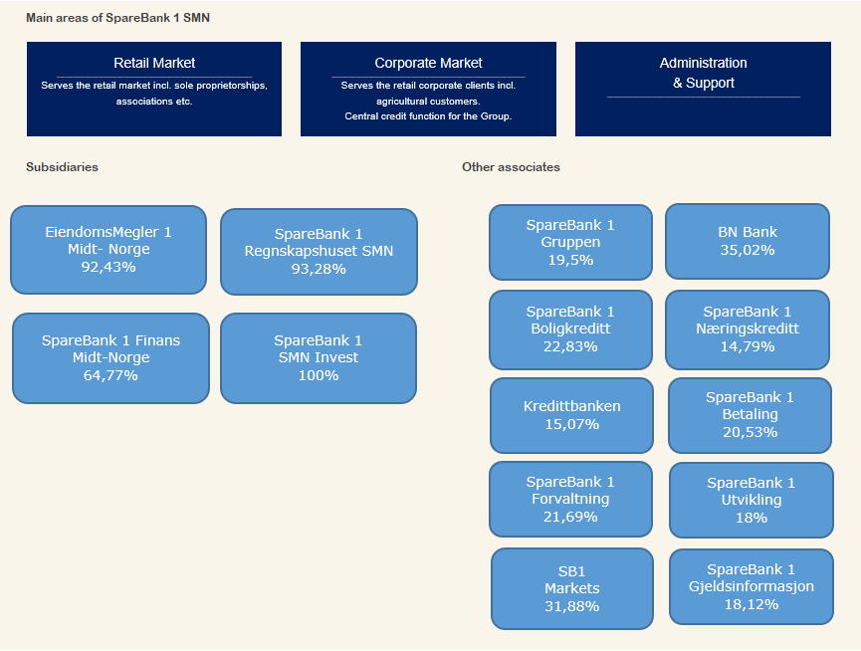

Organisation of SpareBank 1 SMN

Supervisory Board

Board of Directors

Communication and Society
Risk Management

Group CEO
Technology and Development
Economic Crime and Business Support

Retail
Banking
Corporate
Banking
EiendomsMegler 1 Midt-Norge
SpareBank 1 Regnskapshuset SMN
Group Finance and Governance

Overwiew of governing and control bodies

Supervisory Board
_____________________________________________________________________________________________________

ECC holders
40 %
Depositors
17.5 %
Country Council
17.5 %
Employes
25 %
External Audit
Election Committee
Internal Audit
Board of Directors
_____________________________________________________________________________________________________

CEO

SpareBank 1 Alliance
SpareBank 1 SMN was one of the founding partners of the SpareBank 1 Alliance in 1996. The Alliance consists of closely cooperating saving banks, all of them being independent and locally anchored banks. The purpose of the SpareBank1 Alliance is for members to develop, procure and supply competitive financial services and products and to exploit economies of scale. The Alliance canalize a lot of its mutual interests through SpareBank1 Gruppen AS, a holding company of life and non-life insurance, mutual funds, a broker-dealer and other companies. The Alliance is the 2nd largest Norwegian financial group with wide distribution all over Norway.

Members
SpareBank 1
SMN
SpareBank 1
Sør-Norge
SpareBank 1
Nord-Norge
Samspar
SpareBank 1 Østlandet
LO

Products, commisions, dividends |  |  |  | Sales, loan portfolios, capital

SpareBank 1 Alliance companies

BN Bank
SpareBank 1
Boligkreditt
SpareBank 1
Gruppen AS

SpareBank 1
Kreditt
SpareBank 1
Næringskreditt
Fremtind Forsikring
SpareBank 1
Factoring, Collection

SpareBank 1
Betaling
SpareBank 1
Forvaltning
SpareBank 1
Forsikring
Kredinor

SB1
Markets
SpareBank 1
Spleis

Banking Cooperation
_____________________________________________________________________________________________________

* LO - The Norwegian Confederation of Trade Unions

A2 20 largest ECC holders

Owner | Number | Ownership in %
Sparebankstiftinga Søre Sunnmøre | 10,471,224 |  | 7.26%
Sparebankstiftelsen SMN | 7,420,111 |  | 5.15%
KLP | 5,129,741 |  | 3.56%
VPF Eika Egenkapitalbevis | 4,712,608 |  | 3.27%
Skandinaviska Enskilda Banken AB (Nominee) | 3,206,783 |  | 2.22%
Pareto Aksje Norge VPF | 2,884,617 |  | 2.00%
VPF Alfred Berg Gamba | 2,765,315 |  | 1.92%
VPF Holberg Norge | 2,430,000 |  | 1.68%
State Street Bank and Trust Comp (Nominee) | 2,359,586 |  | 1.64%
J.P. Morgan SE (Nominee) | 2,298,783 |  | 1.59%
Spesialfondet Borea Utbytte | 2,149,204 |  | 1.49%
Forsvarets personellservice | 2,018,446 |  | 1.40%
The Northern Trust Comp (Nominee) | 2,013,742 |  | 1.40%
Citibank, N.A. (Nominee) | 1,841,610 |  | 1.28%
J. P. Morgan Chase Bank, N.A., London (Nominee) | 1,781,575 |  | 1.24%
J.P. Morgan SE (Nominee) | 1,659,359 |  | 1.15%
State Street Bank and Trust Comp (Nominee) | 1,644,700 |  | 1.14%
J. P. Morgan Chase Bank, N.A., London (Nominee) | 1,483,101 |  | 1.03%
J.P. Morgan SE (Nominee) | 1,479,086 |  | 1.03%
J.P. Morgan SE (Nominee) | 1,473,165 |  | 1.02%
Total 20 largest shareholders | 61,222,756 |  | 42.45%
Others | 82,992,834 |  | 57.55%
Total | 144,215,590 |  | 100.00%

A3 ECC capital history

 |  | Change in |  | Total
Year | Change | ECC capital |  | ECC capital |  | No. of ECC's
1991 | Placing |  | 525 |  | 525 | 5,250,000
1992 | Placing |  | 75 |  | 600 | 6,000,000
2000 | Employee placing |  | 5 |  | 605 | 6,053,099
2001 | Employee placing |  | 5 |  | 610 | 6,099,432
2002 | Employee placing |  | 5 |  | 615 | 6,148,060
2004 | Bonus Issue |  | 154 |  | 769 | 7,685,075
2005 | Placing |  | 217 |  | 986 | 9,859,317
2005 | Employee placing |  | 24 |  | 1,010 | 10,097,817
2005 | Split |  | - |  | 1,010 | 40,391,268
2005 | Rights Issue |  | 252 |  | 1,262 | 50,489,085
2007 | Dividend Issue |  | 82 |  | 1,344 | 53,752,203
2007 | Employee placing |  | 5 |  | 1,349 | 53,976,003
2008 | Dividend Issue |  | 91 |  | 1,440 | 57,603,748
2008 | Employee placing |  | 6 |  | 1,447 | 57,861,806
2009 | Bonus Issue |  | 289 |  | 1,736 | 69,434,167
2010 | Employee placing |  | 13 |  | 1,749 | 69,941,979
2010 | Rights issue |  | 624 |  | 2,373 | 94,905,286
2011 | Rights issue |  | 1 |  | 2,373 | 94,930,286
2012 | Reduction in nominal value |  | -475 |  | 1,899 | 94,930,286
2012 | Rights issue |  | 570 |  | 2,468 | 123,407,456
2012 | Employee placing |  | 16 |  | 2,484 | 124,218,466
2012 | Placing |  | 112 |  | 2,597 | 129,836,443
2023 | Merger |  | 288 |  | 2,884 | 144,215,590

A4 CAD - methods for calculating minimum requirements

 | Portfolio |  |  |  |  | Regulatory method

Credit risk | States - parent bank |  |  |  |  | Standardized approach
 | Institutions - parent bank |  |  |  |  | Standardized approach
 | Housing cooperatives, clubs and associations - parent bank |  |  |  |  | Standardized approach
 | Enterprises - parent bank |  |  |  |  | Advanced IRB approach
 | Mass market - parent bank |  |  |  |  | IRB - mass market (advanced)
 | SpareBank 1 Finans Midt-Norge AS |  |  |  |  | Standardized approach
 | SpareBank 1 SMN Invest |  |  |  |  | Standardized approach
 | Mass market - SpareBank 1 Boligkreditt AS |  |  |  |  | IRB - mass market (advanced)
 | Enterprises - SpareBank 1 Næringskreditt AS |  |  |  |  | Standardized approach
 | Enterprises - BN Bank AS |  |  |  |  | Advanced IRB approach
 | Mass market - BN Bank AS |  |  |  |  | IRB - mass market (advanced)
Market risk | Equity risk - parent bank |  |  |  |  | Standardized approach
 | Debt risk - parent bank |  |  |  |  | Standardized approach
 | Currency risk - parent bank |  |  |  |  | Standardized approach
 | Subsidiaries and part-owned companies |  |  |  |  | Standardized approach
Operational risk | SpareBank 1 SMN (parent bank) |  |  |  |  | Standardized approach
 | Subsidiaries and part-owned companies |  |  |  |  | Basic Indicator Approach

