Intro

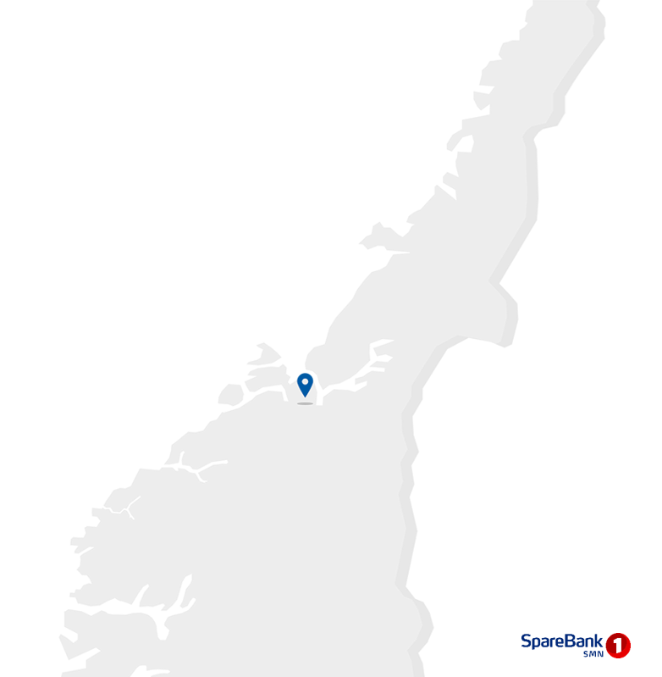
Contact information
CEO Jan-Frode Janson
For further information, please contact
CFO Trond Søraas
trond.soraas@smn.no
+47 922 36 803
Address
SpareBank1 SMN Postboks 4796 Sluppen, 7467 Trondheim
Switchboard +47 915 07 300
Visiting address Søndre gate 4, 7011 Trondheim
Information on the internet
SpareBank1 SMN's homepage www.smn.no
ECC information in general www.sparebankforeningen.no
Investor Relations
Supplementary Information

Q2

1.1_Highlights
1.1 Financial highlights

January - June 2026 |  |  |  |  |  |  | YTD | 2025

Profit before tax and inv. held for sale |  |  | 2,494 |  | NOK million |  | 2,674
Net profit |  |  | 2,028 |  | NOK million |  | 2,134
Return on equity |  |  | 13.7 |  | per cent |  | 15.0
Lending growth last 12 months |  |  | 4.7 |  | per cent |  | 1.4
Deposit growth last 12 months |  |  | 4.2 |  | per cent |  | 3.1
Loan losses |  |  | 135 |  | NOK million |  | 52
CET1 ratio |  |  | 17.0 |  | per cent |  | 18.8
Earnings per EC |  |  | 8.85 |  | NOK |  | 9.31

Q2 2026 |  |  |  |  |  |  | Q2 | 2025

Profit before tax and inv. held for sale |  |  | 1,439 |  | NOK million |  | 1,405
Net profit |  |  | 1,179 |  | NOK million |  | 1,131
Return on equity |  |  | 16.2 |  | per cent |  | 16.22
Loan losses |  |  | 35 |  | NOK million |  | 32
Earnings per EC |  |  | 5.19 |  | NOK |  | 4.99

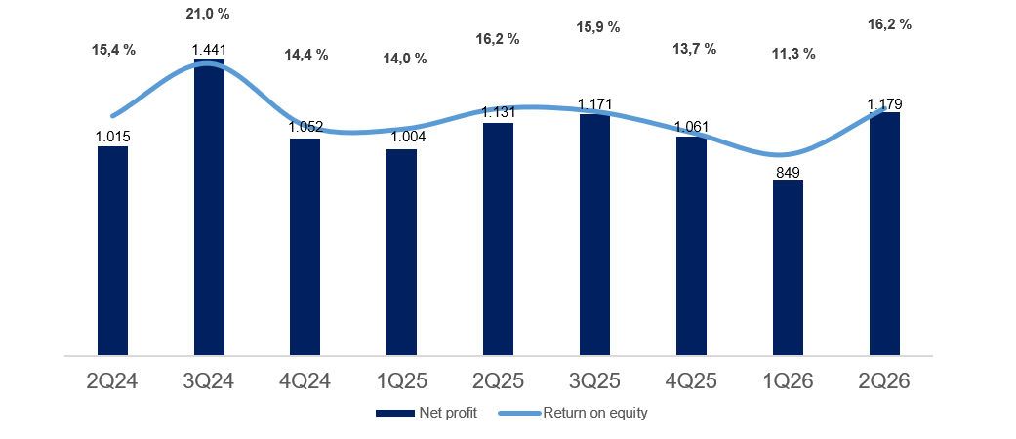

Main figures

Quarterly figures [NOK million] | 2Q26 | 1Q26 | 4Q25 | 3Q25 | 2Q25 | 1Q25 | 4Q24 | 3Q24 | 2Q24

Net interest | 1,229 | 1,220 | 1,349 | 1,337 | 1,335 | 1,321 | 1,372 | 1,355 | 1,309
Commission income and other income | 702 | 690 | 621 | 636 | 749 | 660 | 597 | 570 | 700
Net return on financial investments | 432 | 165 | 303 | 353 | 289 | 179 | 283 | 670 | 153
Total income | 2,363 | 2,075 | 2,273 | 2,326 | 2,374 | 2,160 | 2,252 | 2,596 | 2,162
Total operating expenses | 889 | 920 | 886 | 850 | 937 | 871 | 917 | 827 | 820
Result before losses | 1,474 | 1,155 | 1,387 | 1,476 | 1,437 | 1,289 | 1,335 | 1,769 | 1,343
Loss on loans, guarantees etc. | 35 | 100 | 61 | 27 | 32 | 21 | 30 | 75 | 47
Result before tax | 1,439 | 1,055 | 1,326 | 1,448 | 1,405 | 1,269 | 1,305 | 1,693 | 1,296
Tax charge | 260 | 206 | 265 | 275 | 270 | 262 | 253 | 252 | 276
Results investments held for sale, after tax | 0 | 0 | 0 | -2 | -5 | -3 | -1 | 0 | -5
Net profit | 1,179 | 849 | 1,061 | 1,171 | 1,131 | 1,004 | 1,052 | 1,441 | 1,015

Five years [NOK million] | YTD 26 | 2025 | 2024 | 2023 | 2022

Net interest | 2,449 | 5,343 | 5,373 | 4,732 | 3,330
Commission income and other income | 1,392 | 2,667 | 2,459 | 2,085 | 2,042
Net return on financial investments | 598 | 1,123 | 1,357 | 699 | 388
Total income | 4,439 | 9,133 | 9,190 | 7,516 | 5,760
Total operating expenses | 1,809 | 3,544 | 3,366 | 3,018 | 2,443
Result before losses | 2,630 | 5,589 | 5,823 | 4,498 | 3,317
Loss on loans, guarantees etc. | 135 | 140 | 176 | 14 | -7
Result before tax | 2,494 | 5,449 | 5,648 | 4,484 | 3,324
Tax charge | 466 | 1,072 | 1,054 | 904 | 718
Results investments held for sale, after tax | 0 | -11 | -2 | 108 | 179
Net profit | 2,028 | 4,367 | 4,592 | 3,688 | 2,785

Balance sheet - condensed

 | 30 Jun | 31 Mar | 31 Dec | 30 Sep | 30 Jun | 31 Mar | 31 Dec | 30 Sep | 30 Jun
Quarterly figures [NOK million] | 2026 | 2026 | 2025 | 2025 | 2025 | 2025 | 2024 | 2024 | 2024

Total assets | 257,884 | 248,820 | 242,914 | 254,140 | 254,836 | 251,025 | 247,699 | 245,951 | 243,363
Average total assets (quarterly) | 253,352 | 245,867 | 248,527 | 254,488 | 252,930 | 249,362 | 246,825 | 244,657 | 239,542

Gross loans to customers ¹ | 264,822 | 261,251 | 258,923 | 254,954 | 252,890 | 249,905 | 249,350 | 247,148 | 241,832
Deposits from customers | 155,781 | 151,089 | 146,165 | 148,986 | 149,446 | 148,169 | 140,897 | 138,042 | 139,661

Total equity capital | 30,814 | 29,760 | 31,865 | 30,861 | 29,649 | 28,508 | 30,523 | 29,674 | 27,879
¹ Loans to customers includes loans sold to SpareBank1 Boligkreditt and SpareBank1 Næringskreditt.

Five years [NOK million] | YTD 26 | 2025 | 2024 | 2023 | 2022

Total assets | 257,884 | 242,914 | 247,699 | 232,717 | 223,110
Average total assets | 249,873 | 250,123 | 241,090 | 235,303 | 213,112

Gross loans to customers ¹ | 264,822 | 258,923 | 249,350 | 236,329 | 211,244
Deposits from customers | 155,781 | 146,165 | 140,897 | 132,889 | 122,010

Total equity capital | 30,814 | 31,865 | 30,523 | 28,597 | 25,009
¹ Loans to customers includes loans sold to SpareBank1 Boligkreditt and SpareBank1 Næringskreditt.

Equity capital certificate (MING)

Quarterly figures | 2Q26 | 1Q26 | 4Q25 | 3Q25 | 2Q25 | 1Q25 | 4Q24 | 3Q24 | 2Q24

ECC price | 188.00 | 206.65 | 206.05 | 193.66 | 193.94 | 182.76 | 171.32 | 153.46 | 151.12
Number of certificates issued, millions | 144.21 | 144.21 | 144.19 | 144.19 | 144.18 | 144.17 | 144.19 | 144.21 | 144.19
Booked equity capital per ECC (incl. dividend) | 130.68 | 125.45 | 135.06 | 131.03 | 125.43 | 120.07 | 128.09 | 124.05 | 117.31
Adjusted profit per ECC | 5.19 | 3.66 | 4.58 | 5.19 | 4.99 | 4.32 | 4.67 | 6.42 | 4.43
P/E per ECC (annualised) | 10.54 | 13.93 | 11.33 | 9.41 | 9.70 | 10.43 | 9.17 | 5.97 | 8.53
P/B equity capital | 1.44 | 1.65 | 1.53 | 1.48 | 1.55 | 1.52 | 1.34 | 1.24 | 1.29

Five years | YTD 26 | 2025 | 2024 | 2023 | 2022

ECC price | 188.00 | 206.05 | 171.32 | 141.80 | 127.40
Number of certificates issued, millions | 144.21 | 144.19 | 144.21 | 144.20 | 129.29
Booked equity capital per ECC (incl. dividend) | 130.68 | 135.06 | 128.09 | 120.48 | 109.86
Adjusted profit per ECC | 8.85 | 19.08 | 20.10 | 16.88 | 12.82
P/E per ECC (annualised) | 10.54 | 10.80 | 8.52 | 8.40 | 9.94
P/B equity capital | 1.44 | 1.49 | 1.34 | 1.18 | 1.16

1.5_Other income
1.5 Other income

Commision and other income

Quarterly figures [NOK million] | 2Q26 | 1Q26 | 4Q25 | 3Q25 | 2Q25 | 1Q25 | 4Q24 | 3Q24 | 2Q24

Guarantees | 17 | 19 | 19 | 18 | 24 | 19 | 19 | 19 | 19
Commission Boligkreditt (cov. bonds) | 44 | 75 | 83 | 91 | 101 | 84 | 65 | 71 | 78
Commission Næringskreditt (cov. bonds) | 3 | 3 | 3 | 3 | 4 | 4 | 3 | 3 | 4
Commision of savings products | 27 | 20 | 21 | 24 | 27 | 14 | 17 | 16 | 15
Real estate agency | 107 | 76 | 68 | 81 | 96 | 73 | 67 | 72 | 90
Insurance | 86 | 84 | 83 | 80 | 76 | 71 | 69 | 67 | 65
Payment transfers | 117 | 125 | 143 | 136 | 124 | 116 | 154 | 138 | 132
Other | 22 | 17 | 17 | 17 | 17 | 20 | 16 | 21 | 23
Total commisions income | 423 | 419 | 439 | 450 | 468 | 400 | 409 | 405 | 425
Operating- and sales income real estate | 90 | 72 | 68 | 84 | 96 | 65 | 60 | 72 | 79
Accounting services | 232 | 231 | 164 | 152 | 232 | 225 | 161 | 146 | 229
Other operating income | 18 | 17 | 19 | 14 | 15 | 18 | 19 | 15 | 18
Total other operating income | 340 | 319 | 252 | 251 | 343 | 308 | 241 | 233 | 327
Commision expenses | 61 | 48 | 69 | 65 | 62 | 48 | 53 | 68 | 51
Total commision and other income | 702 | 690 | 621 | 636 | 749 | 660 | 597 | 570 | 700
As a percentage of total income | 30% | 33% | 30% | 28% | 32% | 28% | 28% | 25% | 27%

Five years [NOK million] | YTD 26 | 2025 | 2024 | 2023 | 2022

Guarantees | 36 | 80 | 73 | 68 | 77
Commission Boligkreditt (cov. bonds) | 119 | 360 | 272 | 155 | 256
Commission Næringskreditt (cov. bonds) | 6 | 14 | 14 | 15 | 16
Commision of savings products | 47 | 87 | 62 | 47 | 44
Real estate agency | 183 | 318 | 298 | 265 | 267
Insurance | 171 | 310 | 263 | 253 | 236
Payment transfers | 241 | 518 | 546 | 493 | 471
Other | 39 | 70 | 76 | 74 | 80
Total commisions income | 841 | 1,757 | 1,605 | 1,370 | 1,446
Operating- and sales income real estate | 162 | 313 | 269 | 166 | 151
Accounting services | 462 | 772 | 738 | 661 | 564
Other operating income | 35 | 67 | 72 | 86 | 66
Total other operating income | 660 | 1,153 | 1,079 | 913 | 781
Commision expenses | 109 | 243 | 224 | 199 | 186
Total commision and other income | 1,392 | 2,667 | 2,459 | 2,084 | 2,042
As a percentage of total income | 31% | 29% | 27% | 28% | 35%

Distribution of commision income

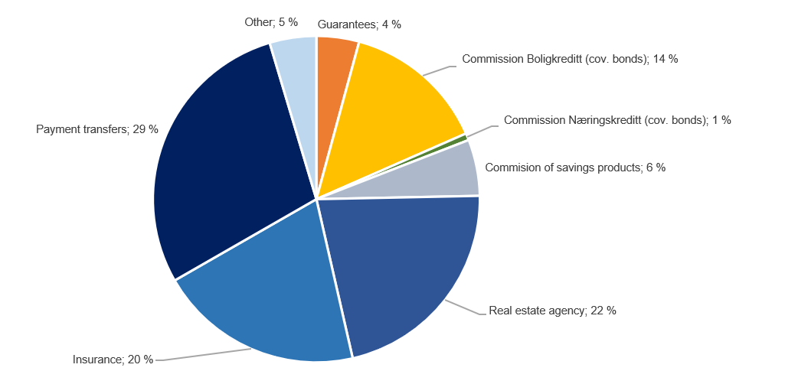

Change in commision and other income

Last 12 months [NOK million] | 2Q26 | Change | 2Q25
Commision and other income | 1,392 | -18 | 1,410
Real estate agency |  | 14
Other operating income |  | 2
Operating- and sales income real estate |  | 1
Accounting services |  | 6
Insurance |  | 24
Commission of savings products |  | 6
Commission expenses |  | 1
Other |  | 2
Payments transfers |  | 1
Guarantees |  | -7
Commission Boligkreditt (cov. bonds) |  | -66
Commission Næringskreditt (cov. bonds) |  | -2

Net return on financial investments

including investments held for sale
Quarterly figures [NOK million] | 2Q26 | 1Q26 | 4Q25 | 3Q25 | 2Q25 | 1Q25 | 4Q24 | 3Q24 | 2Q24

Dividends | 4 | 2 | 14 | 2 | 5 | 4 | 16 | 8 | 6
SpareBank 1 Gruppen | 174 | 95 | 137 | 136 | 114 | 59 | 99 | 86 | 1
Capital gain Fremtind Forsikring | 0 | 0 | 0 | 0 | 0 | 0 | 0 | 452 | 0
SpareBank 1 Boligkreditt | 48 | 29 | 23 | 41 | 16 | 24 | 24 | 37 | 35
SpareBank 1 Næringskreditt | 2 | 2 | 2 | 2 | 3 | 3 | 4 | 3 | 3
BN Bank | 70 | 54 | 62 | 70 | 85 | 74 | 68 | 77 | 73
Kredittbanken | 5 | 3 | 2 | 3 | 2 | -1 | -5 | -3 | 1
SpareBank 1 Betaling | 14 | 2 | 3 | 2 | -7 | -4 | -4 | -1 | -2
SpareBank 1 Markets | 10 | 13 | 24 | 12 | 18 | 19 | 19 | 20 | 26
SpareBank 1 Forvaltning | 18 | 10 | 16 | 14 | 13 | 14 | 17 | 13 | 13
Other companies | 13 | 4 | 7 | -1 | 25 | 4 | 4 | 1 | -3
Income from inv. in associates and joint ventures | 355 | 212 | 278 | 278 | 271 | 191 | 227 | 685 | 148
Capital gains shares | 49 | -32 | 19 | 42 | 23 | 25 | 44 | -1 | 4
Gain on sertificates and bonds | 78 | -128 | -4 | -82 | 106 | -12 | -192 | 58 | -39
Gain on derivatives | -69 | 113 | -24 | 92 | -163 | -45 | 128 | -94 | 11
Gain on financial instruments related to hedging | -3 | 4 | -5 | 5 | -10 | -2 | 2 | 2 | -2
Gain on other financial instruments at fair value (FVO) | 7 | 4 | 3 | 9 | 65 | 20 | 15 | -13 | 13
Foreign exchange gain | 12 | -10 | 22 | 7 | -7 | -2 | 42 | 24 | 11
Net return on financial investments¹ | 74 | -48 | 11 | 73 | 14 | -17 | 40 | -22 | -1
Total net return on financial investments | 432 | 165 | 302 | 353 | 289 | 179 | 283 | 670 | 153
As percentage of total income | 18% | 8% | 13% | 15% | 12% | 8% | 13% | 26% | 7%

Five years [NOK million] | YTD 26 | 2025 | 2024 | 2023 | 2022

Dividends | 6 | 25 | 33 | 26 | 33
SpareBank 1 Gruppen | 269 | 446 | 226 | -34 | 175
Capital gain Fremtind Forsikring | 0 | 0 | 452 | 0 | 0
SpareBank 1 Boligkreditt | 77 | 105 | 129 | 98 | 1
SpareBank 1 Næringskreditt | 4 | 9 | 14 | 10 | 3
BN Bank | 124 | 291 | 302 | 257 | 203
Kredittbanken | 9 | 7 | -10 | -13 | 9
SpareBank 1 Betaling | 16 | -6 | -19 | -37 | 13
SpareBank 1 Markets | 24 | 74 | 89 | 19
SpareBank 1 Forvaltning | 28 | 58 | 54 | 35 | 34
Other companies | 17 | 35 | 15 | -37 | 5
Income from inv. in associates and joint ventures | 566 | 1,017 | 1,253 | 297 | 442
Capital gains shares | 17 | 108 | 88 | 464 | 13
Gain on sertificates and bonds | -50 | 9 | -299 | -84 | -417
Gain on derivatives | 45 | -140 | 142 | -118 | 275
Gain on financial instruments related to hedging | 1 | -12 | 8 | 2 | -10
Gain on other financial instruments at fair value (FVO) | 10 | 97 | 27 | 5 | -38
Foreign exchange gain | 2 | 19 | 104 | 108 | 91
Net return on financial investments | 26 | 81 | 70 | 376 | -86
Total net return on financial investments | 598 | 1,123 | 1,357 | 699 | 388
As percentage of total income | 13% | 12% | 15% | 9% | 7%

1.7_Loans
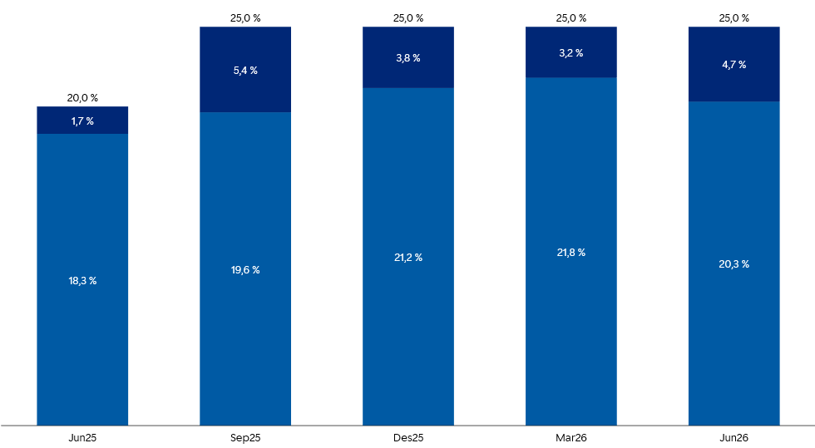
1.7 Loans to customers

Distribution of loans by industry

 | 30 Jun | 31 Mar | 31 Dec | 30 Sep | 30 Jun | 31 Mar | 31 Dec | 30 Sep | 30 Jun
Quarterly figures [NOK million] | 2026 | 2026 | 2025 | 2025 | 2025 | 2025 | 2024 | 2024 | 2024

Agriculture and forestry | 13,796 | 13,468 | 13,752 | 13,460 | 13,300 | 13,149 | 13,519 | 13,131 | 12,756
Fisheries | 7,171 | 6,719 | 6,177 | 5,873 | 5,898 | 6,163 | 6,085 | 6,388 | 5,655
Fish farming | 3,318 | 4,471 | 4,297 | 5,111 | 4,509 | 3,447 | 4,144 | 3,058 | 2,650
Manufacturing | 4,583 | 4,580 | 4,559 | 3,756 | 3,494 | 3,614 | 4,362 | 4,476 | 3,934
Construction, power and water supply | 2,692 | 6,514 | 6,184 | 3,127 | 6,298 | 6,430 | 6,332 | 6,725 | 7,367
Retail trade, hotels and restaurants | 4,557 | 4,258 | 4,304 | 4,296 | 4,733 | 4,353 | 4,201 | 3,959 | 3,993
Maritime sector | 1,514 | 878 | 749 | 1,113 | 664 | 687 | 4,043 | 4,846 | 4,850
Commercial Real Estate | 29,417 | 25,250 | 25,641 | 27,599 | 24,683 | 24,563 | 24,964 | 25,320 | 23,658
Business services | 5,661 | 5,670 | 5,258 | 5,188 | 6,506 | 6,439 | 5,701 | 5,364 | 5,406
Transport and other services provision | 10,500 | 11,386 | 11,550 | 11,126 | 10,536 | 11,081 | 7,311 | 7,272 | 7,044
Public administration | 26 | 36 | 33 | 31 | 36 | 48 | 62 | 66 | 35
Other sectors | 1,377 | 1,052 | 1,076 | 1,077 | 1,130 | 1,437 | 1,466 | 1,429 | 1,339
Gross loans in corporate market | 84,613 | 84,282 | 83,580 | 81,758 | 81,788 | 81,411 | 82,191 | 82,034 | 78,687
Retail customers | 180,209 | 176,969 | 175,343 | 173,195 | 171,102 | 168,494 | 167,159 | 165,114 | 163,146
Gross loans incl. Boligkreditt and Næringskreditt | 264,822 | 261,251 | 258,923 | 254,954 | 252,890 | 249,905 | 249,350 | 247,148 | 241,832
of which Boligkreditt | 77,251 | 76,660 | 73,303 | 68,501 | 68,622 | 68,763 | 67,830 | 65,983 | 66,786
of which Næringskreditt | 998 | 1,116 | 1,234 | 1,273 | 1,278 | 1,413 | 1,419 | 1,576 | 1,606
Gross loans in balance sheet | 186,573 | 183,475 | 184,387 | 185,180 | 182,990 | 179,729 | 180,102 | 179,590 | 173,440

Share of volume, corporate market | 32% | 32% | 32% | 32% | 32% | 33% | 33% | 33% | 33%
Share of volume, retail market | 68% | 68% | 68% | 68% | 68% | 67% | 67% | 67% | 67%

Distribution of loans by industry
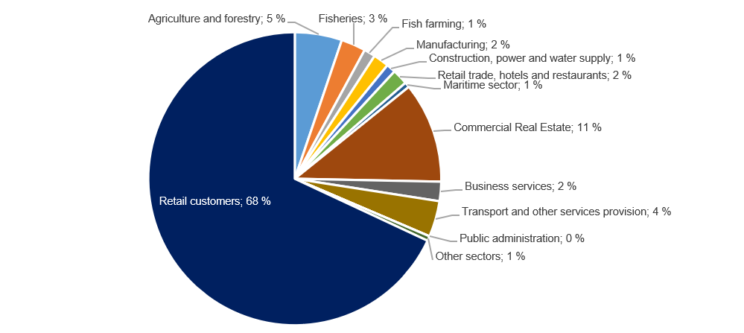

Credit risk classification in SpareBank 1 SMN

 | Probability of default (%) |  | Corresponding rating class
Risk class | Low | High | Moody's

A | 0.01 | 0.10 | AAA - A3
B | 0.10 | 0.25 | Baa1 - Baa2
C | 0.25 | 0.50 | Baa3
D | 0.50 | 0.75 | Ba1
E | 0.75 | 1.25 | Ba2
F | 1.25 | 2.50
G | 2.50 | 5.00 | Ba2 - B1
H | 5.00 | 10.00 | B1 - B2
I | 10.00 | 99.99 | B3 - caa3
J | Default
K | Written down
SB 1 SMN's risk classification system, where A represents the lowest risk and K the highest risk

Risk profile - Exposure

As of | EAD
30 June 2026 | NOK billion | %

A | 67.4 | 23.3 %
B | 72.7 | 25.1 %
C | 70.5 | 24.4 %
D | 23.0 | 8.0 %
E | 24.6 | 8.5 %
F | 14.8 | 5.1 %
G | 8.2 | 2.8 %
H | 3.4 | 1.2 %
I | 2.3 | 0.8 %
J | 0.9 | 0.3 %
K | 1.2 | 0.4 %
Exposure at default, EAD, is the share of the approved credit that is expected to be drawn at the time of any future default at the same time as there is a downturn in the market.
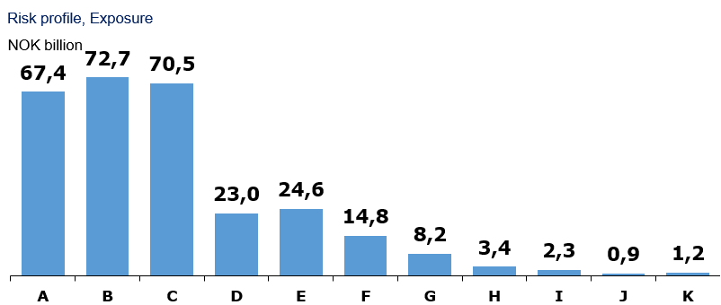

Loans and guarantees by industry

As of |  | Very low | Low | Medium | High | Very high | Default and
30 June 2026 | Total | risk | risk | risk | risk | risk | written down

A - Agriculture, fishery and forestry | 27,646 | 13,181 | 9,433 | 3,179 | 812 | 235 | 806
B - Mining and quarrying | 40 | 6 | 11 | 20 | 3 | 0 | 0
C - Manufacturing | 5,633 | 66 | 1,933 | 3,110 | 175 | 229 | 120
D - Electricity, gas, steam and air conditioning supply | 206 | 109 | 33 | 57 | 1 | 6 | 0
E - Water supply, sewerage and waste management | 133 | 17 | 62 | 31 | 24 | 0 | 0
F - Construction | 2,167 | 340 | 596 | 977 | 87 | 94 | 73
G - Retail trade, repair of motor vehicles | 4,222 | 127 | 1,489 | 1,525 | 848 | 230 | 3
H - Transportation and storage | 11,920 | 6,903 | 3,813 | 1,027 | 44 | 19 | 115
I - Accommodation and catering | 904 | 111 | 284 | 328 | 66 | 89 | 26
J- Publishing, Broadcasting, and content production and distribution activities | 41 | 13 | 4 | 22 | 2 | 0 | 0
K - Telecommunication, Computer programming, consulting, computing infrastructure and other information service activities | 580 | 28 | 395 | 137 | 10 | 8 | 2
L - Financing and insurance activities | 5,237 | 1,340 | 2,189 | 1,680 | 22 | 2 | 4
M -Property management | 33,623 | 16,407 | 9,709 | 6,587 | 483 | 214 | 224
N - Professional, scientific and technical services | 1,949 | 302 | 1,114 | 416 | 35 | 40 | 42
O - Business services | 1,329 | 124 | 399 | 761 | 18 | 15 | 11
P - Public administration and defense, and public social security schemes | 724 | 724 | 0 | 0 | 0 | 0 | 0
Q - Education | 389 | 73 | 247 | 60 | 8 | 1 | 0
R - Health and social services | 474 | 264 | 124 | 79 | 7 | 0 | 0
S - Cultural activities, entertainment and recreation | 601 | 173 | 265 | 53 | 5 | 102 | 3
T - Other services | 877 | 181 | 380 | 270 | 25 | 19 | 2
U - Employment in private households | 368 | 350 | 17 | 1 | 0 | 0 | 0
V - International organizations | 0 | 0 | 0 | 0 | 0 | 0 | 0
W - Subsidiary | 11,879 | 11,509 | 367 | 3 | 0 | 0 | 0
X -Other sectors | 178,063 | 158,188 | 14,694 | 2,669 | 758 | 1,004 | 750
2Q26 | 289,007 | 210,536 | 47,557 | 22,993 | 3,433 | 2,309 | 2,180

Five years [NOK million] |  | Very low | Low | Medium | High | Very high | Default and
 | Total | risk | risk | risk | risk | risk | written down
YTD 26 | 289,007 | 210,536 | 47,557 | 22,993 | 3,433 | 2,309 | 2,180
2025 | 269,804 | 198,153 | 39,458 | 23,723 | 3,214 | 3,065 | 2,191
2024 | 256,360 | 192,672 | 33,045 | 23,250 | 2,835 | 2,536 | 2,023
2023 | 230,970 | 174,011 | 31,176 | 18,727 | 3,139 | 1,888 | 2,029
2022 | 213,697 | 159,702 | 30,810 | 15,278 | 2,910 | 1,768 | 3,229

Write-downs on loans and guarantees

Quarterly figures [NOK million] | 2Q26 | 1Q26 | 4Q25 | 3Q25 | 2Q25 | 1Q25 | 4Q24 | 3Q24 | 2Q24

Change in provision for expected credit losses for the period | 18 | 89 | 38 | -21 | 18 | 9 | -87 | 56 | 34
Actual loan losses on commitments exceeding provisions made | 25 | 18 | 26 | 50 | 23 | 13 | 144 | 18 | 2
Recoveries on commitments previously written-off | -8 | -6 | -3 | -2 | -8 | -2 | -28 | 2 | 11
Write-downs on loans and guarantees¹ | 35 | 100 | 61 | 27 | 32 | 21 | 30 | 75 | 47
As % of gross loans incl. Boligkreditt | 0.05% | 0.15% | 0.09% | 0.04% | 0.05% | 0.03% | 0.05% | 0.12% | 0.08%

Five years [NOK million] | YTD 26 | 2025 | 2024 | 2023 | 2022

Change in provision for expected credit losses for the period | 106 | 44 | 19 | -6 | -48
Actual loan losses on commitments exceeding provisions made | 43 | 111 | 175 | 215 | 58
Recoveries on commitments previously written-off | -14 | -15 | -19 | -195 | -17
Write-downs on loans and guarantees¹ | 135 | 140 | 176 | 14 | -7
As % of gross loans incl. Boligkreditt | 0.10% | 0.06% | 0.07% | 0.01% | 0.00%

Loss on loans by segment

Quarterly figures [NOK million] | 2Q26 | 1Q26 | 4Q25 | 3Q25 | 2Q25 | 1Q25 | 4Q24 | 3Q24 | 2Q24

Retail Market | 9 | 6 | -10 | 7 | 2 | -4 | 1 | 14 | 9
Corporate Market | 18 | 67 | 62 | 11 | 21 | 15 | 31 | 49 | 30
SMN Finans and other | 8 | 27 | 8 | 9 | 9 | 9 | -2 | 12 | 7
Total loss on loans | 35 | 100 | 61 | 27 | 32 | 21 | 30 | 75 | 47

Five years [NOK million] | YTD 26 | 2025 | 2024 | 2023 | 2022

Retail Market | 15 | -5 | 36 | -6 | 29
Corporate Market | 86 | 109 | 120 | -66 | -66
SMN Finans and other | 35 | 36 | 20 | 86 | 30
Total loss on loans | 135 | 140 | 176 | 14 | -7

Loan-to-value ratio in the mortgage portfolio

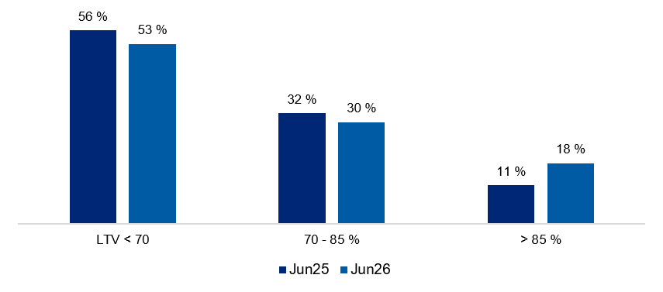

Risk weight in the mortgage portfolio

2.2_Retail
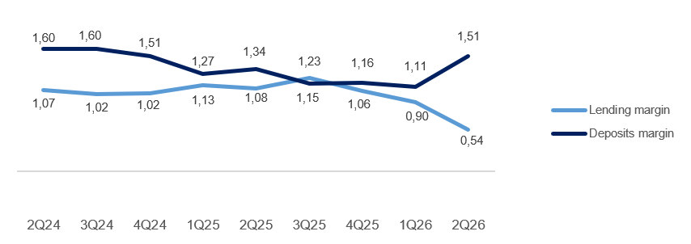
2.2 Retail market

Business description

 | 30 Jun
Facts about the business area | 2026
Lending volume | 174,091
Deposits volume | 77,728
FTEs | 348

Financial performance1

Quarterly figures [NOK million] | 2Q26 | 1Q26 | 4Q25 | 3Q25 | 2Q25 | 1Q25 | 4Q24 | 3Q24 | 2Q24

Total net interest income | 557 | 476 | 578 | 581 | 581 | 547 | 577 | 575 | 558
Net guarantee commission, incl BK, NK | 26 | 108 | 90 | 101 | 111 | 93 | 74 | 82 | 89
Net commission of savings products | 24 | 16 | 19 | 20 | 22 | 14 | 17 | 16 | 14
Net commission insurance services | 71 | 69 | 68 | 66 | 62 | 57 | 55 | 53 | 52
Net commission payment trans. services | 41 | 46 | 58 | 45 | 38 | 49 | 72 | 50 | 52
Other commision income | 1 | 0 | 0 | 1 | 1 | 1 | 0 | 0 | 0
Net fee and commission income | 163 | 240 | 235 | 233 | 234 | 215 | 219 | 201 | 207
Net profit on financial investments | 1 | 0 | 1 | 0 | -1 | 1 | -1 | -1 | 0
Total income | 721 | 715 | 814 | 814 | 814 | 762 | 795 | 775 | 765
Total operating expenses¹ | 333 | 347 | 342 | 329 | 374 | 337 | 353 | 321 | 307
Result before losses | 388 | 368 | 472 | 485 | 440 | 425 | 442 | 454 | 458
Loss on loans, guarantees etc. | 9 | 6 | -10 | 7 | 2 | -4 | 4 | 6 | 4
Result before tax | 379 | 362 | 482 | 478 | 438 | 429 | 438 | 449 | 453

1Effective January 1, 2025, the bank transitioned from three to two business divisions: Retail Market and Corporate Market. Historical data, including margins and volumes, have been updated to reflect the current organizational structure, with adjustments made retroactively to Q1 2024.

 | YTD | 31 Dec | 31 Dec | 31 Dec | 31 Dec
Five years [NOK million] | 2026 | 2025 | 2024 | 2023 | 2022

Total interest income | 1,033 | 2,288 | 2,258 | 2,352 | 1,491
Net guarantee commission, incl BK, NK | 134 | 395 | 337 | 209 | 309
Net commission of savings products | 41 | 74 | 62 | 50 | 68
Net commission insurance services | 140 | 253 | 218 | 223 | 208
Net commission payment trans. services | 87 | 191 | 223 | 221 | 210
Other commision income | 1 | 4 | 2 | 2 | 1
Net fee and commission income | 403 | 916 | 842 | 704 | 796
Net profit on financial investments | 1 | 1 | -2 | 1 | -4
Total income | 1,436 | 3,205 | 3,098 | 3,057 | 2,283
Total operating expenses¹ | 680 | 1,383 | 1,318 | 1,293 | 958
Result before losses | 757 | 1,822 | 1,779 | 1,764 | 1,325
Loss on loans, guarantees etc. | 15 | -5 | 10 | -6 | 29
Result before tax | 742 | 1,827 | 1,770 | 1,770 | 1,296

¹ Includes both direct and distributed expences

Margin development

Definition of margin: average customer interest rate minus 3 months nibor

2.3_Corporate
2.3 Corporate market

Business description

 | 30 Jun
Facts about the business area | 2026
Lending volume | 76,514
Deposits volume | 75,471
FTEs | 185

Financial performance1

Quarterly figures [NOK million] | 2Q26 | 1Q26 | 4Q25 | 3Q25 | 2Q25 | 1Q25 | 4Q24 | 3Q24 | 2Q24

Total interest income | 593 | 579 | 670 | 673 | 668 | 632 | 657 | 648 | 617
Net guarantee commission, incl BK, NK | 20 | 24 | 24 | 23 | 29 | 23 | 23 | 23 | 24
Net commission of savings products | 4 | 4 | 4 | 6 | 6 | 0 | 0 | 1 | 1
Net commission insurance services | 17 | 18 | 17 | 16 | 16 | 16 | 15 | 15 | 14
Net commission payment trans. services | 54 | 54 | 54 | 57 | 52 | 48 | 49 | 37 | 42
Other commision income | 0 | 3 | 1 | 1 | 2 | 4 | 2 | 4 | 5
Net fee and commission income | 96 | 103 | 100 | 102 | 105 | 92 | 90 | 79 | 86
Net profit on financial investments | 5 | 3 | -1 | 3 | 5 | 4 | 2 | 5 | 5
Total income | 694 | 686 | 770 | 779 | 777 | 728 | 749 | 732 | 708
Total operating expenses¹ | 189 | 198 | 177 | 178 | 200 | 187 | 183 | 176 | 169
Result before losses | 505 | 487 | 593 | 601 | 578 | 541 | 566 | 556 | 538
Loss on loans, guarantees etc. | 18 | 67 | 62 | 11 | 21 | 15 | 28 | 58 | 35
Result before tax | 487 | 420 | 531 | 590 | 557 | 525 | 537 | 498 | 503

1Effective January 1, 2025, the bank transitioned from three to two business divisions: Retail Market and Corporate Market. Historical data, including margins and volumes, have been updated to reflect the current organizational structure, with adjustments made retroactively to Q1 2024.

 | YTD | 31 Dec | 31 Dec | 31 Dec | 31 Dec
Five years [NOK million] | 2026 | 2025 | 2024 | 2023 | 2022

Total interest income | 1,173 | 2,643 | 2,524 | 2,153 | 1,505
Net guarantee commission, incl BK, NK | 44 | 98 | 92 | 80 | 99
Net commission of savings products | 8 | 17 | 4 | 1 | 0
Net commission insurance services | 35 | 64 | 58 | 38 | 36
Net commission payment trans. services | 108 | 211 | 164 | 129 | 135
Other commision income | 4 | 9 | 18 | 31 | 19
Net fee and commission income | 199 | 399 | 336 | 279 | 290
Net profit on financial investments | 8 | 12 | 17 | 12 | 9
Total income | 1,380 | 3,053 | 2,877 | 2,445 | 1,804
Total operating expenses¹ | 387 | 742 | 699 | 554 | 467
Result before losses | 992 | 2,312 | 2,178 | 1,890 | 1,337
Loss on loans, guarantees etc. | 86 | 109 | 138 | -69 | -66
Result before tax | 907 | 2,203 | 2,039 | 1,958 | 1,403

¹ Includes both direct and distributed expences

Margin development

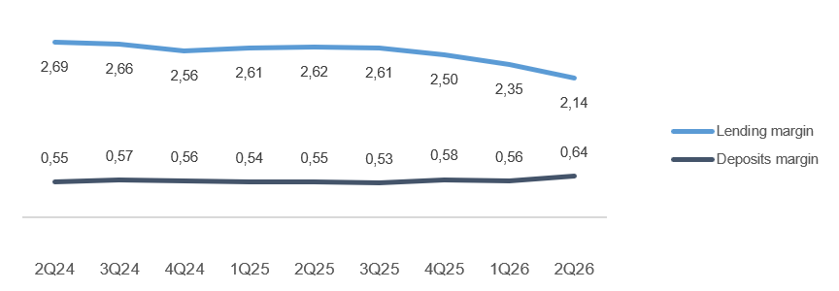
Definition of margin: average customer interest rate minus 3 months nibor

Appendix
3 Appendix

A1 Business description

 | 1 | 1
SpareBank 1 SMN is the region's leading financial services group and one of six owners of the SpareBank 1 Alliance. Its head office is in Trondheim. SpareBank 1 SMN is a regional independent savings bank with a local footing. Through the SpareBank 1 Alliance and its own subsidiaries, SpareBank 1 SMN has secured access to competitive products in the fields of financing, savings and investments, insurance and payment services. The bank is organised under the following structure:
Financial Group SpareBank 1 SMN

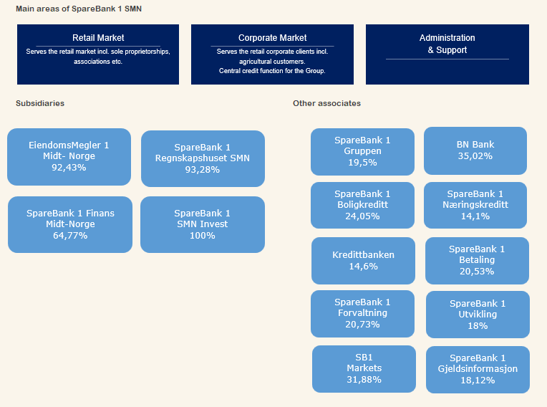

Organisation of SpareBank 1 SMN

Supervisory Board

Board of Directors

Communication and Society
Risk Management

Group CEO
Technology and Development
Economic Crime and Business Support

Retail
Banking
Corporate
Banking
EiendomsMegler 1 Midt-Norge
SpareBank 1 Regnskapshuset SMN
Group Finance and Governance

Overwiew of governing and control bodies

Supervisory Board
_____________________________________________________________________________________________________

ECC holders
40 %
Depositors
17.5 %
Country Council
17.5 %
Employes
25 %
External Audit
Election Committee
Internal Audit
Board of Directors
_____________________________________________________________________________________________________

CEO

SpareBank 1 Alliance
SpareBank 1 SMN was one of the founding partners of the SpareBank 1 Alliance in 1996. The Alliance consists of closely cooperating saving banks, all of them being independent and locally anchored banks. The purpose of the SpareBank1 Alliance is for members to develop, procure and supply competitive financial services and products and to exploit economies of scale. The Alliance canalize a lot of its mutual interests through SpareBank1 Gruppen AS, a holding company of life and non-life insurance, mutual funds, a broker-dealer and other companies. The Alliance is the 2nd largest Norwegian financial group with wide distribution all over Norway.

Members
SpareBank 1
SMN
SpareBank 1
Sør-Norge
SpareBank 1
Nord-Norge
Samspar
SpareBank 1 Østlandet
LO

Products, commisions, dividends |  |  |  | Sales, loan portfolios, capital

SpareBank 1 Alliance companies

BN Bank
SpareBank 1
Boligkreditt
SpareBank 1
Gruppen AS

SpareBank 1
Kreditt
SpareBank 1
Næringskreditt
Fremtind Forsikring
SpareBank 1
Factoring, Collection

SpareBank 1
Betaling
SpareBank 1
Forvaltning
SpareBank 1
Forsikring
Kredinor

SB1
Markets
SpareBank 1
Spleis

Banking Cooperation
_____________________________________________________________________________________________________

* LO - The Norwegian Confederation of Trade Unions

A2 20 largest ECC holders

Owner | Number | Ownership in %
Sparebankstiftinga Søre Sunnmøre | 10,471,224 |  | 7.26%
Sparebankstiftelsen SMN | 7,420,111 |  | 5.15%
VPF Eika Egenkapitalbevis | 5,231,842 |  | 3.63%
KLP | 4,942,310 |  | 3.43%
Skandinaviska Enskilda Banken AB (Nominee) | 3,648,833 |  | 2.53%
Pareto Aksje Norge VPF | 3,142,917 |  | 2.18%
VPF Holberg Norge | 2,750,000 |  | 1.91%
Citibank, N.A. (Nominee) | 2,549,030 |  | 1.77%
Spesialfondet Borea Utbytte | 2,247,999 |  | 1.56%
J.P. Morgan SE (Nominee) | 2,236,084 |  | 1.55%
State Street Bank and Trust Comp (Nominee) | 2,203,905 |  | 1.53%
Forsvarets personellservice | 2,018,446 |  | 1.40%
State Street Bank and Trust Comp (Nominee) | 1,865,187 |  | 1.29%
J. P. Morgan Chase Bank, N.A., London (Nominee) | 1,793,356 |  | 1.24%
J.P. Morgan SE (Nominee) | 1,689,359 |  | 1.17%
The Northern Trust Comp (Nominee) | 1,547,100 |  | 1.07%
VPF Alfred Berg Gamba | 1,457,261 |  | 1.01%
J.P. Morgan SE (Nominee) | 1,427,927 |  | 0.99%
VPF Heimdal Utbytte | 1,425,000 |  | 0.99%
MP Pensjon PK | 1,412,140 |  | 0.98%
Total 20 largest shareholders | 61,480,031 |  | 42.63%
Others | 82,735,559 |  | 57.37%
Total | 144,215,590 |  | 100.00%

A3 ECC capital history

 |  | Change in |  | Total
Year | Change | ECC capital |  | ECC capital |  | No. of ECC's
1991 | Placing |  | 525 |  | 525 | 5,250,000
1992 | Placing |  | 75 |  | 600 | 6,000,000
2000 | Employee placing |  | 5 |  | 605 | 6,053,099
2001 | Employee placing |  | 5 |  | 610 | 6,099,432
2002 | Employee placing |  | 5 |  | 615 | 6,148,060
2004 | Bonus Issue |  | 154 |  | 769 | 7,685,075
2005 | Placing |  | 217 |  | 986 | 9,859,317
2005 | Employee placing |  | 24 |  | 1,010 | 10,097,817
2005 | Split |  | - |  | 1,010 | 40,391,268
2005 | Rights Issue |  | 252 |  | 1,262 | 50,489,085
2007 | Dividend Issue |  | 82 |  | 1,344 | 53,752,203
2007 | Employee placing |  | 5 |  | 1,349 | 53,976,003
2008 | Dividend Issue |  | 91 |  | 1,440 | 57,603,748
2008 | Employee placing |  | 6 |  | 1,447 | 57,861,806
2009 | Bonus Issue |  | 289 |  | 1,736 | 69,434,167
2010 | Employee placing |  | 13 |  | 1,749 | 69,941,979
2010 | Rights issue |  | 624 |  | 2,373 | 94,905,286
2011 | Rights issue |  | 1 |  | 2,373 | 94,930,286
2012 | Reduction in nominal value |  | -475 |  | 1,899 | 94,930,286
2012 | Rights issue |  | 570 |  | 2,468 | 123,407,456
2012 | Employee placing |  | 16 |  | 2,484 | 124,218,466
2012 | Placing |  | 112 |  | 2,597 | 129,836,443
2023 | Merger |  | 288 |  | 2,884 | 144,215,590

A4 CAD - methods for calculating minimum requirements

 | Portfolio |  |  |  |  | Regulatory method

Credit risk | States - parent bank |  |  |  |  | Standardized approach
 | Institutions - parent bank |  |  |  |  | Standardized approach
 | Housing cooperatives, clubs and associations - parent bank |  |  |  |  | Standardized approach
 | Enterprises - parent bank |  |  |  |  | Advanced IRB approach
 | Mass market - parent bank |  |  |  |  | IRB - mass market (advanced)
 | SpareBank 1 Finans Midt-Norge AS |  |  |  |  | Standardized approach
 | SpareBank 1 SMN Invest |  |  |  |  | Standardized approach
 | Mass market - SpareBank 1 Boligkreditt AS |  |  |  |  | IRB - mass market (advanced)
 | Enterprises - SpareBank 1 Næringskreditt AS |  |  |  |  | Standardized approach
 | Enterprises - BN Bank AS |  |  |  |  | Advanced IRB approach
 | Mass market - BN Bank AS |  |  |  |  | IRB - mass market (advanced)
Market risk | Equity risk - parent bank |  |  |  |  | Standardized approach
 | Debt risk - parent bank |  |  |  |  | Standardized approach
 | Currency risk - parent bank |  |  |  |  | Standardized approach
 | Subsidiaries and part-owned companies |  |  |  |  | Standardized approach
Operational risk | SpareBank 1 SMN (parent bank) |  |  |  |  | Standardized approach
 | Subsidiaries and part-owned companies |  |  |  |  | Basic Indicator Approach

