Intro
Contact information
CEO Jan-Frode Janson
For further information, please contact
CFO Kjell Fordal
kjell.fordal@smn.no
+47 905 41 672
Address
SpareBank1 SMN Postboks 4796 Sluppen, 7467 Trondheim
Switchboard +47 915 07 300
Visiting address Søndre gate 4, 7011 Trondheim
Information on the internet
SpareBank1 SMN's homepage www.smn.no
ECC information in general www. egenkapitalbevis.no
Financial Calendar 2020
1st quarter 07 May 2020
2nd quarter 11 August 2020
3rd quarter 30 October 2020
Investor Relations
Supplementary Information

2019
Q4

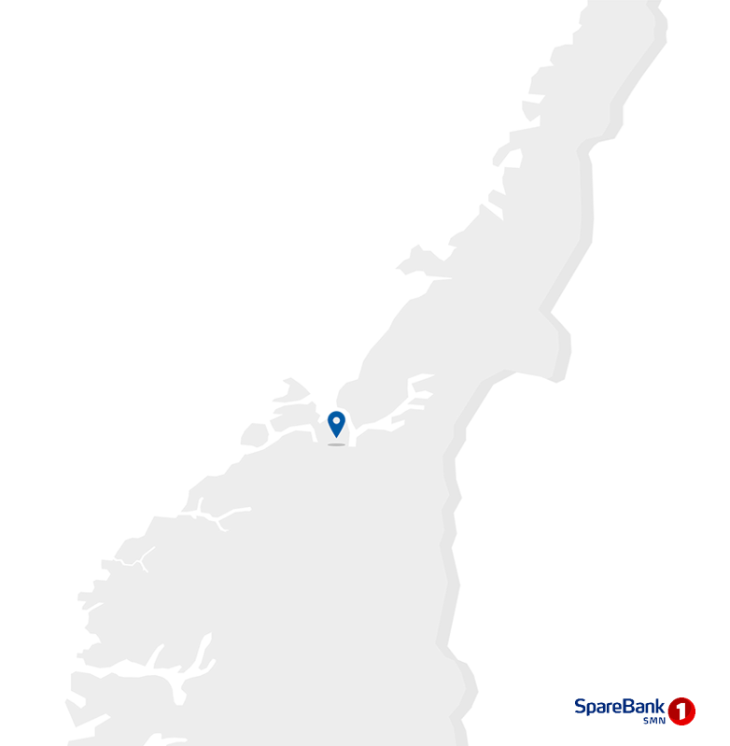

1.1_Highlights
1.1 Financial highlights

January - December 2019 |  |  |  |  |  |  | YTD | 2018

Profit before tax and inv. held for sale |  |  | 3,081 |  | NOK million |  | 2,450
Net profit |  |  | 2,563 |  | NOK million |  | 2,090
Return on equity |  |  | 13.7 |  | per cent |  | 12.2
Annual lending growth |  |  | 4.7 |  | per cent |  | 7.8
Annual deposits growth |  |  | 6.6 |  | per cent |  | 5.4
Loan losses |  |  | 299 |  | NOK million |  | 263
CET1 ratio |  |  | 17.2 |  | per cent |  | 14.6
Earnings per EC |  |  | 12.14 |  | NOK |  | 9.97

Q4 2019 |  |  |  |  |  |  | Q4 | 2018

Profit before tax and inv. held for sale |  |  | 469 |  | NOK million |  | 513
Net profit |  |  | 346 |  | NOK million |  | 401
Return on equity |  |  | 7.1 |  | per cent |  | 9.0
Loan losses |  |  | 103 |  | NOK million |  | 67
Earnings per EC |  |  | 1.60 |  | NOK |  | 1.90

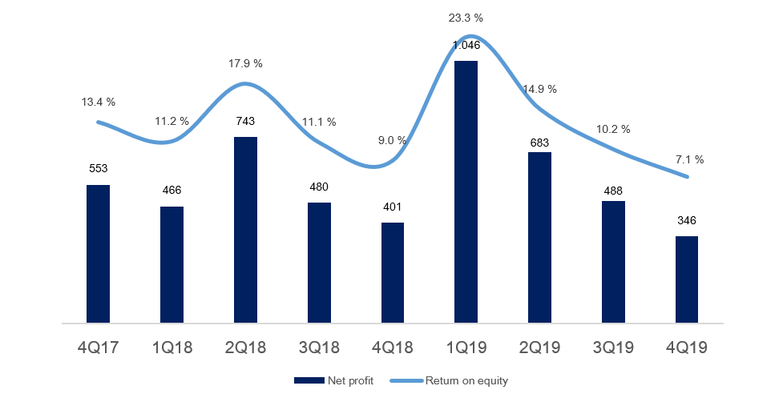
 | 1 | 1

Main figures

Quarterly figures [NOK million] | 4Q19 | 3Q19 | 2Q19 | 1Q19 | 4Q18 | 3Q18 | 2Q18 | 1Q18 | 4Q17

Net interest | 697 | 678 | 664 | 649 | 644 | 610 | 581 | 568 | 589
Commission income and other income | 579 | 554 | 606 | 551 | 543 | 486 | 607 | 542 | 529
Net return on financial investments | 17 | 121 | 336 | 727 | 95 | 182 | 300 | 180 | 256
Total income | 1,292 | 1,353 | 1,607 | 1,926 | 1,282 | 1,277 | 1,488 | 1,290 | 1,374
Total operating expenses | 720 | 673 | 701 | 704 | 701 | 616 | 661 | 645 | 618
Result before losses | 572 | 680 | 907 | 1,223 | 580 | 661 | 827 | 645 | 756
Loss on loans, guarantees etc. | 103 | 71 | 59 | 67 | 67 | 69 | 78 | 48 | 78
Result before tax | 469 | 609 | 848 | 1,155 | 513 | 592 | 748 | 596 | 678
Tax charge | 123 | 121 | 165 | 109 | 104 | 119 | 156 | 131 | 122
Results investments held for sale, after tax | 0 | 0 | 0 | 0 | -8 | 6 | 150 | 1 | -4
Net profit | 346 | 488 | 683 | 1,046 | 401 | 480 | 743 | 466 | 553

Five years [NOK million] | YTD 19 | 2018 | 2017 | 2016 | 2015

Net interest | 2,687 | 2,403 | 2,225 | 1,929 | 1,920
Commission income and other income | 2,290 | 2,177 | 2,005 | 1,674 | 1,545
Net return on financial investments | 1,201 | 757 | 760 | 944 | 459
Total income | 6,178 | 5,337 | 4,989 | 4,547 | 3,924
Total operating expenses | 2,797 | 2,624 | 2,369 | 2,003 | 1,931
Result before losses | 3,380 | 2,713 | 2,621 | 2,544 | 1,993
Loss on loans, guarantees etc. | 299 | 263 | 341 | 516 | 169
Result before tax | 3,081 | 2,450 | 2,279 | 2,029 | 1,824
Tax charge | 518 | 509 | 450 | 352 | 383
Results investments held for sale, after tax | 0 | 149 | -1 | 4 | -1
Net profit | 2,563 | 2,090 | 1,828 | 1,681 | 1,441

Balance sheet - condensed

 | 31 Dec | 30 Sep | 30 Jun | 31 Mar | 31 Dec | 30 Sep | 30 Jun | 31 Mar | 31 Dec
Quarterly figures [NOK million] | 2019 | 2019 | 2019 | 2019 | 2018 | 2018 | 2018 | 2018 | 2017

Total assets | 166,662 | 166,475 | 167,289 | 164,641 | 160,704 | 159,337 | 159,584 | 152,083 | 153,254
Average total assets (quarterly) | 166,569 | 166,882 | 165,965 | 162,673 | 160,021 | 159,460 | 155,833 | 152,668 | 150,083

Gross loans to customers ¹ | 167,777 | 165,380 | 163,627 | 161,091 | 160,317 | 157,825 | 154,790 | 151,065 | 148,784
Deposits from customers | 85,917 | 83,641 | 86,553 | 81,111 | 80,615 | 77,529 | 80,343 | 75,937 | 76,476

Total equity capital | 20,420 | 19,904 | 19,450 | 18,673 | 18,686 | 18,650 | 17,984 | 17,365 | 17,510
¹ Loans to customers includes loans sold to SpareBank1 Boligkreditt and SpareBank1 Næringskreditt.

Five years [NOK million] | YTD 19 | 2018 | 2017 | 2016 | 2015

Total assets | 166,662 | 160,704 | 153,254 | 138,080 | 131,914
Average total assets (quarterly) | 165,154 | 160,021 | 150,083 | 138,948 | 130,575

Gross loans to customers ¹ | 167,777 | 160,317 | 148,784 | 137,535 | 127,378
Deposits from customers | 85,917 | 80,615 | 76,476 | 67,168 | 64,090

Total equity capital | 20,420 | 18,686 | 17,510 | 16,253 | 14,857

Equity capital certificate (MING)

Quarterly figures | 4Q19 | 3Q19 | 2Q19 | 1Q19 | 4Q18 | 3Q18 | 2Q18 | 1Q18 | 4Q17

ECC price | 100.20 | 98.50 | 97.70 | 87.40 | 84.20 | 90.90 | 84.50 | 80.90 | 82.25
Number of certificates issued, millions | 129.30 | 129.48 | 129.66 | 129.41 | 129.62 | 129.44 | 129.31 | 129.38 | 129.38
Booked equity capital per ECC (incl. dividend) | 90.75 | 89.36 | 87.04 | 83.86 | 83.87 | 82.57 | 80.21 | 76.53 | 78.81
Adjusted profit per ECC | 1.60 | 2.30 | 3.21 | 5.02 | 1.90 | 2.32 | 3.54 | 2.21 | 2.63
P/E per ECC (annualised) | 15.67 | 10.69 | 7.61 | 4.35 | 11.05 | 9.77 | 5.97 | 9.16 | 7.81
P/B equity capital | 1.10 | 1.10 | 1.12 | 1.04 | 1.00 | 1.10 | 1.05 | 1.06 | 1.04

Five years | YTD 19 | 2018 | 2017 | 2016 | 2015

ECC price | 100.20 | 84.20 | 82.25 | 64.75 | 50.50
Number of certificates issued, millions | 129.30 | 129.62 | 129.38 | 129.64 | 129.43
Booked equity capital per ECC (incl. dividend) | 90.75 | 83.87 | 78.81 | 73.35 | 67.39
Adjusted profit per ECC | 12.14 | 9.97 | 8.71 | 7.93 | 6.96
P/E per ECC (annualised) | 8.26 | 8.44 | 9.44 | 8.17 | 7.26
P/B equity capital | 1.10 | 1.00 | 1.04 | 0.88 | 0.75

1.4_Net interest
1.4 Net interest income

Net interest income

Quarterly figures [NOK million] | 4Q19 | 3Q19 | 2Q19 | 1Q19 | 4Q18 | 3Q18 | 2Q18 | 1Q18 | 4Q17

Interest income | 1,235 | 1,190 | 1,127 | 1,075 | 1,082 | 1,025 | 989 | 962 | 989
Interest expenses | 538 | 512 | 463 | 426 | 438 | 414 | 408 | 394 | 400
Net interest income | 697 | 678 | 664 | 649 | 644 | 610 | 581 | 568 | 589
As a percentage of total income | 54% | 50% | 41% | 34% | 50% | 48% | 39% | 44% | 43%
Margins on loans sold to Sparebank 1 Boligkreditt and Sparebank 1 Næringskreditt are recorded as commision income. See part 1.5 Other income

Five years [NOK million] | YTD 19 | 2018 | 2017 | 2016 | 2015

Interest income | 4,626 | 4,057 | 3,825 | 3,597 | 4,031
Interest expenses | 1,939 | 1,655 | 1,600 | 1,668 | 2,111
Net interest income | 2,687 | 2,403 | 2,225 | 1,929 | 1,920
As a percentage of total income | 43% | 45% | 45% | 42% | 48%

Change in interest income from lending and deposits

Last 12 months [NOK million] | Volume | Margin | Total

Lending | 111 | -218 | -107
Deposits | 7 | 177 | 184
Total | 118 | -41 | 77

Change in net interest income

Last 12 months [NOK million] | 4Q19 | Change | 4Q18
Net interest income | 2,687 | 284 | 2,403
Lending volume |  | 111
Lending margin |  | -218
Fees on lending |  | 9
Deposit volume |  | 7
Deposit margin |  | 177
Subsidiaries |  | 56
Equity capital |  | 81
Funding and liquidity buffer |  | 60

Margin development

Definition of margin: average customer interest rate minus 3 months nibor
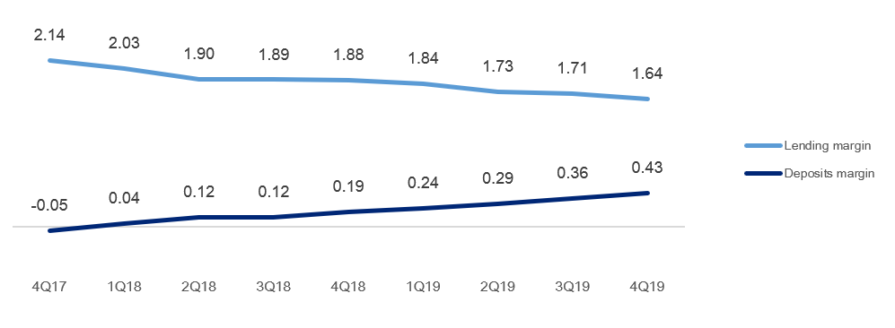
 | 1 | 1

Volume development

Quarterly figures | 4Q19 | 3Q19 | 2Q19 | 1Q19 | 4Q18 | 3Q18 | 2Q18 | 1Q18 | 4Q17

Lending volume | 167.8 | 165.4 | 163.6 | 161.1 | 160.3 | 157.8 | 154.8 | 151.1 | 148.8
Deposits volume | 85.9 | 83.6 | 86.6 | 81.1 | 80.6 | 77.5 | 80.3 | 75.9 | 76.5
Growth in loans last 12 months | 6.3 % | 6.8 % | 5.7 % | 6.6 % | 7.8 % | 7.3 % | 7.6 % | 7.9 % | 8.2 %
Growth in deposits last 12 months | 10.8 % | 4.1 % | 7.7 % | 6.8 % | 5.4 % | 6.1 % | 6.3 % | 8.2 % | 13.9 %

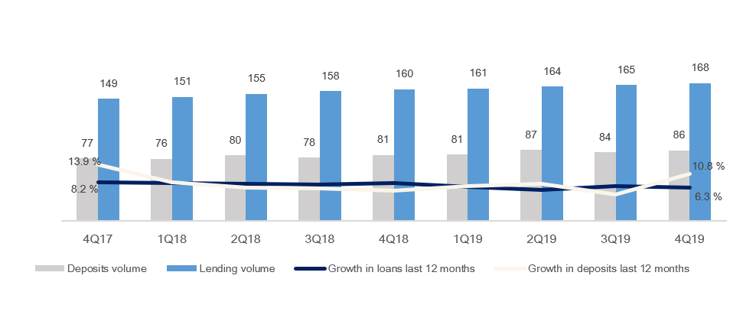

 | 1 | 1 | 1 | 1

1.5_Other income
1.5 Other income

Commision and other income

Quarterly figures [NOK million] | 4Q19 | 3Q19 | 2Q19 | 1Q19 | 4Q18 | 3Q18 | 2Q18 | 1Q18 | 4Q17

Guarantees | 15 | 15 | 15 | 15 | 16 | 19 | 17 | 20 | 19
Commission Boligkreditt (cov. bonds) | 90 | 90 | 86 | 83 | 87 | 77 | 86 | 99 | 100
Commission Næringskreditt (cov. bonds) | 4 | 4 | 4 | 4 | 5 | 4 | 4 | 3 | 4
Commision of savings products | 35 | 28 | 28 | 29 | 30 | 28 | 28 | 27 | 48
Real estate agency | 57 | 65 | 74 | 56 | 48 | 58 | 71 | 49 | 46
Insurance | 47 | 47 | 45 | 44 | 44 | 43 | 44 | 43 | 44
Payment transfers | 106 | 110 | 93 | 85 | 95 | 94 | 89 | 82 | 95
...
Guarantees | 59 | 72 | 80 | 76 | 80
Accounting services | 473 | 411 | 342 | 202 | 182
Other operating income | 435 | 423 | 323 | 234 | 145
Total other operating income | 1,046 | 958 | 783 | 556 | 435
Commision expenses | 193 | 168 | 168 | 133 | 135
Total commision and other income | 2,290 | 2,177 | 2,005 | 1,674 | 1,545
As a percentage of total income | 37% | 41% | 40% | 37% | 40%

Distribution of commision income
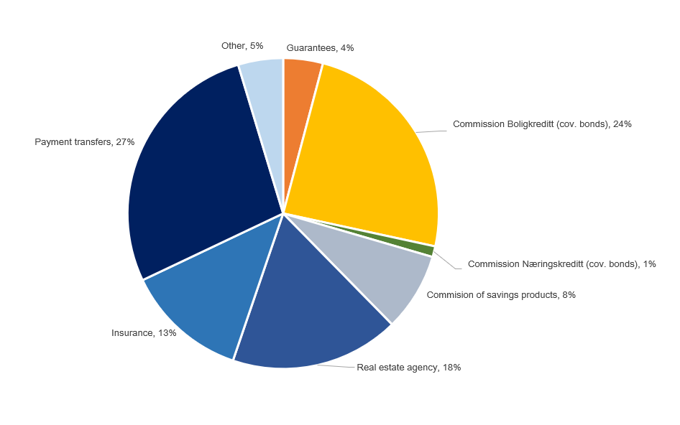
 | 1

Change in commision and other income

Last 12 months [NOK million] | 4Q19 | Change | 4Q18
Commision and other income | 2,290 | 113 | 2,177
Real estate agency |  | 28
Other operating income |  | 12
Operating- and sales income real estate |  | 14
Accounting services |  | 62
...

1.7_Loans
...
Agriculture and forestry | 8,957 | 8,640 | 8,471 | 8,244 | 8,284 | 8,105 | 7,915 | 7,604 | 7,579
Retail customers | 115,036 | 112,772 | 111,128 | 108,738 | 108,131 | 106,631 | 104,114 | 100,436 | 98,697
Gross loans incl. Boligkreditt and Næringskreditt | 167,777 | 165,380 | 163,627 | 161,091 | 160,317 | 157,825 | 154,790 | 151,065 | 148,784
of which Boligkreditt | 39,833 | 39,713 | 40,064 | 39,220 | 38,062 | 37,669 | 37,172 | 36,374 | 34,885
of which Næringskreditt | 1,667 | 1,701 | 1,668 | 1,771 | 1,782 | 2,112 | 1,831 | 1,518 | 1,828
Gross loans in balance sheet | 126,277 | 123,967 | 121,895 | 120,100 | 120,473 | 118,044 | 115,787 | 113,174 | 112,071

Share of volume, corporate market | 31% | 32% | 32% | 32% | 33% | 32% | 33% | 34% | 34%
Share of volume, retail market | 69% | 68% | 68% | 68% | 67% | 68% | 67% | 66% | 66%

Distribution of loans by industry
 | 1

Credit risk classification in SpareBank 1 SMN

 | Probability of default (%) |  | Corresponding rating class
Risk class | Low | High | Moody's

A | 0.01 | 0.10 | AAA - A3
B | 0.10 | 0.25 | Baa1 - Baa2
C | 0.25 | 0.50 | Baa3
D | 0.50 | 0.75 | Ba1
...
A | 42.3 | 23.0 %
C | 44.6 | 24.2 %
D | 13.4 | 7.3 %
E | 11.5 | 6.3 %
F | 9.9 | 5.4 %
G | 5.3 | 2.9 %
H | 3.4 | 1.9 %
I | 2.6 | 1.4 %
J | 0.3 | 0.2 %
K | 2.0 | 1.1 %
Exposure at default, EAD, is the share of the approved credit that is expected to be drawn at the time of any future default at the same time as there is a downturn in the market.
Risk profile, Exposure at default
 | 1

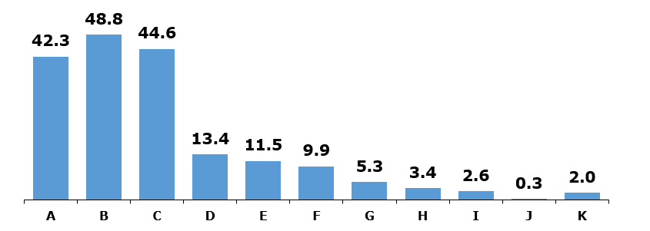

Loans and guarantees by industry

As of |  | Very low | Low | Medium | High | Very high | Default and
31 December 2019 | Total | risk | risk | risk | risk | risk | written down

Personal customers | 113,709 | 95,430 | 11,688 | 4,073 | 947 | 1,237 | 334
Public administration | 511 | 511 | 0 | 0 | 0 | 0 | 0
Agriculture and forestry | 14,199 | 9,048 | 3,233 | 1,213 | 354 | 325 | 25
Fish farming industries | 1,567 | 1,154 | 318 | 85 | 1 | 9 | 0
Manufacturing | 3,233 | 619 | 767 | 1,090 | 243 | 479 | 35
...

1.8_Fund.
...
Funding maturity dates

Next eight quarters [NOK billion] | Q1 20 | Q2 20 | Q3 20 | Q4 20 | Q1 21 | Q2 21 | Q3 21 | Q4 21

Funding maturity | 0.1 | 1.0 | 2.9 | 4.0 | 1.2 | 4.9 | 0.7 | 1.9
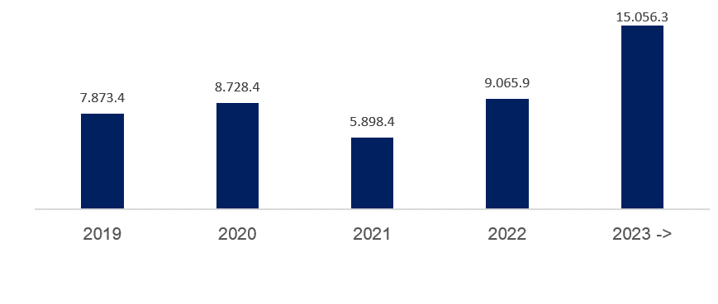
 | 1 | 1

2.2_Retail
...
Post- tax return on equity (annualized)² | 13.1 % | 13.2 % | 16.6 % | 13.8 % | 15.8 %

¹ Includes both direct and distributed expences
² Calculation of capital employed in Retail Banking and Corporate Banking is based on regulatory capital. This capital is grossed up to 15.0 (14.5) percent to be in line with the capital plan.

Margin development

Definition of margin: average customer interest rate minus 3 months nibor
 | 1 | 1

2.3_Corporate
...
Net interest income lending | 715 | 712 | 677 | 649 | 704
 |  |  |  | 0 | 0
Post- tax return on equity (annualized)² | 11.7 % | 11.3 % | 10.5 % | 6.9 % | 12.4 %

¹ Includes both direct and distributed expences
² Calculation of capital employed in Retail Banking and Corporate Banking is based on regulatory capital. This capital is grossed up to 15.0 (14.5) percent to be in line with the capital plan.

Margin development

Definition of margin: average customer interest rate minus 3 months nibor
 | 1 | 1

Appendix
3 Appendix

A1 Business description

 | 1 | 1
SpareBank 1 SMN is the region's leading financial services group and one of six owners of the SpareBank 1 Alliance. Its head office is in Trondheim. SpareBank 1 SMN is a regional independent savings bank with a local footing. Through the SpareBank 1 Alliance and its own subsidiaries, SpareBank 1 SMN has secured access to comnpetitive products in the fields of financing, savings and investment, insurance and payment services. The bank is organised under the following structure:
Financial Group SpareBank 1 SMN
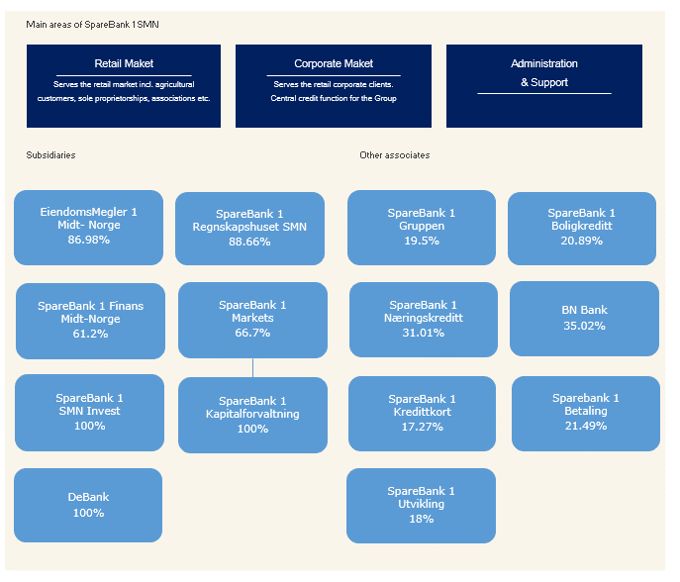
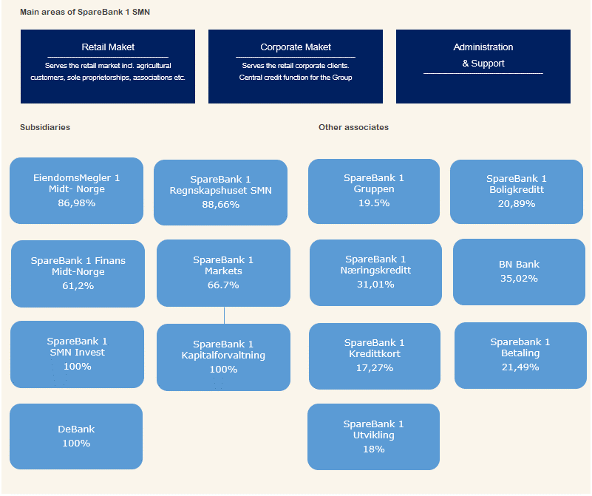
Main areas of SpareBank 1 SMN
Retail Maket
______________________________________________________________________________________________________
Serves the retail market incl. agricultural customers, sole proprietorships, associations etc.
Corporate Maket
_____________________________________________________________________________________________________
Serves the retail corporate clients.
Central credit function for the Group
Administration
& Support
_____________________________________________________________________________________________________

Subsidiaries |  | Other associates

SpareBank 1 Regnskapshuset SMN 88.66%
EiendomsMegler 1 Midt- Norge 86.98%
SpareBank 1 Gruppen 19.5%
SpareBank 1 Boligkreditt 20.89%

SpareBank 1 Finans Midt-Norge 61.2%
SpareBank 1 Markets 66.7%
SpareBank 1 Næringskreditt 31.01%
BN Bank 35.02%

SpareBank 1 SMN Invest 100%
SpareBank 1 Kapitalforvaltning 100%
SpareBank 1 Kredittkort 17.27%
Sparebank 1 Betaling 21.49%

DeBank 100%
SpareBank 1 Utvikling 18%

Organisation of SpareBank 1 SMN

Supervisory Board

Board of Directors

Compliance

Group CEO
Risk Management
Legal Affairs

Retail
Banking
Corporate
Banking
Group Finance
Organisation
& Development
Communication
& Society

Overwiew of governing and control bodies

Supervisory Board
_____________________________________________________________________________________________________

ECC holders
40 %
Depositors
17.5 %
Country Council
17.5 %
Employes
25 %
External Audit
Election Committee
Internal Audit
Board of Directors
_____________________________________________________________________________________________________

CEO

SpareBank 1 Alliance
SpareBank 1 SMN was one of the founding partners of the SpareBank 1 Alliance in 1996. The Alliance consists of closely cooperating saving banks, all of them being independent and locally anchored banks. The purpose of the SpareBank1 Alliance is for members to develop, procure and supply competitive financial services and products and to exploit economies of scale. The Alliance canalize a lot of its mutual interests through SpareBank1 Gruppen AS, a holding company of life and non-life insurance, mutual funds, a broker-dealer and other companies. The Alliance is the 2nd largest Norwegian financial group with wide distribution all over Norway.

Members
SpareBank 1
SMN
SpareBank 1
SR-Bank
SpareBank 1
Nord-Norge
Samspar
SpareBank 1 Østlandet
LO

Products, commisions, dividends |  |  |  | Sales, loan portfolios, capital

SpareBank 1 Alliance companies

BN Bank
SpareBank 1
Boligkreditt
SpareBank 1
Gruppen AS

SpareBank 1
Kredittkort
SpareBank 1
Næringskreditt
Fremtind Forsikring
SpareBank 1
Factoring, Collection

SpareBank 1
Betaling
Sparebank 1 Forsikring
Odin Forvaltning

Banking Cooperation
_____________________________________________________________________________________________________

* LO - The Norwegian Confederation of Trade Unions

A2 20 largest ECC holders

Owner | Number | Ownership in %
State Street Bank and Trust CO (nominee) | 5,596,264 |  | 4.31%
VPF Nordea Norge | 4,911,723 |  | 3.78%
Sparebankstiftelsen SMN | 3,965,391 |  | 3.05%
VPF Odin Norge | 3,442,919 |  | 2.65%
...

