Intro
Contact information
CEO Jan-Frode Janson
For further information, please contact
CFO Kjell Fordal
kjell.fordal@smn.no
+47 905 41 672
Address
SpareBank1 SMN Postboks 4796 Sluppen, 7467 Trondheim
Switchboard +47 915 07 300
Visiting address Søndre gate 4, 7011 Trondheim
Information on the internet
SpareBank1 SMN's homepage www.smn.no
ECC information in general www. egenkapitalbevis.no
Financial Calendar 2021
1st quarter 7 May 2021
2nd quarter 11 August 2021
3rd quarter 29 October 2021
Investor Relations
Supplementary Information

2020
Q4

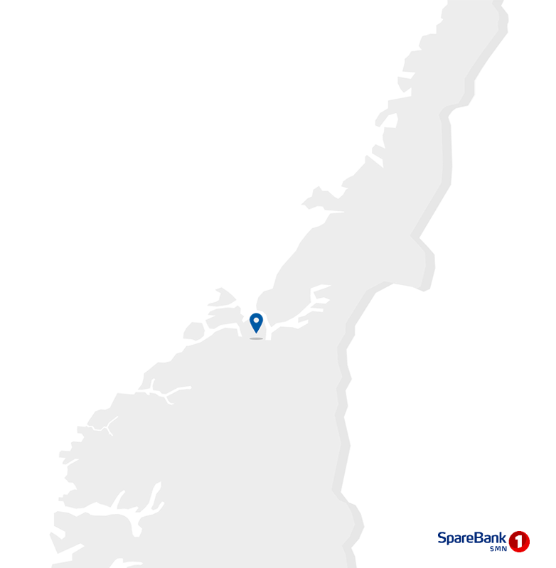

Changes
Events in the quarter

'One SMN' project brought to completion
The project was finalised in December 2020. A number of measures with associated gains will be carried through in 2021.
SpareBank 1 SMN selected as the new main bank for Trondheim Municipality
Trondheim Municipality has opted for SpareBank 1 SMN as its main bank. This is a comprehensive agreement covering the areas of payment solutions, deposits, financing and securities services along with advisory services.
SpareBank 1 Forvaltning
The SpareBank 1 banks are pooling their forces in a joint undertaking focused on savings and investment, and establishing SpareBank 1 Forvaltning. The company will comprise the subsidiaries ODIN Forvaltning, SpareBank 1 Kapitalforvaltning and SpareBank 1 Verdipapirservice.
New managing director at SpareBank1 Finans Midt-Norge
Andreas Eieland (40) has been appointed new managing director at SpareBank 1 Finans Midt-Norge and took up duties at the turn of 2021. He was previously head of sales and marketing at the IT company Powel.

1.1_Highlights
1.1 Financial highlights

January - December 2020 |  |  |  |  |  |  | YTD | 2019

Profit before tax and inv. held for sale |  |  | 2,378 |  | NOK million |  | 3,081
Net profit |  |  | 1,978 |  | NOK million |  | 2,563
Return on equity |  |  | 10.0 |  | per cent |  | 13.7
Annual lending growth |  |  | 9.0 |  | per cent |  | 4.7
Annual deposits growth |  |  | 13.5 |  | per cent |  | 6.6
Loan losses |  |  | 951 |  | NOK million |  | 299
CET1 ratio |  |  | 18.3 |  | per cent |  | 17.2
Earnings per EC |  |  | 8.87 |  | NOK |  | 12.14

Q4 2020 |  |  |  |  |  |  | Q4 | 2019

Profit before tax and inv. held for sale |  |  | 554 |  | NOK million |  | 469
Net profit |  |  | 450 |  | NOK million |  | 346
Return on equity |  |  | 8.9 |  | per cent |  | 7.1
Loan losses |  |  | 242 |  | NOK million |  | 103
Earnings per EC |  |  | 1.99 |  | NOK |  | 1.60

 | 1 | 1

Main figures

Quarterly figures [NOK million] | 4Q20 | 3Q20 | 2Q20 | 1Q20 | 4Q19 | 3Q19 | 2Q19 | 1Q19 | 4Q18

Net interest | 688 | 695 | 666 | 710 | 697 | 678 | 664 | 649 | 644
Commission income and other income | 757 | 638 | 607 | 570 | 579 | 554 | 606 | 551 | 543
Net return on financial investments | 197 | 205 | 448 | 101 | 17 | 121 | 336 | 727 | 95
Total income | 1,642 | 1,538 | 1,721 | 1,381 | 1,292 | 1,353 | 1,607 | 1,926 | 1,282
Total operating expenses | 845 | 685 | 706 | 716 | 720 | 673 | 701 | 704 | 701
Result before losses | 797 | 853 | 1,015 | 665 | 572 | 680 | 907 | 1,223 | 580
Loss on loans, guarantees etc. | 242 | 231 | 170 | 308 | 103 | 71 | 59 | 67 | 67
Result before tax | 554 | 621 | 845 | 357 | 469 | 609 | 848 | 1,155 | 513
Tax charge | 104 | 102 | 126 | 67 | 123 | 121 | 165 | 109 | 104
Results investments held for sale, after tax | 0 | 0 | 0 | 0 | 0 | 0 | 0 | 0 | -8
Net profit | 450 | 519 | 719 | 290 | 346 | 488 | 683 | 1,046 | 401

Five years [NOK million] | YTD 20 | 2019 | 2018 | 2017 | 2016

Net interest | 2,759 | 2,687 | 2,403 | 2,225 | 1,929
Commission income and other income | 2,572 | 2,290 | 2,177 | 2,005 | 1,674
Net return on financial investments | 951 | 1,201 | 757 | 760 | 944
Total income | 6,281 | 6,178 | 5,337 | 4,989 | 4,547
Total operating expenses | 2,952 | 2,797 | 2,624 | 2,369 | 2,003
Result before losses | 3,329 | 3,380 | 2,713 | 2,621 | 2,544
Loss on loans, guarantees etc. | 951 | 299 | 263 | 341 | 516
Result before tax | 2,378 | 3,081 | 2,450 | 2,279 | 2,029
Tax charge | 400 | 518 | 509 | 450 | 352
Results investments held for sale, after tax | 1 | 0 | 149 | -1 | 4
Net profit | 1,978 | 2,563 | 2,090 | 1,828 | 1,681

Balance sheet - condensed

 | 31 Dec | 30 Sep | 30 Jun | 31 Mar | 31 Dec | 30 Sep | 30 Jun | 31 Mar | 31 Dec
Quarterly figures [NOK million] | 2020 | 2020 | 2020 | 2020 | 2019 | 2019 | 2019 | 2019 | 2018

Total assets | 187,912 | 186,900 | 190,484 | 185,182 | 166,662 | 166,475 | 167,289 | 164,641 | 160,704
Average total assets (quarterly) | 187,406 | 188,692 | 187,833 | 175,922 | 166,569 | 166,882 | 165,965 | 162,673 | 160,021

Gross loans to customers ¹ | 182,801 | 179,423 | 175,100 | 170,771 | 167,777 | 165,380 | 163,627 | 161,091 | 160,317
Deposits from customers | 97,529 | 95,391 | 94,289 | 88,152 | 85,917 | 83,641 | 86,553 | 81,111 | 80,615

Total equity capital | 21,310 | 20,829 | 20,320 | 19,600 | 20,420 | 19,904 | 19,450 | 18,673 | 18,686
¹ Loans to customers includes loans sold to SpareBank1 Boligkreditt and SpareBank1 Næringskreditt.

Five years [NOK million] | YTD 20 | 2019 | 2018 | 2017 | 2016

Total assets | 187,912 | 166,662 | 160,704 | 153,254 | 138,080
Average total assets | 183,428 | 165,154 | 160,021 | 150,083 | 138,948

Gross loans to customers ¹ | 182,801 | 167,777 | 160,317 | 148,784 | 137,535
Deposits from customers | 97,529 | 85,917 | 80,615 | 76,476 | 67,168

Total equity capital | 21,310 | 20,420 | 18,686 | 17,510 | 16,253

Equity capital certificate (MING)

Quarterly figures | 4Q20 | 3Q20 | 2Q20 | 1Q20 | 4Q19 | 3Q19 | 2Q19 | 1Q19 | 4Q18

ECC price | 97.60 | 84.30 | 78.30 | 67.60 | 100.20 | 98.50 | 97.70 | 87.40 | 84.20
Number of certificates issued, millions | 129.39 | 129.44 | 129.39 | 129.22 | 129.30 | 129.48 | 129.66 | 129.41 | 129.62
Booked equity capital per ECC (incl. dividend) | 94.71 | 92.73 | 90.37 | 86.85 | 90.75 | 89.36 | 87.04 | 83.86 | 83.87
Adjusted profit per ECC | 1.99 | 2.35 | 3.27 | 1.26 | 1.60 | 2.30 | 3.21 | 5.02 | 1.90
P/E per ECC (annualised) | 12.28 | 8.96 | 5.98 | 13.46 | 15.67 | 10.69 | 7.61 | 4.35 | 11.05
P/B equity capital | 1.03 | 0.91 | 0.87 | 0.78 | 1.10 | 1.10 | 1.12 | 1.04 | 1.00

Five years | YTD 20 | 2019 | 2018 | 2017 | 2016

ECC price | 97.60 | 100.20 | 84.20 | 82.25 | 64.75
Number of certificates issued, millions | 129.39 | 129.30 | 129.62 | 129.38 | 129.64
Booked equity capital per ECC (incl. dividend) | 94.71 | 90.75 | 83.87 | 78.81 | 73.35
Adjusted profit per ECC | 8.87 | 12.14 | 9.97 | 8.71 | 7.93
P/E per ECC (annualised) | 11.01 | 8.26 | 8.44 | 9.44 | 8.17
P/B equity capital | 1.03 | 1.10 | 1.00 | 1.04 | 0.88

1.4_Net interest
1.4 Net interest income

Net interest income

Quarterly figures [NOK million] | 4Q20 | 3Q20 | 2Q20 | 1Q20 | 4Q19 | 3Q19 | 2Q19 | 1Q19 | 4Q18

Interest income | 945 | 971 | 1,031 | 1,250 | 1,235 | 1,190 | 1,127 | 1,075 | 1,082
Interest expenses | 258 | 276 | 365 | 540 | 538 | 512 | 463 | 426 | 438
Net interest income | 688 | 695 | 666 | 710 | 697 | 678 | 664 | 649 | 644
As a percentage of total income | 42% | 45% | 39% | 51% | 54% | 50% | 41% | 34% | 50%
Margins on loans sold to Sparebank 1 Boligkreditt and Sparebank 1 Næringskreditt are recorded as commision income. See part 1.5 Other income

Five years [NOK million] | YTD 20 | 2019 | 2018 | 2017 | 2016

Interest income | 4,197 | 4,626 | 4,057 | 3,825 | 3,597
Interest expenses | 1,439 | 1,939 | 1,655 | 1,600 | 1,668
Net interest income | 2,759 | 2,687 | 2,403 | 2,225 | 1,929
As a percentage of total income | 44% | 43% | 45% | 45% | 42%

Change in interest income from lending and deposits

Last 12 months [NOK million] | Volume | Margin | Total

Lending | 133 | 341 | 475
Deposits | 29 | -390 | -361
Total | 162 | -49 | 113

Change in net interest income

Last 12 months [NOK million] | 4Q20 | Change | 4Q19
Net interest income | 2,759 | 72 | 2,687
Lending volume |  | 133
Lending margin |  | 341
Fees on lending |  | 2
Deposit volume |  | 29
Deposit margin |  | -390
Subsidiaries |  | 68
Equity capital |  | -124
Funding and liquidity buffer |  | 13

Margin development

Definition of margin: average customer interest rate minus 3 months nibor
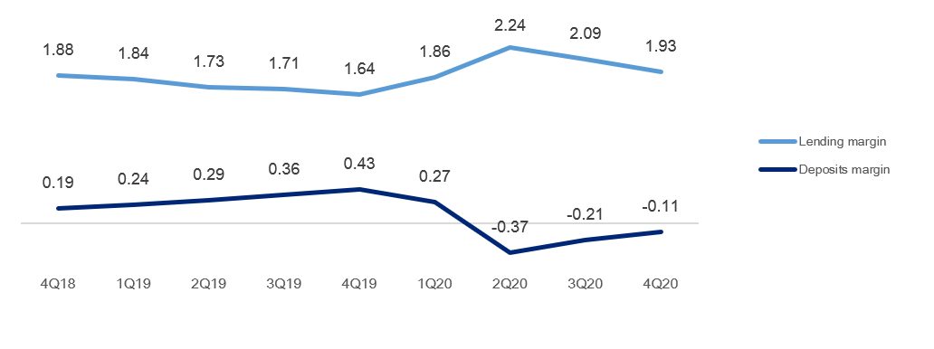

Volume development

Quarterly figures | 4Q20 | 3Q20 | 2Q20 | 1Q20 | 4Q19 | 3Q19 | 2Q19 | 1Q19 | 4Q18

Lending volume | 182.8 | 179.4 | 175.1 | 170.8 | 167.8 | 165.4 | 163.6 | 161.1 | 160.3
Deposits volume | 97.5 | 95.4 | 94.3 | 88.2 | 85.9 | 83.6 | 86.6 | 81.1 | 80.6
Growth in loans last 12 months | 9.0 % | 8.5 % | 7.0 % | 6.0 % | 6.3 % | 6.8 % | 5.7 % | 6.6 % | 7.8 %
Growth in deposits last 12 months | 13.5 % | 14.0 % | 8.9 % | 8.7 % | 10.8 % | 4.1 % | 7.7 % | 6.8 % | 5.4 %

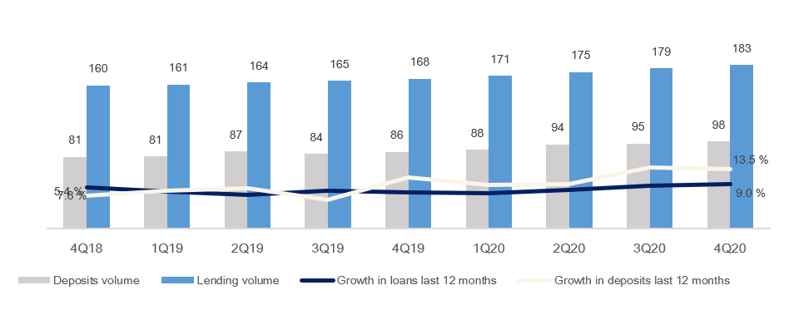

1.5_Other income
1.5 Other income

Commision and other income

Quarterly figures [NOK million] | 4Q20 | 3Q20 | 2Q20 | 1Q20 | 4Q19 | 3Q19 | 2Q19 | 1Q19 | 4Q18

Guarantees | 10 | 16 | 16 | 16 | 15 | 15 | 15 | 15 | 16
Commission Boligkreditt (cov. bonds) | 136 | 128 | 57 | 88 | 90 | 90 | 86 | 83 | 87
Commission Næringskreditt (cov. bonds) | 4 | 4 | 2 | 4 | 4 | 4 | 4 | 4 | 5
Commision of savings products | 37 | 30 | 31 | 25 | 35 | 28 | 28 | 29 | 30
Real estate agency | 61 | 72 | 66 | 52 | 57 | 65 | 74 | 56 | 48
Insurance | 51 | 49 | 48 | 47 | 47 | 47 | 45 | 44 | 44
Payment transfers | 101 | 97 | 90 | 102 | 106 | 110 | 93 | 85 | 95
...
Guarantees | 58 | 59 | 72 | 80 | 76
Accounting services | 506 | 473 | 411 | 342 | 202
Other operating income | 622 | 435 | 423 | 323 | 234
Total other operating income | 1,269 | 1,046 | 958 | 783 | 556
Commision expenses | 207 | 193 | 168 | 168 | 133
Total commision and other income | 2,572 | 2,290 | 2,177 | 2,005 | 1,674
As a percentage of total income | 41% | 37% | 41% | 40% | 37%

Distribution of commision income
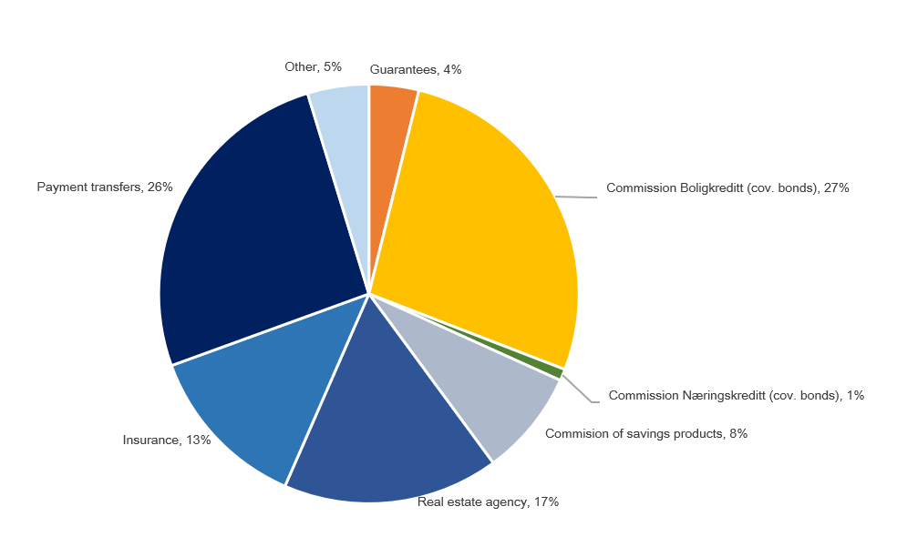
 | 1

Change in commision and other income

Last 12 months [NOK million] | 4Q20 | Change | 4Q19
Commision and other income | 2,572 | 283 | 2,290
Real estate agency |  | -1
Other operating income |  | 187
Operating- and sales income real estate |  | 3
Accounting services |  | 33
...

1.7_Loans
...
Agriculture and forestry | 9,591 | 9,442 | 9,220 | 9,014 | 8,947 | 8,640 | 8,471 | 8,244 | 8,284
Retail customers | 124,461 | 122,529 | 119,861 | 117,004 | 115,036 | 112,772 | 111,128 | 108,738 | 108,131
Gross loans incl. Boligkreditt and Næringskreditt | 182,801 | 179,423 | 175,100 | 170,771 | 167,777 | 165,380 | 163,627 | 161,091 | 160,317
of which Boligkreditt | 46,613 | 44,160 | 43,073 | 41,972 | 39,833 | 39,713 | 40,064 | 39,220 | 38,062
of which Næringskreditt | 1,540 | 1,622 | 1,400 | 1,526 | 1,667 | 1,701 | 1,668 | 1,771 | 1,782
Gross loans in balance sheet | 134,648 | 133,640 | 130,627 | 127,272 | 126,277 | 123,967 | 121,895 | 120,100 | 120,473

Share of volume, corporate market | 32% | 32% | 32% | 31% | 31% | 32% | 32% | 32% | 33%
Share of volume, retail market | 68% | 68% | 68% | 69% | 69% | 68% | 68% | 68% | 67%

Distribution of loans by industry
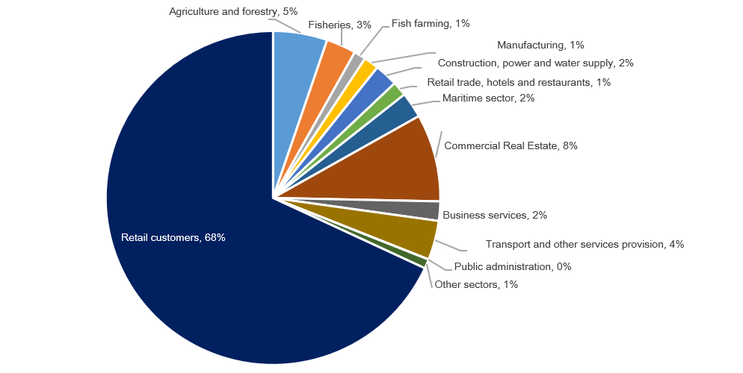

Credit risk classification in SpareBank 1 SMN

 | Probability of default (%) |  | Corresponding rating class
Risk class | Low | High | Moody's

A | 0.01 | 0.10 | AAA - A3
B | 0.10 | 0.25 | Baa1 - Baa2
C | 0.25 | 0.50 | Baa3
D | 0.50 | 0.75 | Ba1
...
A | 45.1 | 22.6 %
C | 48.2 | 24.2 %
D | 16.5 | 8.2 %
E | 12.7 | 6.4 %
F | 10.7 | 5.3 %
G | 5.9 | 3.0 %
H | 2.9 | 1.5 %
I | 1.9 | 1.0 %
J | 0.4 | 0.2 %
K | 1.7 | 0.9 %
Exposure at default, EAD, is the share of the approved credit that is expected to be drawn at the time of any future default at the same time as there is a downturn in the market.
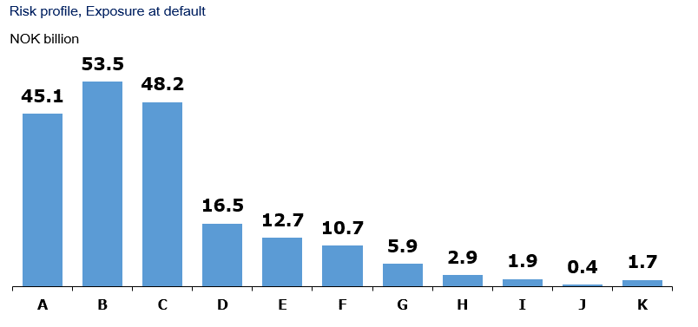

Loans and guarantees by industry

As of |  | Very low | Low | Medium | High | Very high | Default and
31 December 2020 | Total | risk | risk | risk | risk | risk | written down

Personal customers | 122,755 | 105,749 | 11,602 | 3,297 | 833 | 933 | 340
Public administration | 420 | 420 | 0 | 0 | 0 | 0 | 0
Agriculture and forestry | 15,920 | 8,694 | 4,915 | 1,408 | 498 | 379 | 26
Fish farming industries | 3,384 | 1,095 | 2,146 | 82 | 53 | 1 | 8
...

1.8_Fund.
...
Funding maturity dates

[NOK billion] | 2021 | 2022 | 2023 | 2024 | 2025 ->

Funding maturity | 6.9 | 7.2 | 9.4 | 4.6 | 18.9

Next eight quarters [NOK billion] | Q121 | Q221 | Q321 | Q421 | Q122 | Q222 | Q322 | Q422

Funding maturity | 0.7 | 4.4 | 0.6 | 1.2 | 5.7 | 0.0 | 1.1 | 0.4
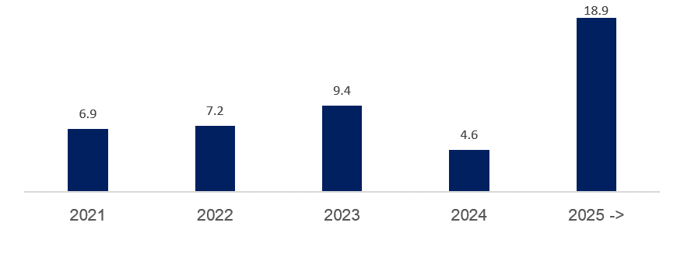

2.2_Retail
...
Post- tax return on equity (annualized)² | 13.4 % | 13.1 % | 13.2 % | 16.6 % | 13.8 %

¹ Includes both direct and distributed expences
² Calculation of capital employed in Retail Banking and Corporate Banking is based on regulatory capital. This capital is grossed up to 15.4 percent to be in line with the capital plan.

Margin development

Definition of margin: average customer interest rate minus 3 months nibor
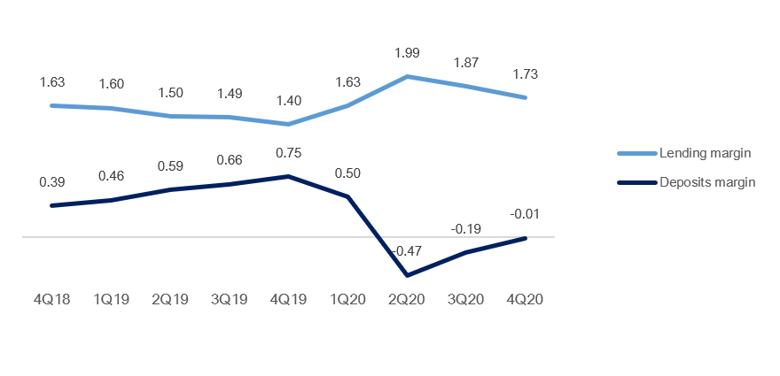

2.3_Corporate
...
Net interest income lending | 769 | 715 | 712 | 677 | 649
 |  |  |  |  | 0
Post- tax return on equity (annualized)² | 2.1 % | 11.7 % | 11.3 % | 10.5 % | 6.9 %

¹ Includes both direct and distributed expences
² Calculation of capital employed in Retail Banking and Corporate Banking is based on regulatory capital. This capital is grossed up to 15.4 percent to be in line with the capital plan.

Margin development

Definition of margin: average customer interest rate minus 3 months nibor
 | 1 | 1

Appendix
3 Appendix

A1 Business description

 | 1 | 1
SpareBank 1 SMN is the region's leading financial services group and one of six owners of the SpareBank 1 Alliance. Its head office is in Trondheim. SpareBank 1 SMN is a regional independent savings bank with a local footing. Through the SpareBank 1 Alliance and its own subsidiaries, SpareBank 1 SMN has secured access to comnpetitive products in the fields of financing, savings and investment, insurance and payment services. The bank is organised under the following structure:
Financial Group SpareBank 1 SMN

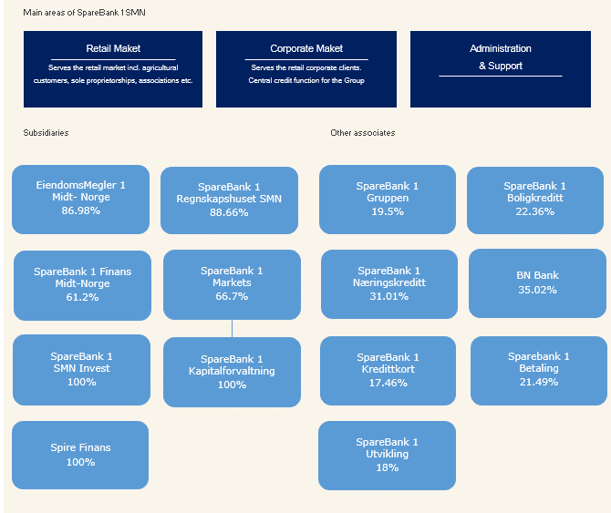
Main areas of SpareBank 1 SMN

Organisation of SpareBank 1 SMN

Supervisory Board

Board of Directors

Communication and Society

Group CEO
Risk Management
Technology and Development

Retail
Banking
Corporate
Banking
EiendomsMegler 1 Midt-Norge
SpareBank 1 Regnskapshuset SMN
Group Finance and Governance

Overwiew of governing and control bodies

Supervisory Board
_____________________________________________________________________________________________________

ECC holders
40 %
Depositors
17.5 %
Country Council
17.5 %
Employes
25 %
External Audit
Election Committee
Internal Audit
Board of Directors
_____________________________________________________________________________________________________

CEO

SpareBank 1 Alliance
SpareBank 1 SMN was one of the founding partners of the SpareBank 1 Alliance in 1996. The Alliance consists of closely cooperating saving banks, all of them being independent and locally anchored banks. The purpose of the SpareBank1 Alliance is for members to develop, procure and supply competitive financial services and products and to exploit economies of scale. The Alliance canalize a lot of its mutual interests through SpareBank1 Gruppen AS, a holding company of life and non-life insurance, mutual funds, a broker-dealer and other companies. The Alliance is the 2nd largest Norwegian financial group with wide distribution all over Norway.

Members
SpareBank 1
SMN
SpareBank 1
SR-Bank
SpareBank 1
Nord-Norge
Samspar
SpareBank 1 Østlandet
LO

Products, commisions, dividends |  |  |  | Sales, loan portfolios, capital

SpareBank 1 Alliance companies

BN Bank
SpareBank 1
Boligkreditt
SpareBank 1
Gruppen AS

SpareBank 1
Kredittkort
SpareBank 1
Næringskreditt
Fremtind Forsikring
SpareBank 1
Factoring, Collection

SpareBank 1
Betaling
Sparebank 1 Forsikring
Odin Forvaltning

Banking Cooperation
_____________________________________________________________________________________________________

* LO - The Norwegian Confederation of Trade Unions

A2 20 largest ECC holders

Owner | Number | Ownership in %
VPF Nordea Norge | 4,292,153 |  | 3.31%
State Street Bank and Trust Comp | 4,277,667 |  | 3.29%
Sparebankstiftelsen SMN | 3,965,391 |  | 3.05%
VPF Odin Norge | 3,342,919 |  | 2.57%
...

