Intro

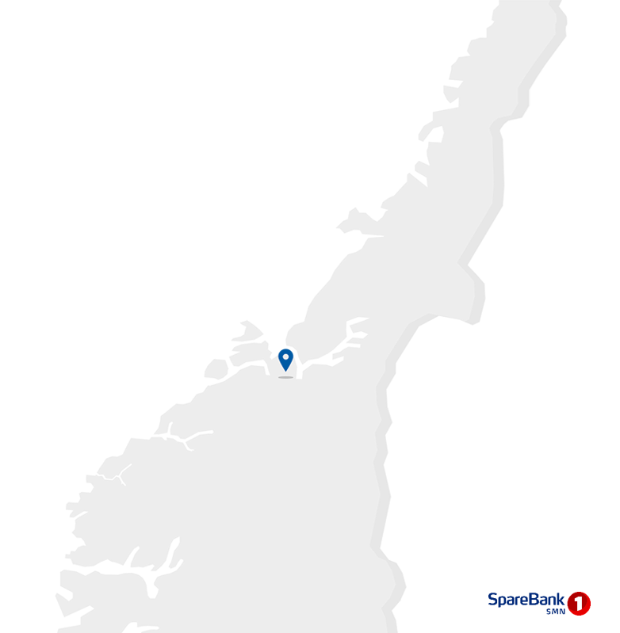
Contact information
CEO Jan-Frode Janson
For further information, please contact
CFO Trond Søraas
trond.soraas@smn.no
+47 922 36 803
Address
SpareBank1 SMN Postboks 4796 Sluppen, 7467 Trondheim
Switchboard +47 915 07 300
Visiting address Søndre gate 4, 7011 Trondheim
Information on the internet
SpareBank1 SMN's homepage www.smn.no
ECC information in general www.egenkapitalbevis.no
Financial Calendar 2023
2nd quarter 10 August 2022
3rd quarter 27 October 2023
Investor Relations
Supplementary Information

2023
Q1

Changes
Major changes from Q4 2022

Embezzlement case
On 19 January SpareBank 1 SMN reported a hired replacement employee to the police for gross embezzlement. The matter was brought to light by the bank's own controll systems. The amount taken out of the bank was NOK 66m. NOK 15m was returned to the bank from the police after being placed in safekeeping. SpareBank 1 SMN has insurance cover against economic crime, including embezzlement. The claim against the insurer is a contigent asset under IAS 37 which is not recognised as income since the standard requires an absence of all uncertainty as to the claim settlement before recognition can take place. The insurance policy carries a deductible of NOK 5m.
Merger with SpareBank 1 Søre Sunnmøre
Over the course of the first quater the banks carried out a comprehensive merger project, and a successful legal merger was completed on 2 May. SpareBank 1 Søre Sunnmøre is now part of SpareBank 1 SMN, and work on achieving business gains of the merger is under way.

1.1_Highlights
1.1 Financial highlights

January - March 2023 |  |  |  |  |  |  | YTD | 2022

Profit before tax and inv. held for sale |  |  | 946 |  | NOK million |  | 827
Net profit |  |  | 778 |  | NOK million |  | 698
Return on equity |  |  | 13.0 |  | per cent |  | 12.6
Annual lending growth |  |  | 7.0 |  | per cent |  | 7.9
Annual deposits growth |  |  | 8.3 |  | per cent |  | 11.4
Loan losses |  |  | -71 |  | NOK million |  | -0
CET1 ratio |  |  | 18.2 |  | per cent |  | 18.3
Earnings per EC |  |  | 3.51 |  | NOK |  | 3.20

Q1 2023 |  |  |  |  |  |  | Q1 | 2022

Profit before tax and inv. held for sale |  |  | 946 |  | NOK million |  | 827
Net profit |  |  | 778 |  | NOK million |  | 698
Return on equity |  |  | 13.0 |  | per cent |  | 12.6
Loan losses |  |  | -71 |  | NOK million |  | -0
Earnings per EC |  |  | 3.51 |  | NOK |  | 3.20

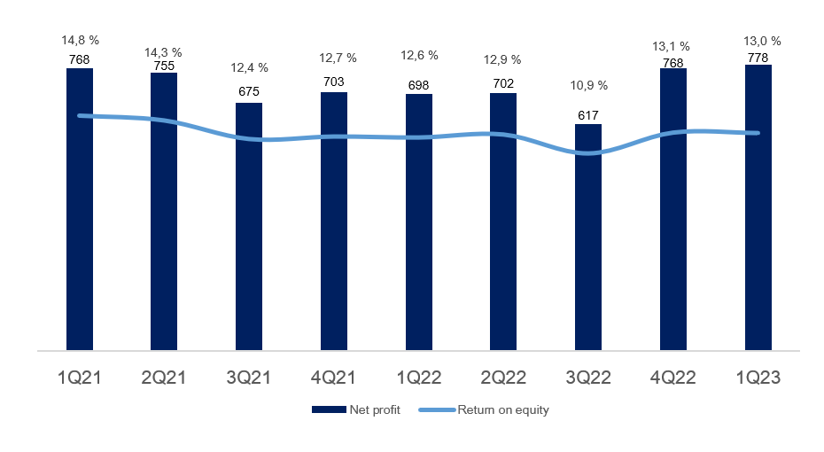

Main figures

Quarterly figures [NOK million] | 1Q23 | 4Q22 | 3Q22 | 2Q22 | 1Q22 | 4Q21 | 3Q21 | 2Q21 | 1Q21

Net interest | 1,035 | 961 | 814 | 803 | 759 | 725 | 709 | 701 | 671
Commission income and other income | 541 | 473 | 491 | 555 | 522 | 521 | 521 | 572 | 526
Net return on financial investments | 28 | 163 | 86 | -43 | 175 | 168 | 217 | 230 | 224
Total income | 1,604 | 1,597 | 1,391 | 1,316 | 1,456 | 1,414 | 1,447 | 1,503 | 1,422
Total operating expenses | 728 | 646 | 583 | 585 | 629 | 609 | 586 | 579 | 586
Result before losses | 875 | 951 | 808 | 731 | 827 | 805 | 861 | 924 | 836
Loss on loans, guarantees etc. | -71 | 19 | 22 | -48 | 0 | 32 | 31 | 39 | 59
Result before tax | 946 | 932 | 785 | 779 | 827 | 773 | 830 | 885 | 777
Tax charge | 206 | 210 | 179 | 164 | 166 | 103 | 174 | 156 | 131
Results investments held for sale, after tax | 38 | 46 | 10 | 87 | 37 | 33 | 19 | 26 | 122
Net profit | 778 | 768 | 617 | 702 | 698 | 703 | 675 | 755 | 768

Five years [NOK million] | YTD 23 | 2022 | 2021 | 2020 | 2019

Net interest | 1,035 | 3,339 | 2,805 | 2,759 | 2,687
Commission income and other income | 541 | 2,042 | 2,141 | 2,516 | 2,290
Net return on financial investments | 28 | 380 | 840 | 951 | 1,201
Total income | 1,604 | 5,760 | 5,786 | 6,225 | 6,178
Total operating expenses | 728 | 2,443 | 2,360 | 2,904 | 2,797
Result before losses | 875 | 3,317 | 3,426 | 3,321 | 3,380
Loss on loans, guarantees etc. | -71 | -7 | 161 | 951 | 299
Result before tax | 946 | 3,324 | 3,266 | 2,370 | 3,081
Tax charge | 206 | 718 | 563 | 400 | 518
Results investments held for sale, after tax | 38 | 179 | 200 | 9 | 0
Net profit | 778 | 2,785 | 2,902 | 1,978 | 2,563

Balance sheet - condensed

 | 31 Mar | 31 Dec | 30 Sep | 30 Jun | 31 Mar | 31 Dec | 30 Sep | 30 Jun | 31 Mar
Quarterly figures [NOK million] | 2023 | 2022 | 2022 | 2022 | 2022 | 2021 | 2021 | 2021 | 2021

Total assets | 228,207 | 223,110 | 218,918 | 217,458 | 207,027 | 198,845 | 200,124 | 200,426 | 193,822
Average total assets (quarterly) | 225,759 | 221,115 | 218,188 | 212,243 | 202,936 | 199,492 | 200,275 | 197,124 | 190,867

Gross loans to customers ¹ | 213,967 | 211,244 | 208,900 | 205,504 | 199,965 | 195,353 | 191,976 | 189,015 | 185,342
Deposits from customers | 123,529 | 122,010 | 120,558 | 123,812 | 114,053 | 111,286 | 109,691 | 110,133 | 102,390

Total equity capital | 24,092 | 24,807 | 23,863 | 22,993 | 22,439 | 23,241 | 23,077 | 22,382 | 21,734
¹ Loans to customers includes loans sold to SpareBank1 Boligkreditt and SpareBank1 Næringskreditt.

Five years [NOK million] | YTD 23 | 2022 | 2021 | 2020 | 2019

Total assets | 228,207 | 223,110 | 198,845 | 187,912 | 166,662
Average total assets | 225,759 | 196,226 | 196,229 | 183,428 | 165,154

Gross loans to customers ¹ | 213,967 | 211,244 | 195,353 | 182,801 | 167,777
Deposits from customers | 123,529 | 122,010 | 111,286 | 97,529 | 85,917

Total equity capital | 24,092 | 24,807 | 23,241 | 21,310 | 20,420
¹ Loans to customers includes loans sold to SpareBank1 Boligkreditt and SpareBank1 Næringskreditt.

Equity capital certificate (MING)

Quarterly figures | 1Q23 | 4Q22 | 3Q22 | 2Q22 | 1Q22 | 4Q21 | 3Q21 | 2Q21 | 1Q21

ECC price | 123.60 | 127.40 | 111.40 | 115.80 | 141.20 | 149.00 | 129.80 | 119.20 | 107.40
Number of certificates issued, millions | 129.43 | 129.29 | 129.29 | 129.31 | 129.39 | 129.39 | 129.39 | 129.36 | 129.22
Booked equity capital per ECC (incl. dividend) | 105.63 | 109.86 | 107.19 | 102.91 | 99.55 | 103.48 | 103.57 | 100.18 | 96.70
Adjusted profit per ECC | 3.51 | 3.53 | 2.89 | 3.20 | 3.20 | 3.20 | 3.22 | 3.51 | 3.40
P/E per ECC (annualised) | 8.79 | 9.02 | 9.62 | 9.06 | 11.05 | 11.65 | 10.09 | 8.50 | 7.91
P/B equity capital | 1.17 | 1.16 | 1.04 | 1.13 | 1.42 | 1.44 | 1.25 | 1.19 | 1.11

Five years | YTD 23 | 2022 | 2021 | 2020 | 2019

ECC price | 123.60 | 127.40 | 149.00 | 97.60 | 100.20
Number of certificates issued, millions | 129.43 | 129.29 | 129.39 | 129.39 | 129.30
Booked equity capital per ECC (incl. dividend) | 105.63 | 109.86 | 103.48 | 94.71 | 90.75
Adjusted profit per ECC | 3.51 | 12.82 | 13.31 | 8.87 | 12.14
P/E per ECC (annualised) | 8.79 | 9.94 | 11.19 | 11.01 | 8.26
P/B equity capital | 1.17 | 1.16 | 1.44 | 1.03 | 1.10

1.4_Net interest
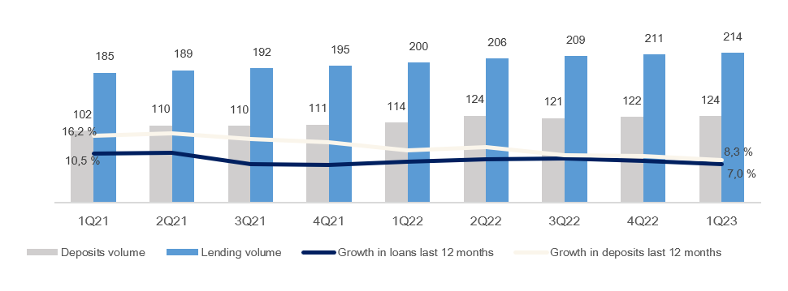
1.4 Net interest income

Net interest income

Quarterly figures [NOK million] | 1Q23 | 4Q22 | 3Q22 | 2Q22 | 1Q22 | 4Q21 | 3Q21 | 2Q21 | 1Q21

Interest income | 2,367 | 2,136 | 1,605 | 1,346 | 1,227 | 1,107 | 1,026 | 1,025 | 1,012
Interest expenses | 1,332 | 1,175 | 791 | 543 | 468 | 382 | 318 | 325 | 341
Net interest income | 1,035 | 961 | 814 | 803 | 759 | 725 | 709 | 701 | 671
As a percentage of total income | 65% | 60% | 59% | 61% | 52% | 51% | 49% | 47% | 47%
Margins on loans sold to Sparebank 1 Boligkreditt and Sparebank 1 Næringskreditt are recorded as commision income. See part 1.5 Other income

Five years [NOK million] | YTD 23 | 2022 | 2021 | 2020 | 2019

Interest income | 2,367 | 6,315 | 4,171 | 4,197 | 4,626
Interest expenses | 1,332 | 2,977 | 1,365 | 1,439 | 1,939
Net interest income | 1,035 | 3,339 | 2,805 | 2,759 | 2,687
As a percentage of total income | 65% | 58% | 48% | 44% | 43%

Change in interest income from lending and deposits

Last 12 months [NOK million] | Volume | Margin | Total

Lending | 10 | 17 | 28
Deposits | 8 | 205 | 212
Total | 18 | 222 | 240

Change in net interest income

Last 12 months [NOK million] | 1Q23 | Change | 1Q22
Net interest income | 1,035 | 275 | 759
Lending volume |  | 10
Lending margin |  | 17
Fees on lending |  | -8
Deposit volume |  | 8
Deposit margin |  | 205
Subsidiaries |  | 8
Equity capital |  | 71
Funding and liquidity buffer |  | -37

Margin development

Definition of margin: average customer interest rate minus 3 months nibor
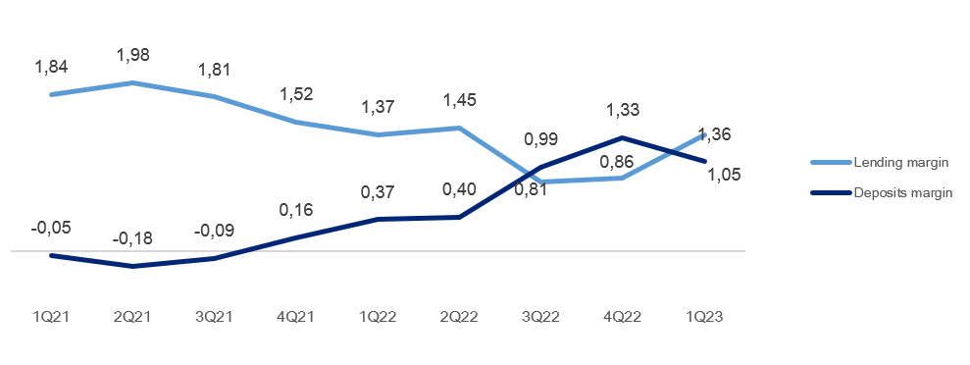

Volume development

Quarterly figures | 1Q23 | 4Q22 | 3Q22 | 2Q22 | 1Q22 | 4Q21 | 3Q21 | 2Q21 | 1Q21

Lending volume | 214.0 | 211.2 | 208.9 | 205.5 | 200.0 | 195.4 | 192.0 | 189.0 | 185.3
Deposits volume | 123.5 | 122.0 | 120.6 | 123.8 | 114.1 | 111.3 | 109.7 | 110.1 | 102.4
Growth in loans last 12 months | 7.0 % | 8.1 % | 8.8 % | 8.7 % | 7.9 % | 6.9 % | 7.0 % | 10.7 % | 10.5 %
Growth in deposits last 12 months | 8.3 % | 9.6 % | 9.9 % | 12.4 % | 11.4 % | 14.1 % | 15.0 % | 16.8 % | 16.2 %

1.5_Other income
1.5 Other income

Commision and other income

Quarterly figures [NOK million] | 1Q23 | 4Q22 | 3Q22 | 2Q22 | 1Q22 | 4Q21 | 3Q21 | 2Q21 | 1Q21

Guarantees | 18 | 27 | 19 | 12 | 20 | 25 | 17 | 16 | 18
Commission Boligkreditt (cov. bonds) | 57 | 32 | 63 | 77 | 84 | 102 | 123 | 113 | 112
Commission Næringskreditt (cov. bonds) | 3 | 4 | 4 | 4 | 4 | 3 | 3 | 4 | 4
Commision of savings products | 11 | 12 | 11 | 11 | 10 | 14 | 18 | 16 | 15
Real estate agency | 64 | 62 | 66 | 78 | 61 | 70 | 69 | 85 | 67
Insurance | 61 | 60 | 60 | 59 | 57 | 55 | 54 | 53 | 52
Payment transfers | 112 | 128 | 128 | 112 | 102 | 118 | 106 | 94 | 91
Other | 16 | 15 | 20 | 25 | 19 | 17 | 17 | 20 | 15
Total commisions income | 341 | 340 | 370 | 378 | 358 | 405 | 407 | 401 | 374
Operating- and sales income real estate | 42 | 32 | 39 | 46 | 33 | 30 | 38 | 46 | 36
Accounting services | 188 | 127 | 115 | 167 | 156 | 114 | 114 | 154 | 148
Other operating income | 19 | 19 | 19 | 9 | 17 | 20 | 10 | 14 | 9
Total other operating income | 249 | 178 | 173 | 223 | 206 | 163 | 162 | 213 | 193
Commision expenses | 50 | 45 | 52 | 46 | 42 | 47 | 47 | 41 | 41
Total commision and other income | 541 | 473 | 491 | 555 | 522 | 521 | 521 | 572 | 526
As a percentage of total income | 34% | 30% | 35% | 42% | 36% | 37% | 36% | 38% | 37%

Five years [NOK million] | YTD 23 | 2022 | 2021 | 2020 | 2019

Guarantees | 18 | 77 | 76 | 58 | 59
Commission Boligkreditt (cov. bonds) | 57 | 256 | 450 | 408 | 349
Commission Næringskreditt (cov. bonds) | 3 | 16 | 14 | 13 | 16
Commision of savings products | 11 | 44 | 63 | 56 | 117
Real estate agency | 64 | 267 | 291 | 251 | 252
Insurance | 61 | 236 | 214 | 195 | 183
Payment transfers | 112 | 471 | 409 | 390 | 393
Other | 16 | 80 | 69 | 71 | 67
Total commisions income | 341 | 1,446 | 1,586 | 1,443 | 1,437
Operating- and sales income real estate | 42 | 151 | 150 | 142 | 138
Accounting services | 188 | 564 | 529 | 506 | 473
Other operating income | 19 | 66 | 52 | 622 | 435
Total other operating income | 249 | 781 | 731 | 1,269 | 1,046
Commision expenses | 50 | 186 | 177 | 196 | 193
Total commision and other income | 541 | 2,042 | 2,141 | 2,516 | 2,290
As a percentage of total income | 34% | 35% | 37% | 41% | 37%

Distribution of commision income
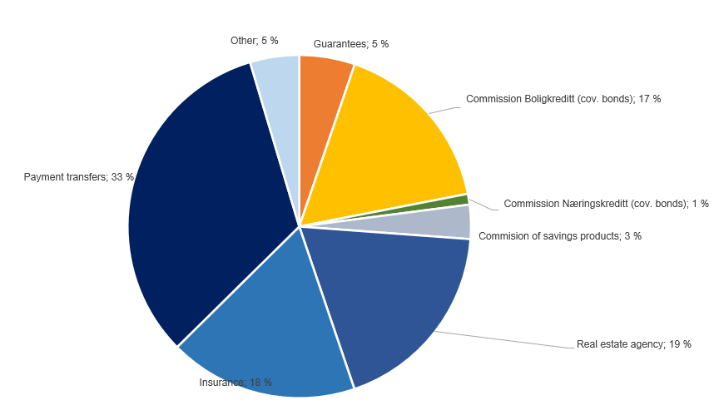

Change in commision and other income

Last 12 months [NOK million] | 1Q23 | Change | 1Q22
Commision and other income | 541 | 19 | 522
Real estate agency |  | 2
Other operating income |  | 2
Operating- and sales income real estate |  | 9
Accounting services |  | 32
Insurance |  | 4
Commission of savings products |  | 1
Commission expenses |  | -8
Other |  | -3
Payments transfers |  | 10
Guarantees |  | -2
Commission Boligkreditt (cov. bonds) |  | -27
Commission Næringskreditt (cov. bonds) |  | 0
Net return on financial investments

including investments held for sale
Quarterly figures [NOK million] | 1Q23 | 4Q22 | 3Q22 | 2Q22 | 1Q22 | 4Q21 | 3Q21 | 2Q21 | 1Q21

Dividends | 2 | 19 | 8 | 4 | 2 | 1 | 1 | 17 | 4
SpareBank 1 Gruppen | 34 | 128 | 17 | 16 | 13 | 173 | 83 | 148 | 67
Capital gain Fremtind Forsikring | 0 | 0 | 0 | 0 | 0 | 0 | 0 | 0 | 0
SpareBank 1 Boligkreditt | 33 | -1 | 10 | -4 | -5 | -2 | 11 | 3 | 4
SpareBank 1 Næringskreditt | 2 | 2 | 0 | 2 | 0 | 0 | -1 | 4 | 3
BN Bank | 62 | 54 | 53 | 47 | 49 | 42 | 40 | 42 | 40
SpareBank 1 Kreditt | -4 | 0 | 3 | 3 | 3 | 2 | 10 | 1 | 0
SpareBank 1 Betaling | -8 | 22 | -3 | 0 | -5 | -9 | 0 | -5 | -1
Other companies | 5 | -10 | 29 | 13 | 7 | -20 | 36 | 19 | 14
Income from inv. in associates and joint ventures | 125 | 195 | 108 | 77 | 62 | 186 | 179 | 212 | 128
Capital gains shares | -17 | -23 | -66 | -35 | 137 | 15 | 36 | 23 | 102
Gain on sertificates and bonds | -25 | 49 | -97 | -177 | -201 | -140 | -94 | -71 | -130
Gain on derivatives | -57 | -108 | 120 | 93 | 171 | 69 | 88 | 30 | 106
Gain on financial instruments related to hedging | 1 | -21 | 13 | -1 | 0 | 0 | 3 | 2 | -11
Gain on other financial instruments at fair value (FVO) | -24 | 28 | -29 | -33 | -3 | 12 | -12 | 2 | 10
Foreign exchange gain | 23 | 24 | 30 | 29 | 7 | 24 | 16 | 15 | 15
Gain on shares and derivatives in SB1 Markets | 0 | 0 | 0 | 0 | 0 | 0 | 0 | 0 | 0
Net return on financial investments¹ | -99 | -52 | -30 | -123 | 111 | -19 | 37 | 1 | 93
Total net return on financial investments | 28 | 163 | 86 | -43 | 175 | 168 | 217 | 230 | 224
As percentage of total income | 2% | 10% | 6% | -3% | 12% | 12% | 15% | 15% | 16%

Five years [NOK million] | YTD 23 | 2022 | 2021 | 2020 | 2019

Dividends | 2 | 33 | 22 | 39 | 15
SpareBank 1 Gruppen | 34 | 175 | 471 | 194 | 252
Capital gain Fremtind Forsikring | 0 | 0 | 0 | 340 | 460
SpareBank 1 Boligkreditt | 33 | 1 | 16 | 18 | 26
SpareBank 1 Næringskreditt | 2 | 3 | 7 | 18 | 21
BN Bank | 62 | 203 | 164 | 120 | 113
SpareBank 1 Kreditt | -4 | 9 | 13 | 2 | 13
SpareBank 1 Betaling | -8 | 13 | -15 | -2 | 3
Other companies | 5 | 39 | 49 | -10 | -8
Income from inv. in associates and joint ventures | 125 | 442 | 705 | 681 | 879
Capital gains shares | -17 | 13 | 176 | -4 | 120
Gain on sertificates and bonds | -25 | -425 | -435 | 103 | -20
Gain on derivatives | -57 | 275 | 294 | 32 | 132
Gain on financial instruments related to hedging | 1 | -10 | -6 | 1 | -9
Gain on other financial instruments at fair value (FVO) | -24 | -38 | 12 | -11 | 9
Foreign exchange gain | 23 | 91 | 70 | 82 | 22
Gain on shares and derivatives in SB1 Markets | 0 | 0 | 0 | 28 | 54
Net return on financial investments | -99 | -94 | 112 | 230 | 307
Total net return on financial investments | 28 | 380 | 840 | 951 | 1,201
As percentage of total income | 2% | 7% | 15% | 15% | 19%

Change in net return on financial investments

Last 12 months [NOK million] | 1Q23 | Change | 1Q22
Net return on financial investments | 28 | -147 | 175
Dividends |  | 0
Income from investment in related companies |  | 63
Capital gains shares |  | -154
Gain on other financial instruments |  | -72
Foreign exchange gain |  | 16

1.7_Loans
1.7 Loans to customers

Distribution of loans by industry

 | 31 Mar | 31 Dec | 30 Sep | 30 Jun | 31 Mar | 31 Dec | 30 Sep | 30 Jun | 31 Mar
Quarterly figures [NOK million] | 2023 | 2022 | 2022 | 2022 | 2022 | 2021 | 2021 | 2021 | 2021

Agriculture and forestry | 11,214 | 11,140 | 10,389 | 10,104 | 9,807 | 9,783 | 9,546 | 9,654 | 9,568
Fisheries | 7,123 | 7,075 | 7,016 | 6,914 | 7,086 | 5,870 | 5,869 | 5,283 | 5,362
Fish farming | 2,179 | 2,656 | 2,507 | 2,969 | 2,194 | 2,176 | 2,093 | 2,398 | 2,268
Manufacturing | 3,321 | 3,150 | 2,833 | 2,653 | 2,856 | 2,766 | 2,835 | 2,729 | 2,848
Construction, power and water supply | 6,086 | 5,526 | 5,436 | 4,817 | 4,266 | 4,124 | 3,825 | 4,191 | 4,016
Retail trade, hotels and restaurants | 3,872 | 3,632 | 3,471 | 3,285 | 3,212 | 2,966 | 2,662 | 2,628 | 2,832
Maritime sector | 5,700 | 5,382 | 5,313 | 5,064 | 5,067 | 4,715 | 5,237 | 5,023 | 4,822
Commercial Real Estate | 19,703 | 18,840 | 18,501 | 17,647 | 17,570 | 17,044 | 16,839 | 16,500 | 16,595
Business services | 4,635 | 4,312 | 4,530 | 5,151 | 5,207 | 4,990 | 4,500 | 3,969 | 3,434
Transport and other services provision | 6,182 | 6,375 | 6,721 | 6,811 | 6,448 | 6,667 | 6,367 | 6,386 | 6,298
Public administration | 37 | 35 | 139 | 32 | 32 | 34 | 35 | 32 | 29
Other sectors | 1,094 | 1,288 | 1,619 | 1,401 | 1,223 | 1,325 | 1,339 | 1,923 | 1,757
Gross loans in corporate market | 71,146 | 69,411 | 68,473 | 66,848 | 64,966 | 62,458 | 61,147 | 60,716 | 59,830
Retail customers | 142,822 | 141,833 | 140,426 | 138,657 | 134,998 | 132,894 | 130,828 | 128,299 | 125,512
Gross loans incl. Boligkreditt and Næringskreditt | 213,967 | 211,244 | 208,900 | 205,504 | 199,965 | 195,353 | 191,976 | 189,015 | 185,342
of which Boligkreditt | 59,054 | 56,876 | 57,051 | 55,218 | 51,233 | 46,650 | 46,675 | 45,707 | 46,337
of which Næringskreditt | 1,732 | 1,739 | 1,601 | 1,605 | 1,709 | 1,402 | 1,329 | 1,374 | 1,533
Gross loans in balance sheet | 153,181 | 152,629 | 150,247 | 148,681 | 147,023 | 147,301 | 143,972 | 141,935 | 137,471

Share of volume, corporate market | 33% | 33% | 33% | 33% | 32% | 32% | 32% | 32% | 32%
Share of volume, retail market | 67% | 67% | 67% | 67% | 68% | 68% | 68% | 68% | 68%

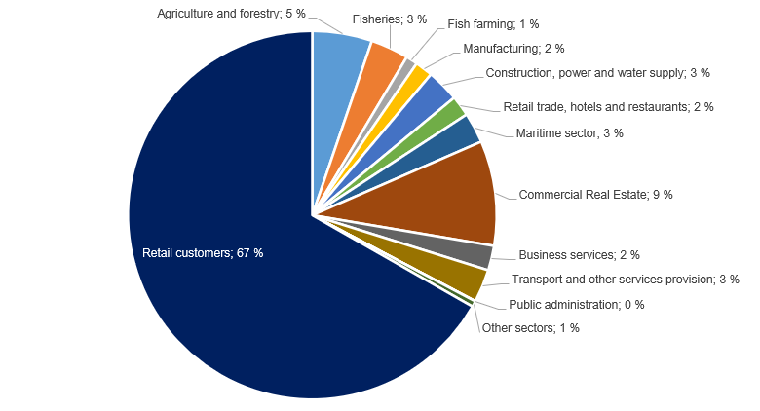
Distribution of loans by industry

Credit risk classification in SpareBank 1 SMN

 | Probability of default (%) |  | Corresponding rating class
Risk class | Low | High | Moody's

A | 0.01 | 0.10 | AAA - A3
B | 0.10 | 0.25 | Baa1 - Baa2
C | 0.25 | 0.50 | Baa3
D | 0.50 | 0.75 | Ba1
E | 0.75 | 1.25 | Ba2
F | 1.25 | 2.50
G | 2.50 | 5.00 | Ba2 - B1
H | 5.00 | 10.00 | B1 - B2
I | 10.00 | 99.99 | B3 - caa3
J | Default
K | Written down
SB 1 SMN's risk classification system, where A represents the lowest risk and K the highest risk

Risk profile - Exposure at default

As of | EAD
31 March 2023 | NOK billion | %

A | 54.1 | 23.0 %
B | 62.8 | 26.7 %
C | 59.7 | 25.4 %
D | 19.3 | 8.2 %
E | 11.9 | 5.1 %
F | 12.8 | 5.5 %
G | 7.4 | 3.2 %
H | 2.8 | 1.2 %
I | 2.0 | 0.8 %
J | 0.9 | 0.4 %
K | 1.2 | 0.5 %
Exposure at default, EAD, is the share of the approved credit that is expected to be drawn at the time of any future default at the same time as there is a downturn in the market.
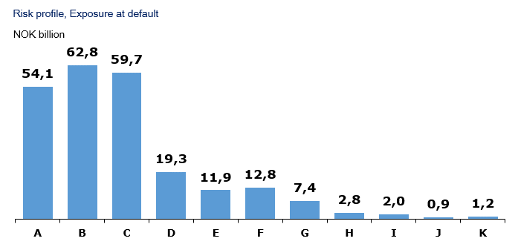

Loans and guarantees by industry

As of |  | Very low | Low | Medium | High | Very high | Default and
31 March 2023 | Total | risk | risk | risk | risk | risk | written down

A - Agriculture, fishery and forestry | 24,199 | 12,759 | 6,095 | 4,555 | 309 | 322 | 160
B - Mining and quarrying | 39 | 5 | 15 | 12 | 7 | 0 | 0
C - Manufacturing | 4,377 | 2,034 | 813 | 1,079 | 195 | 214 | 41
D - Electricity, gas, steam and air conditioning supply | 226 | 184 | 13 | 20 | 10 | 0 | 0
E - Water supply, sewerage and waste management | 89 | 57 | 4 | 21 | 5 | 3 | 0
F - Construction | 7,160 | 891 | 2,321 | 3,213 | 547 | 71 | 118
G - Retail trade, repair of motor vehicles | 3,731 | 935 | 1,179 | 1,495 | 70 | 48 | 4
H - Transportation and storage | 11,150 | 7,259 | 1,604 | 1,179 | 337 | 15 | 757
I - Accommodation and catering | 808 | 359 | 205 | 147 | 91 | 5 | 1
J - Information and communication | 952 | 146 | 680 | 89 | 16 | 1 | 19
K - Financing and insurance activities | 3,755 | 1,873 | 1,064 | 580 | 47 | 10 | 180
L -Property management | 21,512 | 14,036 | 3,019 | 3,741 | 315 | 253 | 147
M - Professional, scientific and technical services | 1,392 | 517 | 220 | 467 | 24 | 57 | 106
N - Business services | 1,797 | 241 | 505 | 769 | 85 | 176 | 21
O - Public administration and defense, and public social security schemes | 673 | 673 | 0 | 0 | 0 | 0 | 0
P - Education | 129 | 69 | 19 | 34 | 6 | 0 | 0
Q - Health and social services | 395 | 305 | 50 | 36 | 3 | 0 | 0
R - Cultural activities, entertainment and recreation | 459 | 214 | 7 | 217 | 10 | 10 | 0
S - Other services | 428 | 247 | 57 | 107 | 11 | 1 | 5
T - Employment in private households | 3 | 0 | 0 | 3 | 0 | 1 | 0
U - International organizations | 0 | 0 | 0 | 0 | 0 | 0 | 0
V - Subsidiary | 11,926 | 11,000 | 926 | 0 | 0 | 0 | 0
W -Other sectors | 139,615 | 122,796 | 12,328 | 2,492 | 666 | 778 | 554
1Q23 | 234,813 | 176,600 | 31,122 | 20,259 | 2,753 | 1,966 | 2,113

Five years [NOK million] |  | Very low | Low | Medium | High | Very high | Default and
 | Total | risk | risk | risk | risk | risk | written down
YTD 23 | 234,813 | 176,600 | 31,122 | 20,259 | 2,753 | 1,966 | 2,113
2022 | 230,970 | 174,011 | 31,176 | 18,727 | 3,139 | 1,888 | 2,029
2021 | 213,697 | 159,702 | 30,810 | 15,278 | 2,910 | 1,768 | 3,229
2020 | 199,515 | 146,743 | 29,179 | 16,591 | 2,906 | 1,931 | 2,165
2019 | 184,071 | 135,691 | 24,880 | 15,174 | 3,417 | 2,593 | 2,315

Write-downs on loans and guarantees

Quarterly figures [NOK million] | 1Q23 | 4Q22 | 3Q22 | 2Q22 | 1Q22 | 4Q21 | 3Q21 | 2Q21 | 1Q21

Change in provision for expected credit losses for the period | -83 | 7 | 26 | -64 | -16 | -50 | 24 | 7 | 50
Actual loan losses on commitments exceeding provisions made | 14 | 17 | 0 | 20 | 22 | 89 | 9 | 34 | 10
Recoveries on commitments previously written-off | -2 | -6 | -3 | -3 | -5 | -7 | -2 | -1 | -2
Write-downs on loans and guarantees¹ | -71 | 19 | 22 | -48 | 0 | 32 | 31 | 39 | 59
As % of gross loans incl. Boligkreditt | -0.13% | 0.04% | 0.04% | -0.09% | 0.00% | 0.07% | 0.07% | 0.08% | 0.13%

Five years [NOK million] | YTD 23 | 2022 | 2021 | 2020 | 2019

Change in provision for expected credit losses for the period | -83 | -48 | 30 | 729 | 246
Actual loan losses on commitments exceeding provisions made | 14 | 58 | 142 | 268 | 62
Recoveries on commitments previously written-off | -2 | -17 | -12 | -46 | -8
Write-downs on loans and guarantees¹ | -71 | -7 | 161 | 951 | 299
As % of gross loans incl. Boligkreditt | -0.13% | 0.00% | 0.09% | 0.54% | 0.18%

¹Provisions for expected credit losses on loans and guarantees are presented after implemantation of IFRS 9 from January 1, 2018, comparative figures for periodes before Q1 2018 have not been restated.

Loss on loans by segment

Quarterly figures [NOK million] | 1Q23 | 4Q22 | 3Q22 | 2Q22 | 1Q22 | 4Q21 | 3Q21 | 2Q21 | 1Q21

Retail Market | 9 | 27 | 11 | -2 | -7 | 0 | -1 | 2 | -12
Corporate Market | -86 | -19 | 1 | -51 | 3 | 20 | 25 | 37 | 62
SMN Finans and other | 7 | 11 | 10 | 5 | 4 | 12 | 7 | -1 | 8
Total loss on loans | -71 | 19 | 22 | -48 | 0 | 32 | 31 | 39 | 59

Five years [NOK million] | YTD 23 | 2022 | 2021 | 2020 | 2019

Retail Market | 9 | 29 | -10 | 56 | 32
Corporate Market | -86 | -66 | 145 | 846 | 213
SMN Finans and other | 7 | 30 | 26 | 49 | 54
Total loss on loans | -71 | -7 | 161 | 951 | 299

1.8_Fund.
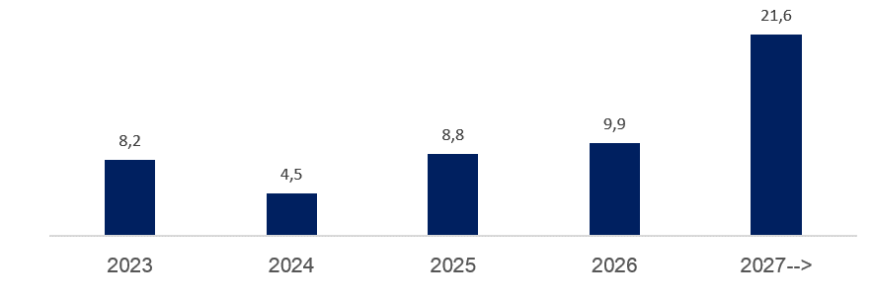
1.8 Capital Markets funding

Parent bank
 | 31 Mar | 31 Dec | 30 Sep | 30 Jun | 31 Mar
Quarterly figures [NOK million] | 2023 | 2022 | 2022 | 2022 | 2022

NOK bonds | 20,610 | 21,591 | 20,310 | 19,439 | 17,985
Curr bonds | 28,751 | 25,884 | 25,849 | 21,613 | 19,108
Hybrid equity | 1,617 | 1,726 | 1,206 | 1,218 | 1,230
Subordinated loan capital | 2,015 | 2,015 | 2,010 | 2,075 | 1,753
Total capital markets funding | 52,993 | 51,215 | 49,375 | 44,345 | 40,076

Funding maturity dates

[NOK billion] | 2023 | 2024 | 2025 | 2026 | 2027-->

Funding maturity | 8.2 | 4.5 | 8.8 | 9.9 | 21.6

Next eight quarters [NOK billion] | Q223 | Q323 | Q423 | Q124 | Q224 | Q324 | Q424 | Q125

Funding maturity | 2.3 | 5.7 | 0.2 | 3.8 | 0.5 | 0.0 | 0.3 | 0.0

2.2_Retail
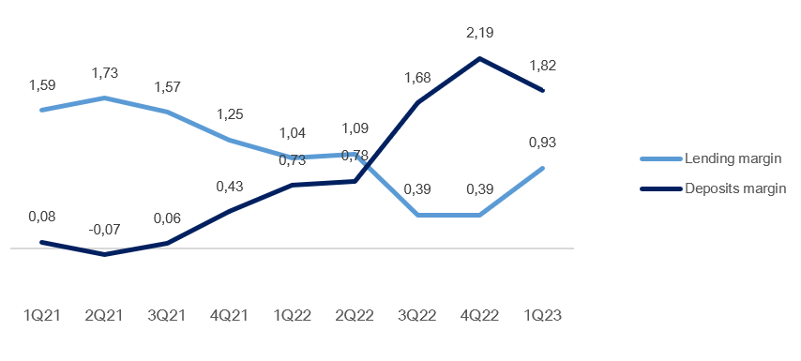
2.2 Retail market

Business description

 | 31 Mar
Facts about the business area | 2023
Lending volume | 148,294
Deposits volume | 55,948
No. of active customers | 260,802
FTEs | 375

Financial performance

Quarterly figures [NOK million] | 1Q23 | 4Q22 | 3Q22 | 2Q22 | 1Q22 | 4Q21 | 3Q21 | 2Q21 | 1Q21

Net interest income lending | 71 | 12 | 55 | 111 | 126 | 159 | 205 | 188 | 168
Net interest income deposits | 356 | 371 | 269 | 193 | 162 | 124 | 86 | 91 | 98
Net interest income allocated capital | 97 | 92 | 43 | 31 | 24 | 23 | 9 | 4 | 10
Total interest income | 524 | 476 | 367 | 335 | 313 | 306 | 300 | 283 | 276
Net guarantee commission, incl BK, NK | 69 | 45 | 77 | 91 | 97 | 108 | 128 | 119 | 120
Net commission of savings products | 12 | 16 | 21 | 18 | 12 | 23 | 27 | 22 | 16
Net commission insurance services | 53 | 53 | 53 | 52 | 51 | 47 | 47 | 45 | 45
Net commission payment trans. services | 47 | 62 | 57 | 47 | 43 | 46 | 38 | 36 | 39
Other commision income | 0 | 0 | 0 | 0 | 0 | 0 | 0 | 0 | 0
Net fee and commission income | 181 | 177 | 208 | 209 | 202 | 225 | 240 | 223 | 219
Net profit on financial investments | 1 | -1 | 0 | -2 | 0 | 0 | 0 | 2 | 0
Total income | 706 | 651 | 575 | 541 | 515 | 531 | 539 | 507 | 496
Total operating expenses¹ | 325 | 253 | 241 | 215 | 248 | 244 | 230 | 216 | 228
Result before losses | 381 | 398 | 334 | 326 | 266 | 288 | 310 | 292 | 268
Loss on loans, guarantees etc. | 9 | 27 | 11 | -2 | -7 | 0 | -1 | 2 | -12
Result before tax | 372 | 371 | 323 | 329 | 274 | 288 | 311 | 290 | 280

 | YTD | 31 Dec | 31 Dec | 31 Dec | 31 Dec
Five years [NOK million] | 2023 | 2022 | 2021 | 2020 | 2019

Net interest income lending | 71 | 304 | 720 | 677 | 589
Net interest income deposits | 356 | 996 | 399 | 408 | 561
Net interest income allocated capital | 97 | 191 | 46 | 128 | 221
Total interest income | 524 | 1,491 | 1,165 | 1,213 | 1,372
Net guarantee commission, incl BK, NK | 69 | 309 | 475 | 453 | 397
Net commission of savings products | 12 | 68 | 88 | 83 | 70
Net commission insurance services | 53 | 208 | 184 | 168 | 158
Net commission payment trans. services | 47 | 210 | 158 | 161 | 179
Other commision income | 0 | 1 | 1 | 1 | 1
Net fee and commission income | 181 | 796 | 906 | 867 | 805
Net profit on financial investments | 1 | -4 | 2 | -2 | 0
Total income | 706 | 2,283 | 2,074 | 2,078 | 2,177
Total operating expenses¹ | 325 | 958 | 916 | 929 | 875
Result before losses | 381 | 1,325 | 1,157 | 1,149 | 1,302
Loss on loans, guarantees etc. | 9 | 29 | -10 | 56 | 32
Result before tax | 372 | 1,296 | 1,167 | 1,093 | 1,270

Post- tax return on equity (annualized)² | 15.8 % | 13.6 % | 13.4 % | 13.4 % | 13.1 %

¹ Includes both direct and distributed expences
² Calculation of capital employed in Retail Banking and Corporate Banking is based on regulatory capital. This capital is grossed up to 17.2 percent to be in line with the capital plan.

Margin development

Definition of margin: average customer interest rate minus 3 months nibor

2.3_Corporate
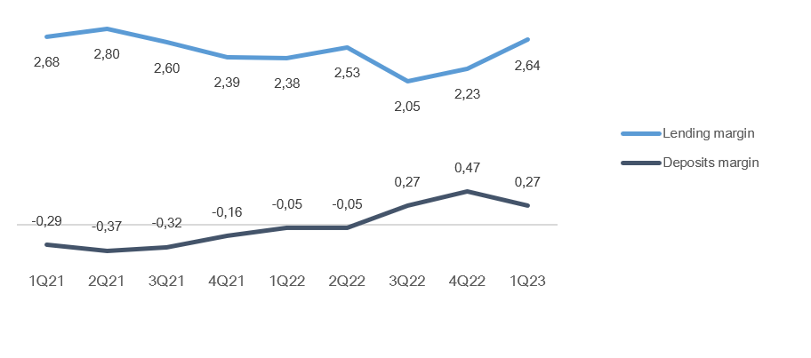
2.3 Corporate market

Business description

 | 31 Mar
Facts about the business area | 2023
Lending volume | 53,245
Deposits volume | 63,644
No. of active cutomers | 18,056
FTEs | 173

Financial performance

Quarterly figures [NOK million] | 1Q23 | 4Q22 | 3Q22 | 2Q22 | 1Q22 | 4Q21 | 3Q21 | 2Q21 | 1Q21

Net interest income lending | 243 | 236 | 242 | 223 | 249 | 219 | 228 | 223 | 212
Net interest income deposits | 149 | 139 | 73 | 85 | 64 | 51 | 38 | 56 | 53
Net interest income allocated capital | 82 | 83 | 45 | 48 | 17 | 22 | 7 | 5 | 9
Total interest income | 474 | 458 | 361 | 356 | 330 | 291 | 273 | 283 | 273
Net guarantee commission, incl BK, NK | 21 | 29 | 24 | 19 | 28 | 30 | 21 | 21 | 21
Net commission of savings products | 0 | 0 | 0 | 0 | 0 | 0 | -1 | 0 | 0
Net commission insurance services | 9 | 9 | 9 | 9 | 9 | 8 | 7 | 8 | 7
Net commission payment trans. services | 26 | 37 | 33 | 33 | 33 | 33 | 30 | 30 | 28
Other commision income | 7 | 8 | 6 | 2 | 3 | 1 | 1 | 1 | 3
Net fee and commission income | 63 | 83 | 72 | 62 | 72 | 73 | 59 | 60 | 59
Net profit on financial investments | 4 | 2 | 3 | 2 | 2 | 5 | 3 | 3 | 5
Total income | 541 | 544 | 436 | 420 | 404 | 370 | 334 | 345 | 337
Total operating expenses¹ | 127 | 119 | 114 | 109 | 124 | 120 | 109 | 109 | 107
Result before losses | 413 | 425 | 322 | 311 | 280 | 249 | 225 | 236 | 230
Loss on loans, guarantees etc. | -86 | -19 | 1 | -51 | 3 | 20 | 25 | 37 | 62
Result before tax | 500 | 443 | 322 | 361 | 277 | 229 | 200 | 199 | 167

 | YTD | 31 Dec | 31 Dec | 31 Dec | 31 Dec
Five years [NOK million] | 2023 | 2022 | 2021 | 2020 | 2019

Net interest income lending | 243 | 950 | 881 | 769 | 715
Net interest income deposits | 149 | 362 | 197 | 277 | 271
Net interest income allocated capital | 82 | 193 | 42 | 102 | 185
Total interest income | 474 | 1,505 | 1,120 | 1,149 | 1,171
Net guarantee commission, incl BK, NK | 21 | 99 | 92 | 72 | 76
Net commission of savings products | 0 | 0 | 0 | 1 | 2
Net commission insurance services | 9 | 36 | 31 | 26 | 25
Net commission payment trans. services | 26 | 135 | 121 | 101 | 97
Other commision income | 7 | 19 | 6 | 11 | 5
Net fee and commission income | 63 | 290 | 251 | 211 | 205
Net profit on financial investments | 4 | 9 | 15 | 21 | 12
Total income | 541 | 1,804 | 1,386 | 1,381 | 1,388
Total operating expenses¹ | 127 | 467 | 446 | 422 | 410
Result before losses | 413 | 1,337 | 940 | 959 | 978
Loss on loans, guarantees etc. | -86 | -66 | 145 | 846 | 213
Result before tax | 500 | 1,403 | 795 | 113 | 765

Post- tax return on equity (annualized)² | 28.4 % | 20.8 % | 11.5 % | 2.1 % | 11.7 %

¹ Includes both direct and distributed expences
² Calculation of capital employed in Retail Banking and Corporate Banking is based on regulatory capital. This capital is grossed up to 17.2 percent to be in line with the capital plan.

Margin development

Definition of margin: average customer interest rate minus 3 months nibor

Appendix
3 Appendix

A1 Business description

 | 1 | 1
SpareBank 1 SMN is the region's leading financial services group and one of six owners of the SpareBank 1 Alliance. Its head office is in Trondheim. SpareBank 1 SMN is a regional independent savings bank with a local footing. Through the SpareBank 1 Alliance and its own subsidiaries, SpareBank 1 SMN has secured access to comnpetitive products in the fields of financing, savings and investment, insurance and payment services. The bank is organised under the following structure:
Financial Group SpareBank 1 SMN

Main areas of SpareBank 1 SMN
Retail Market
______________________________________________________________________________________________________
Serves the retail market incl. agricultural customers, sole proprietorships, associations etc.
Corporate Market
_____________________________________________________________________________________________________
Serves the retail corporate clients.
Central credit function for the Group
Administration
& Support
_____________________________________________________________________________________________________

Subsidiaries |  | Other associates
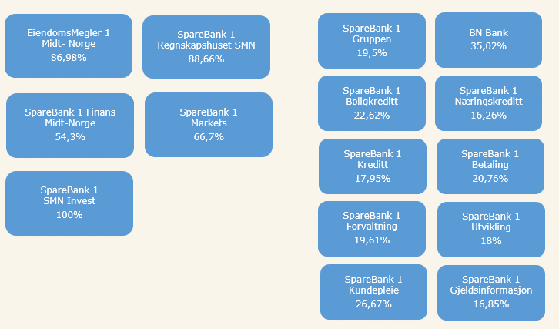

Organisation of SpareBank 1 SMN

Supervisory Board

Board of Directors

Communication and Society

Group CEO
Risk Management
Technology and Development

Retail
Banking
Corporate
Banking
EiendomsMegler 1 Midt-Norge
SpareBank 1 Regnskapshuset SMN
Group Finance and Governance

Overwiew of governing and control bodies

Supervisory Board
_____________________________________________________________________________________________________

ECC holders
40 %
Depositors
17.5 %
Country Council
17.5 %
Employes
25 %
External Audit
Election Committee
Internal Audit
Board of Directors
_____________________________________________________________________________________________________

CEO

SpareBank 1 Alliance
SpareBank 1 SMN was one of the founding partners of the SpareBank 1 Alliance in 1996. The Alliance consists of closely cooperating saving banks, all of them being independent and locally anchored banks. The purpose of the SpareBank1 Alliance is for members to develop, procure and supply competitive financial services and products and to exploit economies of scale. The Alliance canalize a lot of its mutual interests through SpareBank1 Gruppen AS, a holding company of life and non-life insurance, mutual funds, a broker-dealer and other companies. The Alliance is the 2nd largest Norwegian financial group with wide distribution all over Norway.

Members
SpareBank 1
SMN
SpareBank 1
SR-Bank
SpareBank 1
Nord-Norge
Samspar
SpareBank 1 Østlandet
LO

Products, commisions, dividends |  |  |  | Sales, loan portfolios, capital

SpareBank 1 Alliance companies

BN Bank
SpareBank 1
Boligkreditt
SpareBank 1
Gruppen AS

SpareBank 1
Kredittkort
SpareBank 1
Næringskreditt
Fremtind Forsikring
SpareBank 1
Factoring, Collection

SpareBank 1
Betaling
Sparebank 1 Forsikring
Odin Forvaltning

Banking Cooperation
_____________________________________________________________________________________________________

* LO - The Norwegian Confederation of Trade Unions

A2 20 largest ECC holders

Owner | Number | Ownership in %
Sparebankstiftelsen SMN | 3,965,391 |  | 3.05%
KLP | 3,302,912 |  | 2.54%
Pareto Aksje Norge VPF | 3,081,093 |  | 2.37%
VPF Odin Norge | 2,987,707 |  | 2.30%
VPF Eika Egenkapitalbevis | 2,813,786 |  | 2.17%
Pareto Invest Norge AS | 2,790,803 |  | 2.15%
J. P. Morgan Securities plc | 2,635,011 |  | 2.03%
J. P. Morgan Chase Bank, N.A., London | 2,555,343 |  | 1.97%
State Street Bank and Trust Comp | 2,538,938 |  | 1.96%
VPF Alfred Berg Gamba | 2,269,698 |  | 1.75%
VPF Nordea Norge | 2,203,686 |  | 1.70%
State Street Bank and Trust Comp | 2,032,211 |  | 1.57%
Danske Invest Norske Aksjer Institusjon II | 2,027,190 |  | 1.56%
Forsvarets personellservice | 2,014,446 |  | 1.55%
J. P. Morgan SE | 1,802,526 |  | 1.39%
Spesialfondet Borea Utbytte | 1,773,713 |  | 1.37%
RBC Investor Services Trust | 1,586,047 |  | 1.22%
VPF Holberg Norge | 1,405,000 |  | 1.08%
MP Pensjon PK | 1,352,771 |  | 1.04%
Morgan Stanley & Co. International | 1,271,977 |  | 0.98%
Total 20 largest shareholders | 46,410,249 |  | 35.75%
Others | 83,426,194 |  | 64.25%
Total | 129,836,443 |  | 100%

A3 ECC capital history

 |  | Change in |  | Total
Year | Change | ECC capital |  | ECC capital |  | No. of ECC's
1991 | Placing |  | 525 |  | 525 | 5,250,000
1992 | Placing |  | 75 |  | 600 | 6,000,000
2000 | Employee placing |  | 5 |  | 605 | 6,053,099
2001 | Employee placing |  | 5 |  | 610 | 6,099,432
2002 | Employee placing |  | 5 |  | 614 | 6,148,060
2004 | Bonus Issue |  | 154 |  | 768 | 7,685,075
2005 | Placing |  | 217 |  | 986 | 9,859,317
2005 | Employee placing |  | 24 |  | 1,009 | 10,097,817
2005 | Split |  | - |  | 1,009 | 40,391,268
2005 | Bonus Issue |  | 253 |  | 1,262 | 50,489,085
2007 | Dividend Issue |  | 82 |  | 1,344 | 53,752,203
2007 | Employee placing |  | 5 |  | 1,349 | 53,976,003
2008 | Dividend Issue |  | 91 |  | 1,440 | 57,603,748
2008 | Employee placing |  | 6 |  | 1,447 | 57,861,806
2009 | Bonus Issue |  | 289 |  | 1,736 | 69,434,167
2010 | Placing |  | 624 |  | 2,360 | 94,397,474
2010 | Employee placing |  | 13 |  | 2,373 | 94,905,286
2011 | Issue |  | 1 |  | 2,373 | 94,930,286
2012 | Placing |  | 95 |  | 2,468 | 123,407,456
2012 | Employee placing |  | 16 |  | 2,484 | 124,218,466
2012 | Private placement |  | 112 |  | 2,597 | 129,836,443

A4 CAD - methods for calculating minimum requirements

 | Portfolio |  |  |  |  | Regulatory method

Credit risk | States - parent bank |  |  |  |  | Standardized approach
 | Institutions - parent bank |  |  |  |  | Standardized approach
 | Housing cooperatives, clubs and associations - parent bank |  |  |  |  | Standardized approach
 | Enterprises - parent bank |  |  |  |  | Advanced IRB approach
 | Mass market - parent bank |  |  |  |  | IRB - mass market (advanced)
 | SpareBank 1 Finans Midt-Norge AS |  |  |  |  | Standardized approach
 | SpareBank 1 SMN Invest |  |  |  |  | Standardized approach
 | Mass market - SpareBank 1 Boligkreditt AS |  |  |  |  | IRB - mass market (advanced)
 | Enterprises - SpareBank 1 Næringskreditt AS |  |  |  |  | Standardized approach
 | Enterprises - BN Bank AS |  |  |  |  | Advanced IRB approach
 | Mass market - BN Bank AS |  |  |  |  | IRB - mass market (advanced)
Market risk | Equity risk - parent bank |  |  |  |  | Standardized approach
 | Debt risk - parent bank |  |  |  |  | Standardized approach
 | Currency risk - parent bank |  |  |  |  | Standardized approach
 | Subsidiaries and part-owned companies |  |  |  |  | Standardized approach
Operational risk | SpareBank 1 SMN (parent bank) |  |  |  |  | Standardized approach
 | Subsidiaries and part-owned companies |  |  |  |  | Basic Indicator Approach

