Intro

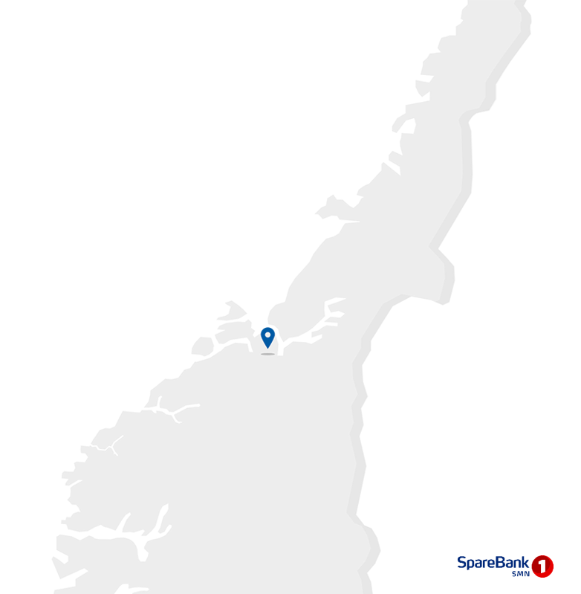
Contact information
CEO Jan-Frode Janson
For further information, please contact
CFO Trond Søraas
trond.soraas@smn.no
+47 922 36 803
Address
SpareBank1 SMN Postboks 4796 Sluppen, 7467 Trondheim
Switchboard +47 915 07 300
Visiting address Søndre gate 4, 7011 Trondheim
Information on the internet
SpareBank1 SMN's homepage www.smn.no
ECC information in general www.egenkapitalbevis.no
Investor Relations
Supplementary Information

2023
Q3

Changes
Major changes from Q2 2023

No major changes from Q2 2023

1.1_Highlights
1.1 Financial highlights

January - September 2023 |  |  |  |  |  |  | YTD | 2022

Profit before tax and inv. held for sale |  |  | 2,988 |  | NOK million |  | 2,391
Net profit |  |  | 2,441 |  | NOK million |  | 2,017
Return on equity |  |  | 13.0 |  | per cent |  | 12.0
Annual lending growth |  |  | 12.2 |  | per cent |  | 8.8
Annual deposits growth |  |  | 14.7 |  | per cent |  | 9.9
Loan losses |  |  | -6 |  | NOK million |  | -26
CET1 ratio |  |  | 19.7 |  | per cent |  | 19.2
Earnings per EC |  |  | 11.14 |  | NOK |  | 9.29

Q3 2023 |  |  |  |  |  |  | Q3 | 2022

Profit before tax and inv. held for sale |  |  | 996 |  | NOK million |  | 785
Net profit |  |  | 740 |  | NOK million |  | 617
Return on equity |  |  | 11.1 |  | per cent |  | 10.9
Loan losses |  |  | 35 |  | NOK million |  | 22
Earnings per EC |  |  | 3.28 |  | NOK |  | 2.89

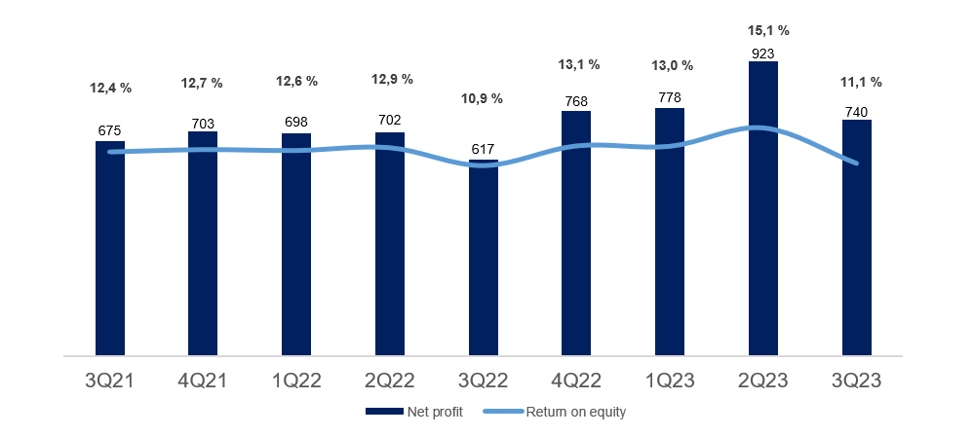

Main figures

Quarterly figures [NOK million] | 3Q23 | 2Q23 | 1Q23 | 4Q22 | 3Q22 | 2Q22 | 1Q22 | 4Q21 | 3Q21

Net interest | 1,191 | 1,094 | 1,035 | 961 | 814 | 803 | 759 | 725 | 709
Commission income and other income | 484 | 561 | 541 | 473 | 491 | 555 | 522 | 521 | 521
Net return on financial investments | 97 | 103 | 28 | 163 | 86 | -43 | 175 | 168 | 217
Total income | 1,772 | 1,757 | 1,604 | 1,597 | 1,391 | 1,316 | 1,456 | 1,414 | 1,447
Total operating expenses | 741 | 683 | 728 | 646 | 583 | 585 | 629 | 609 | 586
Result before losses | 1,032 | 1,074 | 875 | 951 | 808 | 731 | 827 | 805 | 861
Loss on loans, guarantees etc. | 35 | 29 | -71 | 19 | 22 | -48 | 0 | 32 | 31
Result before tax | 996 | 1,045 | 946 | 932 | 785 | 779 | 827 | 773 | 830
Tax charge | 278 | 159 | 206 | 210 | 179 | 164 | 166 | 103 | 174
Results investments held for sale, after tax | 22 | 37 | 38 | 46 | 10 | 87 | 37 | 33 | 19
Net profit | 740 | 923 | 778 | 768 | 617 | 702 | 698 | 703 | 675

Five years [NOK million] | YTD 23 | 2022 | 2021 | 2020 | 2019

Net interest | 3,319 | 3,339 | 2,805 | 2,759 | 2,687
Commission income and other income | 1,586 | 2,042 | 2,141 | 2,516 | 2,290
Net return on financial investments | 228 | 380 | 840 | 951 | 1,201
Total income | 5,133 | 5,760 | 5,786 | 6,225 | 6,178
Total operating expenses | 2,152 | 2,443 | 2,360 | 2,904 | 2,797
Result before losses | 2,981 | 3,317 | 3,426 | 3,321 | 3,380
Loss on loans, guarantees etc. | -6 | -7 | 161 | 951 | 299
Result before tax | 2,988 | 3,324 | 3,266 | 2,370 | 3,081
Tax charge | 642 | 718 | 563 | 400 | 518
Results investments held for sale, after tax | 96 | 179 | 200 | 9 | 0
Net profit | 2,441 | 2,785 | 2,902 | 1,978 | 2,563

Balance sheet - condensed

 | 30 Sep | 30 Jun | 31 Mar | 31 Dec | 30 Sep | 30 Jun | 31 Mar | 31 Dec | 30 Sep
Quarterly figures [NOK million] | 2023 | 2023 | 2023 | 2022 | 2022 | 2022 | 2022 | 2021 | 2021

Total assets | 243,472 | 248,806 | 228,207 | 223,110 | 218,918 | 217,458 | 207,027 | 198,845 | 200,124
Average total assets (quarterly) | 246,139 | 238,507 | 225,759 | 221,115 | 218,188 | 212,243 | 202,936 | 199,492 | 200,275

Gross loans to customers ¹ | 234,316 | 232,100 | 213,967 | 211,244 | 208,900 | 205,504 | 199,965 | 195,353 | 191,976
Deposits from customers | 138,230 | 140,164 | 123,529 | 122,010 | 120,558 | 123,812 | 114,053 | 111,286 | 109,691

Total equity capital | 27,471 | 26,975 | 24,092 | 24,807 | 23,863 | 22,993 | 22,439 | 23,241 | 23,077
¹ Loans to customers includes loans sold to SpareBank1 Boligkreditt and SpareBank1 Næringskreditt.

Five years [NOK million] | YTD 23 | 2022 | 2021 | 2020 | 2019

Total assets | 243,472 | 223,110 | 198,845 | 187,912 | 166,662
Average total assets | 235,949 | 213,112 | 196,229 | 183,428 | 165,154

Gross loans to customers ¹ | 234,316 | 211,244 | 195,353 | 182,801 | 167,777
Deposits from customers | 138,230 | 122,010 | 111,286 | 97,529 | 85,917

Total equity capital | 27,471 | 24,807 | 23,241 | 21,310 | 20,420
¹ Loans to customers includes loans sold to SpareBank1 Boligkreditt and SpareBank1 Næringskreditt.

Equity capital certificate (MING)

Quarterly figures | 3Q23 | 2Q23 | 1Q23 | 4Q22 | 3Q22 | 2Q22 | 1Q22 | 4Q21 | 3Q21

ECC price | 137.20 | 141.00 | 123.60 | 127.40 | 111.40 | 115.80 | 141.20 | 149.00 | 129.80
Number of certificates issued, millions | 143.82 | 143.80 | 129.43 | 129.29 | 129.29 | 129.31 | 129.39 | 129.39 | 129.39
Booked equity capital per ECC (incl. dividend) | 116.39 | 112.81 | 105.63 | 109.86 | 107.19 | 102.91 | 99.55 | 103.48 | 103.57
Adjusted profit per ECC | 3.28 | 4.21 | 3.51 | 3.53 | 2.89 | 3.20 | 3.20 | 3.20 | 3.22
P/E per ECC (annualised) | 10.47 | 8.38 | 8.79 | 9.02 | 9.62 | 9.06 | 11.05 | 11.65 | 10.09
P/B equity capital | 1.18 | 1.25 | 1.17 | 1.16 | 1.04 | 1.13 | 1.42 | 1.44 | 1.25

Five years | YTD 23 | 2022 | 2021 | 2020 | 2019

ECC price | 137.20 | 127.40 | 149.00 | 97.60 | 100.20
Number of certificates issued, millions | 143.82 | 129.29 | 129.39 | 129.39 | 129.30
Booked equity capital per ECC (incl. dividend) | 116.39 | 109.86 | 103.48 | 94.71 | 90.75
Adjusted profit per ECC | 11.14 | 12.82 | 13.31 | 8.87 | 12.14
P/E per ECC (annualised) | 9.24 | 9.94 | 11.19 | 11.01 | 8.26
P/B equity capital | 1.18 | 1.16 | 1.44 | 1.03 | 1.10

1.4_Net interest
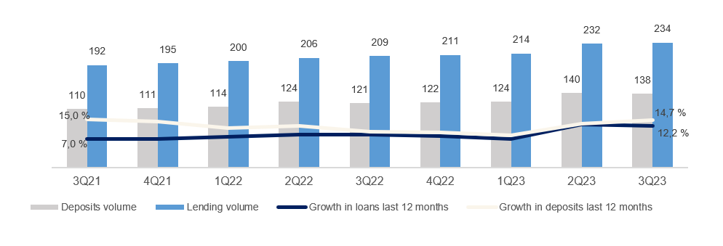
1.4 Net interest income

Net interest income

Quarterly figures [NOK million] | 3Q23 | 2Q23 | 1Q23 | 4Q22 | 3Q22 | 2Q22 | 1Q22 | 4Q21 | 3Q21

Interest income | 2,994 | 2,638 | 2,367 | 2,136 | 1,605 | 1,346 | 1,227 | 1,107 | 1,026
Interest expenses | 1,803 | 1,544 | 1,332 | 1,175 | 791 | 543 | 468 | 382 | 318
Net interest income | 1,191 | 1,094 | 1,035 | 961 | 814 | 803 | 759 | 725 | 709
As a percentage of total income | 67% | 62% | 65% | 60% | 59% | 61% | 52% | 51% | 49%
Margins on loans sold to Sparebank 1 Boligkreditt and Sparebank 1 Næringskreditt are recorded as commision income. See part 1.5 Other income

Five years [NOK million] | YTD 23 | 2022 | 2021 | 2020 | 2019

Interest income | 7,999 | 6,315 | 4,171 | 4,197 | 4,626
Interest expenses | 4,679 | 2,977 | 1,365 | 1,439 | 1,939
Net interest income | 3,319 | 3,339 | 2,805 | 2,759 | 2,687
As a percentage of total income | 65% | 58% | 48% | 44% | 43%

Change in interest income from lending and deposits

Last 12 months [NOK million] | Volume | Margin | Total

Lending | 113 | -94 | 19
Deposits | 53 | 685 | 738
Total | 166 | 591 | 757

Change in net interest income

Last 12 months [NOK million] | 3Q23 | Change | 3Q22
Net interest income | 3,319 | 942 | 2,377
Lending volume |  | 113
Lending margin |  | -94
Fees on lending |  | -2
Deposit volume |  | 53
Deposit margin |  | 685
Subsidiaries |  | 34
Equity capital |  | 399
Funding and liquidity buffer |  | -245

Margin development

Definition of margin: average customer interest rate minus 3 months nibor

Volume development

Quarterly figures | 3Q23 | 2Q23 | 1Q23 | 4Q22 | 3Q22 | 2Q22 | 1Q22 | 4Q21 | 3Q21

Lending volume | 234.3 | 232.1 | 214.0 | 211.2 | 208.9 | 205.5 | 200.0 | 195.4 | 192.0
Deposits volume | 138.2 | 140.2 | 123.5 | 122.0 | 120.6 | 123.8 | 114.1 | 111.3 | 109.7
Growth in loans last 12 months | 12.2 % | 12.9 % | 7.0 % | 8.1 % | 8.8 % | 8.7 % | 7.9 % | 6.9 % | 7.0 %
Growth in deposits last 12 months | 14.7 % | 13.2 % | 8.3 % | 9.6 % | 9.9 % | 12.4 % | 11.4 % | 14.1 % | 15.0 %

1.5_Other income
1.5 Other income

Commision and other income

Quarterly figures [NOK million] | 3Q23 | 2Q23 | 1Q23 | 4Q22 | 3Q22 | 2Q22 | 1Q22 | 4Q21 | 3Q21

Guarantees | 17 | 15 | 18 | 27 | 19 | 12 | 20 | 25 | 17
Commission Boligkreditt (cov. bonds) | 25 | 53 | 57 | 32 | 63 | 77 | 84 | 102 | 123
Commission Næringskreditt (cov. bonds) | 4 | 4 | 3 | 4 | 4 | 4 | 4 | 3 | 3
Commision of savings products | 11 | 13 | 11 | 12 | 11 | 11 | 10 | 14 | 18
Real estate agency | 66 | 78 | 64 | 62 | 66 | 78 | 61 | 70 | 69
Insurance | 67 | 65 | 61 | 60 | 60 | 59 | 57 | 55 | 54
Payment transfers | 126 | 117 | 112 | 128 | 128 | 112 | 102 | 118 | 106
Other | 19 | 23 | 16 | 15 | 20 | 25 | 19 | 17 | 17
Total commisions income | 336 | 367 | 341 | 340 | 370 | 378 | 358 | 405 | 407
Operating- and sales income real estate | 44 | 41 | 42 | 32 | 39 | 46 | 33 | 30 | 38
Accounting services | 138 | 182 | 188 | 127 | 115 | 167 | 156 | 114 | 114
Other operating income | 24 | 22 | 19 | 19 | 19 | 9 | 17 | 20 | 10
Total other operating income | 206 | 245 | 249 | 178 | 173 | 223 | 206 | 163 | 162
Commision expenses | 58 | 51 | 50 | 45 | 52 | 46 | 42 | 47 | 47
Total commision and other income | 484 | 561 | 541 | 473 | 491 | 555 | 522 | 521 | 521
As a percentage of total income | 27% | 32% | 34% | 30% | 35% | 42% | 36% | 37% | 36%

Five years [NOK million] | YTD 23 | 2022 | 2021 | 2020 | 2019

Guarantees | 50 | 77 | 76 | 58 | 59
Commission Boligkreditt (cov. bonds) | 136 | 256 | 450 | 408 | 349
Commission Næringskreditt (cov. bonds) | 11 | 16 | 14 | 13 | 16
Commision of savings products | 35 | 44 | 63 | 56 | 117
Real estate agency | 207 | 267 | 291 | 251 | 252
Insurance | 192 | 236 | 214 | 195 | 183
Payment transfers | 355 | 471 | 409 | 390 | 393
Other | 58 | 80 | 69 | 71 | 67
Total commisions income | 1,044 | 1,446 | 1,586 | 1,443 | 1,437
Operating- and sales income real estate | 126 | 151 | 150 | 142 | 138
Accounting services | 509 | 564 | 529 | 506 | 473
Other operating income | 65 | 66 | 52 | 622 | 435
Total other operating income | 700 | 781 | 731 | 1,269 | 1,046
Commision expenses | 159 | 186 | 177 | 196 | 193
Total commision and other income | 1,586 | 2,042 | 2,141 | 2,516 | 2,290
As a percentage of total income | 31% | 35% | 37% | 41% | 37%

Distribution of commision income

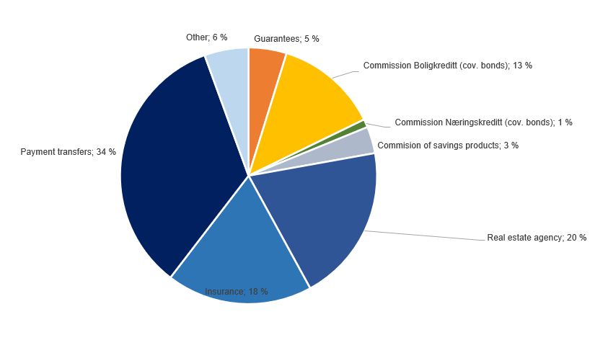

Change in commision and other income

Last 12 months [NOK million] | 3Q23 | Change | 3Q22
Commision and other income | 1,586 | 18 | 1,568
Real estate agency |  | 2
Other operating income |  | 19
Operating- and sales income real estate |  | 7
Accounting services |  | 71
Insurance |  | 16
Commission of savings products |  | 3
Commission expenses |  | -19
Other |  | -6
Payments transfers |  | 13
Guarantees |  | 0
Commission Boligkreditt (cov. bonds) |  | -88
Commission Næringskreditt (cov. bonds) |  | -1
Net return on financial investments

including investments held for sale
Quarterly figures [NOK million] | 3Q23 | 2Q23 | 1Q23 | 4Q22 | 3Q22 | 2Q22 | 1Q22 | 4Q21 | 3Q21

Dividends | 16 | 18 | 2 | 19 | 8 | 4 | 2 | 1 | 1
SpareBank 1 Gruppen | -13 | -5 | 34 | 128 | 17 | 16 | 13 | 173 | 83
SpareBank 1 Boligkreditt | 5 | 29 | 33 | -1 | 10 | -4 | -5 | -2 | 11
SpareBank 1 Næringskreditt | 4 | 3 | 2 | 2 | 0 | 2 | 0 | 0 | -1
BN Bank | 64 | 58 | 62 | 54 | 53 | 47 | 49 | 42 | 40
SpareBank 1 Kreditt | -3 | -2 | -4 | 0 | 3 | 3 | 3 | 2 | 10
SpareBank 1 Betaling | -10 | -11 | -8 | 22 | -3 | 0 | -5 | -9 | 0
Other companies | -48 | 13 | 5 | -10 | 28 | 13 | 7 | -20 | 36
Income from inv. in associates and joint ventures | -2 | 85 | 125 | 195 | 108 | 77 | 62 | 186 | 179
Capital gains shares | 17 | -7 | -17 | -23 | -67 | -35 | 137 | 15 | 36
Gain on sertificates and bonds | 21 | -208 | -25 | 49 | -97 | -177 | -201 | -140 | -94
Gain on derivatives | 5 | 156 | -57 | -108 | 120 | 93 | 171 | 69 | 88
Gain on financial instruments related to hedging | -3 | 8 | 1 | -21 | 13 | -1 | 0 | 0 | 3
Gain on other financial instruments at fair value (FVO) | 23 | 14 | -24 | 28 | -29 | -33 | -3 | 12 | -12
Foreign exchange gain | 20 | 38 | 23 | 24 | 30 | 29 | 7 | 24 | 16
Net return on financial investments¹ | 83 | 1 | -99 | -52 | -30 | -123 | 111 | -19 | 37
Total net return on financial investments | 97 | 103 | 28 | 163 | 86 | -43 | 175 | 168 | 217
As percentage of total income | 5% | 6% | 2% | 10% | 6% | -3% | 12% | 12% | 15%

Five years [NOK million] | YTD 23 | 2022 | 2021 | 2020 | 2019

Dividends | 35 | 33 | 22 | 39 | 15
SpareBank 1 Gruppen | 17 | 175 | 471 | 194 | 252
Capital gain Fremtind Forsikring | 0 | 0 | 0 | 340 | 460
SpareBank 1 Boligkreditt | 68 | 1 | 16 | 18 | 26
SpareBank 1 Næringskreditt | 9 | 3 | 7 | 18 | 21
BN Bank | 183 | 203 | 164 | 120 | 113
SpareBank 1 Kreditt | -9 | 9 | 13 | 2 | 13
SpareBank 1 Betaling | -30 | 13 | -15 | -2 | 3
Other companies | -30 | 39 | 49 | -10 | -8
Income from inv. in associates and joint ventures | 207 | 442 | 705 | 681 | 879
Capital gains shares | -8 | 13 | 176 | -4 | 120
Gain on sertificates and bonds | -213 | -425 | -435 | 103 | -20
Gain on derivatives | 105 | 275 | 294 | 32 | 132
Gain on financial instruments related to hedging | 6 | -10 | -6 | 1 | -9
Gain on other financial instruments at fair value (FVO) | 14 | -38 | 12 | -11 | 9
Foreign exchange gain | 81 | 91 | 70 | 82 | 22
Gain on shares and derivatives in SB1 Markets | 0 | 0 | 0 | 28 | 54
Net return on financial investments | -15 | -94 | 112 | 230 | 307
Total net return on financial investments | 228 | 380 | 840 | 951 | 1,201
As percentage of total income | 4% | 7% | 15% | 15% | 19%

Change in net return on financial investments

Last 12 months [NOK million] | 3Q23 | Change | 3Q22
Net return on financial investments | 228 | 10 | 217
Dividends |  | 22
Income from investment in related companies |  | -39
Capital gains shares |  | -44
Gain on other financial instruments |  | 56
Foreign exchange gain |  | 15

1.7_Loans
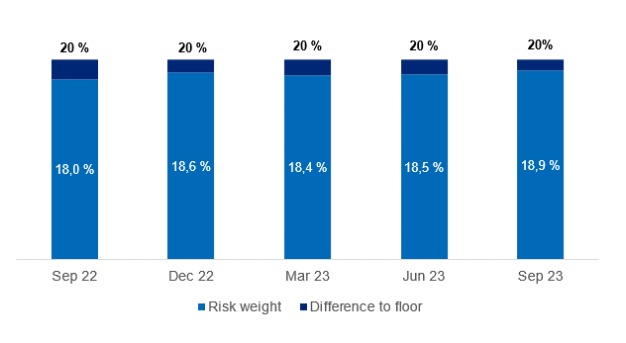
1.7 Loans to customers

Distribution of loans by industry

 | 30 Sep | 30 Jun | 31 Mar | 31 Dec | 30 Sep | 30 Jun | 31 Mar | 31 Dec | 30 Sep
Quarterly figures [NOK million] | 2023 | 2023 | 2023 | 2022 | 2022 | 2022 | 2022 | 2021 | 2021

Agriculture and forestry | 12,141 | 11,791 | 11,214 | 11,140 | 10,389 | 10,104 | 9,807 | 9,783 | 9,546
Fisheries | 6,371 | 6,397 | 7,123 | 7,075 | 7,016 | 6,914 | 7,086 | 5,870 | 5,869
Fish farming | 2,978 | 2,315 | 2,179 | 2,656 | 2,507 | 2,969 | 2,194 | 2,176 | 2,093
Manufacturing | 3,843 | 3,683 | 3,321 | 3,150 | 2,833 | 2,653 | 2,856 | 2,766 | 2,835
Construction, power and water supply | 7,360 | 7,534 | 6,086 | 5,526 | 5,436 | 4,817 | 4,266 | 4,124 | 3,825
Retail trade, hotels and restaurants | 3,682 | 3,786 | 3,872 | 3,632 | 3,471 | 3,285 | 3,212 | 2,966 | 2,662
Maritime sector | 5,957 | 5,944 | 5,700 | 5,382 | 5,313 | 5,064 | 5,067 | 4,715 | 5,237
Commercial Real Estate | 20,646 | 20,738 | 19,703 | 18,840 | 18,501 | 17,647 | 17,570 | 17,044 | 16,839
Business services | 5,193 | 5,134 | 4,635 | 4,312 | 4,530 | 5,151 | 5,207 | 4,990 | 4,500
Transport and other services provision | 5,818 | 6,712 | 6,182 | 6,375 | 6,721 | 6,811 | 6,448 | 6,667 | 6,367
Public administration | 36 | 33 | 37 | 35 | 139 | 32 | 32 | 34 | 35
Other sectors | 1,493 | 1,395 | 1,094 | 1,288 | 1,619 | 1,401 | 1,223 | 1,325 | 1,339
Gross loans in corporate market | 75,516 | 75,463 | 71,146 | 69,411 | 68,473 | 66,848 | 64,966 | 62,458 | 61,147
Retail customers | 158,800 | 156,637 | 142,822 | 141,833 | 140,426 | 138,657 | 134,998 | 132,894 | 130,828
Gross loans incl. Boligkreditt and Næringskreditt | 234,316 | 232,100 | 213,967 | 211,244 | 208,900 | 205,504 | 199,965 | 195,353 | 191,976
of which Boligkreditt | 63,616 | 63,527 | 59,054 | 56,876 | 57,051 | 55,218 | 51,233 | 46,650 | 46,675
of which Næringskreditt | 1,761 | 1,754 | 1,732 | 1,739 | 1,601 | 1,605 | 1,709 | 1,402 | 1,329
Gross loans in balance sheet | 168,940 | 166,819 | 153,181 | 152,629 | 150,247 | 148,681 | 147,023 | 147,301 | 143,972

Share of volume, corporate market | 32% | 33% | 33% | 33% | 33% | 33% | 32% | 32% | 32%
Share of volume, retail market | 68% | 67% | 67% | 67% | 67% | 67% | 68% | 68% | 68%

Distribution of loans by industry
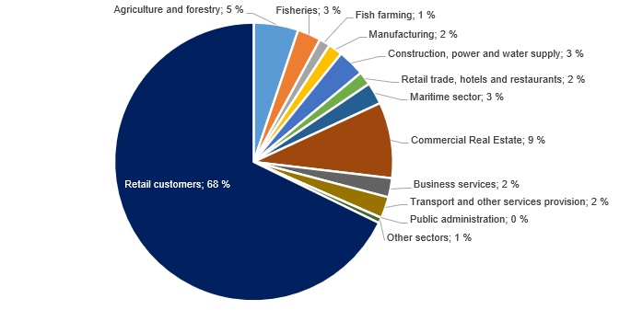

Credit risk classification in SpareBank 1 SMN

 | Probability of default (%) |  | Corresponding rating class
Risk class | Low | High | Moody's

A | 0.01 | 0.10 | AAA - A3
B | 0.10 | 0.25 | Baa1 - Baa2
C | 0.25 | 0.50 | Baa3
D | 0.50 | 0.75 | Ba1
E | 0.75 | 1.25 | Ba2
F | 1.25 | 2.50
G | 2.50 | 5.00 | Ba2 - B1
H | 5.00 | 10.00 | B1 - B2
I | 10.00 | 99.99 | B3 - caa3
J | Default
K | Written down
SB 1 SMN's risk classification system, where A represents the lowest risk and K the highest risk

Risk profile - Exposure at default

As of | EAD
30 September 2023 | NOK billion | %

A | 58.6 | 23.0 %
B | 67.5 | 26.5 %
C | 65.2 | 25.6 %
D | 21.6 | 8.5 %
E | 10.9 | 4.3 %
F | 13.7 | 5.4 %
G | 9.1 | 3.6 %
H | 3.1 | 1.2 %
I | 2.4 | 1.0 %
J | 1.2 | 0.5 %
K | 1.1 | 0.4 %
Exposure at default, EAD, is the share of the approved credit that is expected to be drawn at the time of any future default at the same time as there is a downturn in the market.
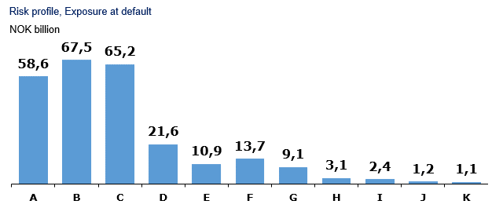

Loans and guarantees by industry

As of |  | Very low | Low | Medium | High | Very high | Default and
30 September 2023 | Total | risk | risk | risk | risk | risk | written down

A - Agriculture, fishery and forestry | 24,818 | 12,329 | 7,243 | 3,861 | 754 | 486 | 144
B - Mining and quarrying | 217 | 22 | 7 | 55 | 7 | 4 | 122
C - Manufacturing | 4,442 | 1,307 | 1,278 | 1,472 | 174 | 179 | 32
D - Electricity, gas, steam and air conditioning supply | 245 | 197 | 13 | 30 | 5 | 0 | 0
E - Water supply, sewerage and waste management | 144 | 52 | 25 | 44 | 23 | 0 | 0
F - Construction | 7,885 | 924 | 927 | 5,255 | 457 | 151 | 172
G - Retail trade, repair of motor vehicles | 3,503 | 1,002 | 832 | 1,443 | 113 | 108 | 5
H - Transportation and storage | 11,241 | 5,468 | 2,515 | 2,590 | 34 | 12 | 622
I - Accommodation and catering | 840 | 335 | 171 | 230 | 67 | 34 | 4
J - Information and communication | 1,225 | 1,040 | 80 | 76 | 6 | 5 | 19
K - Financing and insurance activities | 4,690 | 2,245 | 1,459 | 657 | 51 | 98 | 180
L -Property management | 21,900 | 14,097 | 3,444 | 3,222 | 551 | 391 | 195
M - Professional, scientific and technical services | 1,637 | 550 | 502 | 380 | 43 | 16 | 146
N - Business services | 1,228 | 274 | 360 | 494 | 48 | 30 | 21
O - Public administration and defense, and public social security schemes | 655 | 655 | 0 | 0 | 0 | 0 | 0
P - Education | 156 | 87 | 19 | 45 | 3 | 1 | 0
Q - Health and social services | 473 | 387 | 31 | 53 | 2 | 0 | 0
R - Cultural activities, entertainment and recreation | 546 | 241 | 29 | 113 | 117 | 45 | 1
S - Other services | 446 | 281 | 44 | 98 | 13 | 5 | 5
T - Employment in private households | 7 | 4 | 0 | 3 | 0 | 0 | 0
U - International organizations | 0 | 0 | 0 | 0 | 0 | 0 | 0
V - Subsidiary | 11,926 | 11,816 | 110 | 0 | 0 | 0 | 0
W -Other sectors | 156,239 | 137,946 | 13,454 | 2,744 | 645 | 875 | 575
3Q23 | 254,464 | 191,260 | 32,542 | 22,866 | 3,113 | 2,439 | 2,243

Five years [NOK million] |  | Very low | Low | Medium | High | Very high | Default and
 | Total | risk | risk | risk | risk | risk | written down
YTD 23 | 254,464 | 191,260 | 32,542 | 22,866 | 3,113 | 2,439 | 2,243
2022 | 230,970 | 174,011 | 31,176 | 18,727 | 3,139 | 1,888 | 2,029
2021 | 213,697 | 159,702 | 30,810 | 15,278 | 2,910 | 1,768 | 3,229
2020 | 199,515 | 146,743 | 29,179 | 16,591 | 2,906 | 1,931 | 2,165
2019 | 184,071 | 135,691 | 24,880 | 15,174 | 3,417 | 2,593 | 2,315

Write-downs on loans and guarantees

Quarterly figures [NOK million] | 3Q23 | 2Q23 | 1Q23 | 4Q22 | 3Q22 | 2Q22 | 1Q22 | 4Q21 | 3Q21

Change in provision for expected credit losses for the period | 25 | 56 | -83 | 7 | 26 | -64 | -16 | -50 | 24
Actual loan losses on commitments exceeding provisions made | 13 | 42 | 14 | 17 | 0 | 20 | 22 | 89 | 9
Recoveries on commitments previously written-off | -3 | -69 | -2 | -6 | -3 | -3 | -5 | -7 | -2
Write-downs on loans and guarantees¹ | 35 | 29 | -71 | 19 | 22 | -48 | 0 | 32 | 31
As % of gross loans incl. Boligkreditt | 0.06% | 0.05% | -0.13% | 0.04% | 0.04% | -0.09% | 0.00% | 0.07% | 0.07%

Five years [NOK million] | YTD 23 | 2022 | 2021 | 2020 | 2019

Change in provision for expected credit losses for the period | -3 | -48 | 30 | 729 | 246
Actual loan losses on commitments exceeding provisions made | 70 | 58 | 142 | 268 | 62
Recoveries on commitments previously written-off | -74 | -17 | -12 | -46 | -8
Write-downs on loans and guarantees¹ | -6 | -7 | 161 | 951 | 299
As % of gross loans incl. Boligkreditt | 0.00% | 0.00% | 0.09% | 0.54% | 0.18%

¹Provisions for expected credit losses on loans and guarantees are presented after implemantation of IFRS 9 from January 1, 2018, comparative figures for periodes before Q1 2018 have not been restated.

Loss on loans by segment

Quarterly figures [NOK million] | 3Q23 | 2Q23 | 1Q23 | 4Q22 | 3Q22 | 2Q22 | 1Q22 | 4Q21 | 3Q21

Retail Market | 1 | -14 | 9 | 27 | 11 | -2 | -7 | 0 | -1
Corporate Market | 27 | 18 | -86 | -19 | 1 | -51 | 3 | 20 | 25
SMN Finans and other | 6 | 25 | 7 | 11 | 10 | 5 | 4 | 12 | 7
Total loss on loans | 35 | 29 | -71 | 19 | 22 | -48 | 0 | 32 | 31

Five years [NOK million] | YTD 23 | 2022 | 2021 | 2020 | 2019

Retail Market | -4 | 29 | -10 | 56 | 32
Corporate Market | -41 | -66 | 145 | 846 | 213
SMN Finans and other | 38 | 30 | 26 | 49 | 54
Total loss on loans | -6 | -7 | 161 | 951 | 299

Loan-to-value ratio in the mortgage portfolio

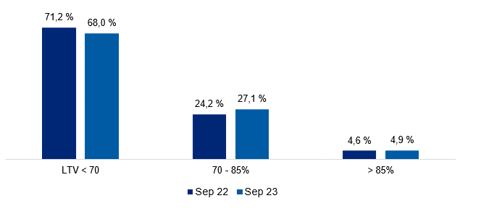

Risk weight in the mortgage portfolio

2.2_Retail
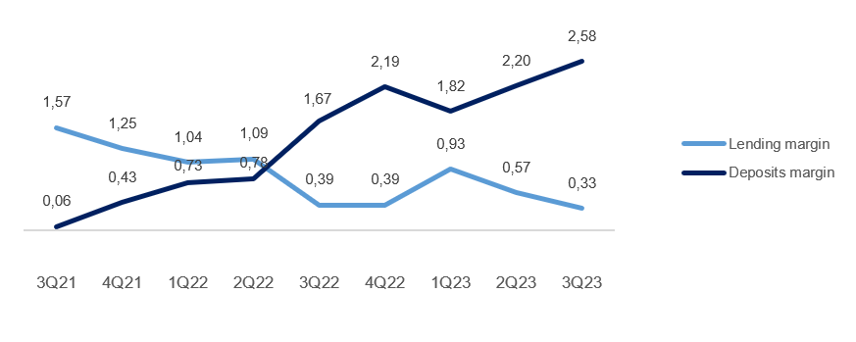
2.2 Retail market

Business description

 | 30 Sep
Facts about the business area | 2023
Lending volume | 165,454
Deposits volume | 63,878
FTEs | 453

Financial performance

Quarterly figures [NOK million] | 3Q23 | 2Q23 | 1Q23 | 4Q22 | 3Q22 | 2Q22 | 1Q22 | 4Q21 | 3Q21

Net interest income lending | -5 | 44 | 71 | 12 | 55 | 111 | 126 | 159 | 205
Net interest income deposits | 504 | 419 | 356 | 371 | 269 | 193 | 162 | 124 | 86
Net interest income allocated capital | 133 | 107 | 97 | 92 | 43 | 31 | 24 | 23 | 9
Total interest income | 632 | 570 | 524 | 476 | 367 | 335 | 313 | 306 | 300
Net guarantee commission, incl BK, NK | 40 | 68 | 69 | 45 | 77 | 91 | 97 | 108 | 128
Net commission of savings products | 12 | 13 | 12 | 16 | 21 | 18 | 12 | 23 | 27
Net commission insurance services | 59 | 57 | 53 | 53 | 53 | 52 | 51 | 47 | 47
Net commission payment trans. services | 56 | 50 | 47 | 62 | 57 | 47 | 43 | 46 | 38
Other commision income | 1 | 0 | 0 | 0 | 0 | 0 | 0 | 0 | 0
Net fee and commission income | 168 | 188 | 181 | 177 | 208 | 209 | 202 | 225 | 240
Net profit on financial investments | -2 | 2 | 1 | -1 | 0 | -2 | 0 | 0 | 0
Total income | 797 | 760 | 706 | 651 | 575 | 541 | 515 | 531 | 539
Total operating expenses¹ | 315 | 281 | 325 | 253 | 241 | 215 | 248 | 244 | 230
Result before losses | 482 | 479 | 381 | 398 | 334 | 326 | 266 | 288 | 310
Loss on loans, guarantees etc. | 1 | -14 | 9 | 27 | 11 | -2 | -7 | 0 | -1
Result before tax | 481 | 493 | 372 | 371 | 322 | 329 | 274 | 288 | 311

 | YTD | 31 Dec | 31 Dec | 31 Dec | 31 Dec
Five years [NOK million] | 2023 | 2022 | 2021 | 2020 | 2019

Net interest income lending | 110 | 304 | 720 | 677 | 589
Net interest income deposits | 1,280 | 996 | 399 | 408 | 561
Net interest income allocated capital | 336 | 191 | 46 | 128 | 221
Total interest income | 1,726 | 1,491 | 1,165 | 1,213 | 1,372
Net guarantee commission, incl BK, NK | 177 | 309 | 475 | 453 | 397
Net commission of savings products | 37 | 68 | 88 | 83 | 70
Net commission insurance services | 169 | 208 | 184 | 168 | 158
Net commission payment trans. services | 153 | 210 | 158 | 161 | 179
Other commision income | 1 | 1 | 1 | 1 | 1
Net fee and commission income | 537 | 796 | 906 | 867 | 805
Net profit on financial investments | 0 | -4 | 2 | -2 | 0
Total income | 2,263 | 2,283 | 2,074 | 2,078 | 2,177
Total operating expenses¹ | 920 | 958 | 916 | 929 | 875
Result before losses | 1,342 | 1,325 | 1,157 | 1,149 | 1,302
Loss on loans, guarantees etc. | -4 | 29 | -10 | 56 | 32
Result before tax | 1,346 | 1,296 | 1,167 | 1,093 | 1,270

Post- tax return on equity (annualized)² | 18.3 % | 13.6 % | 13.4 % | 13.4 % | 13.1 %

¹ Includes both direct and distributed expences
² Calculation of capital employed in Retail Banking and Corporate Banking is based on regulatory capital. This capital is grossed up to 17.2 percent to be in line with the capital plan.

Margin development

Definition of margin: average customer interest rate minus 3 months nibor

2.3_Corporate
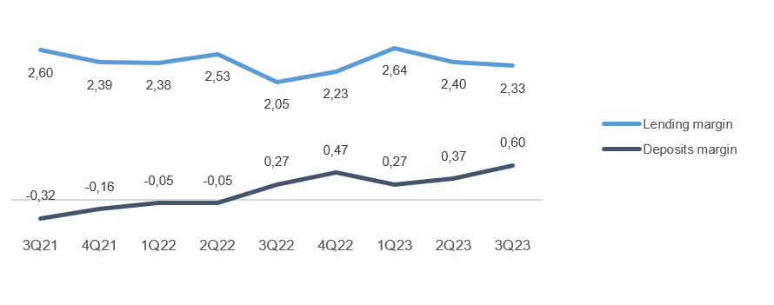
2.3 Corporate market

Business description

 | 30 Sep
Facts about the business area | 2023
Lending volume | 56,605
Deposits volume | 70,011
FTEs | 197

Financial performance

Quarterly figures [NOK million] | 3Q23 | 2Q23 | 1Q23 | 4Q22 | 3Q22 | 2Q22 | 1Q22 | 4Q21 | 3Q21

Net interest income lending | 272 | 264 | 243 | 236 | 242 | 223 | 249 | 219 | 228
Net interest income deposits | 187 | 144 | 149 | 139 | 73 | 85 | 64 | 51 | 38
Net interest income allocated capital | 79 | 76 | 82 | 83 | 45 | 48 | 17 | 22 | 7
Total interest income | 537 | 483 | 474 | 458 | 361 | 356 | 330 | 291 | 273
Net guarantee commission, incl BK, NK | 20 | 18 | 21 | 29 | 24 | 19 | 28 | 30 | 21
Net commission of savings products | 0 | 0 | 0 | 0 | 0 | 0 | 0 | 0 | -1
Net commission insurance services | 10 | 10 | 9 | 9 | 9 | 9 | 9 | 8 | 7
Net commission payment trans. services | 34 | 34 | 26 | 37 | 33 | 33 | 33 | 33 | 30
Other commision income | 8 | 9 | 7 | 8 | 6 | 2 | 3 | 1 | 1
Net fee and commission income | 73 | 70 | 63 | 83 | 72 | 62 | 72 | 73 | 59
Net profit on financial investments | 5 | -14 | 4 | 2 | 3 | 2 | 2 | 5 | 3
Total income | 614 | 540 | 541 | 544 | 436 | 420 | 404 | 370 | 334
Total operating expenses¹ | 135 | 125 | 127 | 119 | 114 | 109 | 124 | 120 | 109
Result before losses | 480 | 415 | 413 | 425 | 322 | 311 | 280 | 249 | 225
Loss on loans, guarantees etc. | 27 | 15 | -86 | -19 | 1 | -51 | 3 | 20 | 25
Result before tax | 452 | 400 | 500 | 443 | 322 | 361 | 277 | 229 | 200

 | YTD | 31 Dec | 31 Dec | 31 Dec | 31 Dec
Five years [NOK million] | 2023 | 2022 | 2021 | 2020 | 2019

Net interest income lending | 778 | 950 | 881 | 769 | 715
Net interest income deposits | 480 | 362 | 197 | 277 | 271
Net interest income allocated capital | 236 | 193 | 42 | 102 | 185
Total interest income | 1,494 | 1,505 | 1,120 | 1,149 | 1,171
Net guarantee commission, incl BK, NK | 59 | 99 | 92 | 72 | 76
Net commission of savings products | 0 | 0 | 0 | 1 | 2
Net commission insurance services | 29 | 36 | 31 | 26 | 25
Net commission payment trans. services | 93 | 135 | 121 | 101 | 97
Other commision income | 25 | 19 | 6 | 11 | 5
Net fee and commission income | 206 | 290 | 251 | 211 | 205
Net profit on financial investments | -5 | 9 | 15 | 21 | 12
Total income | 1,695 | 1,804 | 1,386 | 1,381 | 1,388
Total operating expenses¹ | 386 | 467 | 446 | 422 | 410
Result before losses | 1,309 | 1,337 | 940 | 959 | 978
Loss on loans, guarantees etc. | -44 | -66 | 145 | 846 | 213
Result before tax | 1,353 | 1,403 | 795 | 113 | 765

Post- tax return on equity (annualized)² | 25.4 % | 20.8 % | 11.5 % | 2.1 % | 11.7 %

¹ Includes both direct and distributed expences
² Calculation of capital employed in Retail Banking and Corporate Banking is based on regulatory capital. This capital is grossed up to 17.2 percent to be in line with the capital plan.

Margin development

Definition of margin: average customer interest rate minus 3 months nibor

Appendix
3 Appendix

A1 Business description

 | 1 | 1
SpareBank 1 SMN is the region's leading financial services group and one of six owners of the SpareBank 1 Alliance. Its head office is in Trondheim. SpareBank 1 SMN is a regional independent savings bank with a local footing. Through the SpareBank 1 Alliance and its own subsidiaries, SpareBank 1 SMN has secured access to comnpetitive products in the fields of financing, savings and investment, insurance and payment services. The bank is organised under the following structure:
Financial Group SpareBank 1 SMN

Main areas of SpareBank 1 SMN
Retail Market
______________________________________________________________________________________________________
Serves the retail market incl. agricultural customers, sole proprietorships, associations etc.
Corporate Market
_____________________________________________________________________________________________________
Serves the retail corporate clients.
Central credit function for the Group
Administration
& Support
_____________________________________________________________________________________________________

Subsidiaries |  |  | Other associates
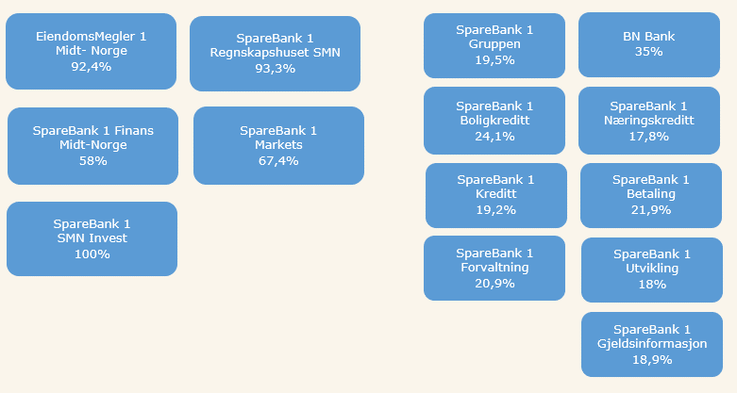

Organisation of SpareBank 1 SMN

Supervisory Board

Board of Directors

Communication and Society

Group CEO
Risk Management
Technology and Development

Retail
Banking
Corporate
Banking
EiendomsMegler 1 Midt-Norge
SpareBank 1 Regnskapshuset SMN
Group Finance and Governance

Overwiew of governing and control bodies

Supervisory Board
_____________________________________________________________________________________________________

ECC holders
40 %
Depositors
17.5 %
Country Council
17.5 %
Employes
25 %
External Audit
Election Committee
Internal Audit
Board of Directors
_____________________________________________________________________________________________________

CEO

SpareBank 1 Alliance
SpareBank 1 SMN was one of the founding partners of the SpareBank 1 Alliance in 1996. The Alliance consists of closely cooperating saving banks, all of them being independent and locally anchored banks. The purpose of the SpareBank1 Alliance is for members to develop, procure and supply competitive financial services and products and to exploit economies of scale. The Alliance canalize a lot of its mutual interests through SpareBank1 Gruppen AS, a holding company of life and non-life insurance, mutual funds, a broker-dealer and other companies. The Alliance is the 2nd largest Norwegian financial group with wide distribution all over Norway.

Members
SpareBank 1
SMN
SpareBank 1
SR-Bank
SpareBank 1
Nord-Norge
Samspar
SpareBank 1 Østlandet
LO

Products, commisions, dividends |  |  |  | Sales, loan portfolios, capital

SpareBank 1 Alliance companies

BN Bank
SpareBank 1
Boligkreditt
SpareBank 1
Gruppen AS

SpareBank 1
Kredittkort
SpareBank 1
Næringskreditt
Fremtind Forsikring
SpareBank 1
Factoring, Collection

SpareBank 1
Betaling
Sparebank 1 Forsikring
Odin Forvaltning

Banking Cooperation
_____________________________________________________________________________________________________

* LO - The Norwegian Confederation of Trade Unions

A2 20 largest ECC holders

Owner | Number | Ownership in %
Sparebankstiftinga Søre Sunnmøre | 12,971,224 |  | 8.99%
Sparebankstiftelsen SMN | 5,463,847 |  | 3.79%
KLP | 3,662,282 |  | 2.54%
Pareto Aksje Norge VPF | 3,519,218 |  | 2.44%
State Street Bank and Trust Comp | 3,433,407 |  | 2.38%
Pareto Invest Norge AS | 2,938,362 |  | 2.04%
VPF Eika Egenkapitalbevis | 2,586,476 |  | 1.79%
J. P. Morgan Chase Bank, N.A., London | 2,577,652 |  | 1.79%
VPF Alfred Berg Gamba | 2,562,032 |  | 1.78%
VPF Odin Norge | 2,437,704 |  | 1.69%
Danske Invest Norske Aksjer Institusjon II. | 2,345,940 |  | 1.63%
State Street Bank and Trust Comp | 2,304,307 |  | 1.60%
RBC Investor Services Trust | 2,039,805 |  | 1.41%
The Northern Trust Comp | 2,032,500 |  | 1.41%
Forsvarets personellservice | 2,014,446 |  | 1.40%
VPF Holberg Norge | 2,000,000 |  | 1.39%
VPF Nordea Norge | 1,847,635 |  | 1.28%
J. P. Morgan SE | 1,833,630 |  | 1.27%
MP Pensjon PK | 1,352,771 |  | 0.94%
J. P. Morgan SE | 1,255,814 |  | 0.87%
Total 20 largest shareholders | 61,179,052 |  | 42.42%
Others | 83,036,538 |  | 57.58%
Total | 144,215,590 |  | 100%

A3 ECC capital history

 |  | Change in |  | Total
Year | Change | ECC capital |  | ECC capital |  | No. of ECC's
1991 | Placing |  | 525 |  | 525 | 5,250,000
1992 | Placing |  | 75 |  | 600 | 6,000,000
2000 | Employee placing |  | 5 |  | 605 | 6,053,099
2001 | Employee placing |  | 5 |  | 610 | 6,099,432
2002 | Employee placing |  | 5 |  | 614 | 6,148,060
2004 | Bonus Issue |  | 154 |  | 768 | 7,685,075
2005 | Placing |  | 217 |  | 986 | 9,859,317
2005 | Employee placing |  | 24 |  | 1,009 | 10,097,817
2005 | Split |  | - |  | 1,009 | 40,391,268
2005 | Bonus Issue |  | 253 |  | 1,262 | 50,489,085
2007 | Dividend Issue |  | 82 |  | 1,344 | 53,752,203
2007 | Employee placing |  | 5 |  | 1,349 | 53,976,003
2008 | Dividend Issue |  | 91 |  | 1,440 | 57,603,748
2008 | Employee placing |  | 6 |  | 1,447 | 57,861,806
2009 | Bonus Issue |  | 289 |  | 1,736 | 69,434,167
2010 | Placing |  | 624 |  | 2,360 | 94,397,474
2010 | Employee placing |  | 13 |  | 2,373 | 94,905,286
2011 | Issue |  | 1 |  | 2,373 | 94,930,286
2012 | Placing |  | 95 |  | 2,468 | 123,407,456
2012 | Employee placing |  | 16 |  | 2,484 | 124,218,466
2012 | Private placement |  | 112 |  | 2,597 | 129,836,443

A4 CAD - methods for calculating minimum requirements

 | Portfolio |  |  |  |  | Regulatory method

Credit risk | States - parent bank |  |  |  |  | Standardized approach
 | Institutions - parent bank |  |  |  |  | Standardized approach
 | Housing cooperatives, clubs and associations - parent bank |  |  |  |  | Standardized approach
 | Enterprises - parent bank |  |  |  |  | Advanced IRB approach
 | Mass market - parent bank |  |  |  |  | IRB - mass market (advanced)
 | SpareBank 1 Finans Midt-Norge AS |  |  |  |  | Standardized approach
 | SpareBank 1 SMN Invest |  |  |  |  | Standardized approach
 | Mass market - SpareBank 1 Boligkreditt AS |  |  |  |  | IRB - mass market (advanced)
 | Enterprises - SpareBank 1 Næringskreditt AS |  |  |  |  | Standardized approach
 | Enterprises - BN Bank AS |  |  |  |  | Advanced IRB approach
 | Mass market - BN Bank AS |  |  |  |  | IRB - mass market (advanced)
Market risk | Equity risk - parent bank |  |  |  |  | Standardized approach
 | Debt risk - parent bank |  |  |  |  | Standardized approach
 | Currency risk - parent bank |  |  |  |  | Standardized approach
 | Subsidiaries and part-owned companies |  |  |  |  | Standardized approach
Operational risk | SpareBank 1 SMN (parent bank) |  |  |  |  | Standardized approach
 | Subsidiaries and part-owned companies |  |  |  |  | Basic Indicator Approach

