Intro
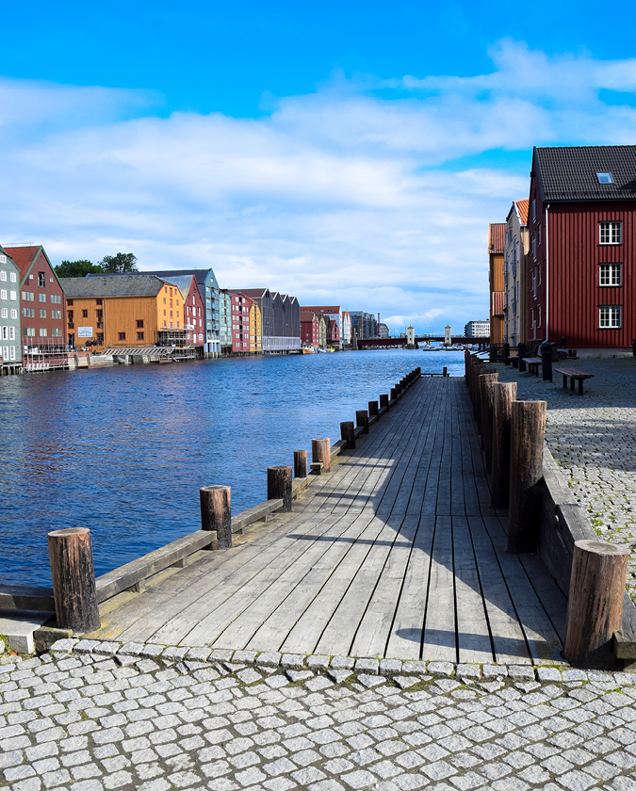
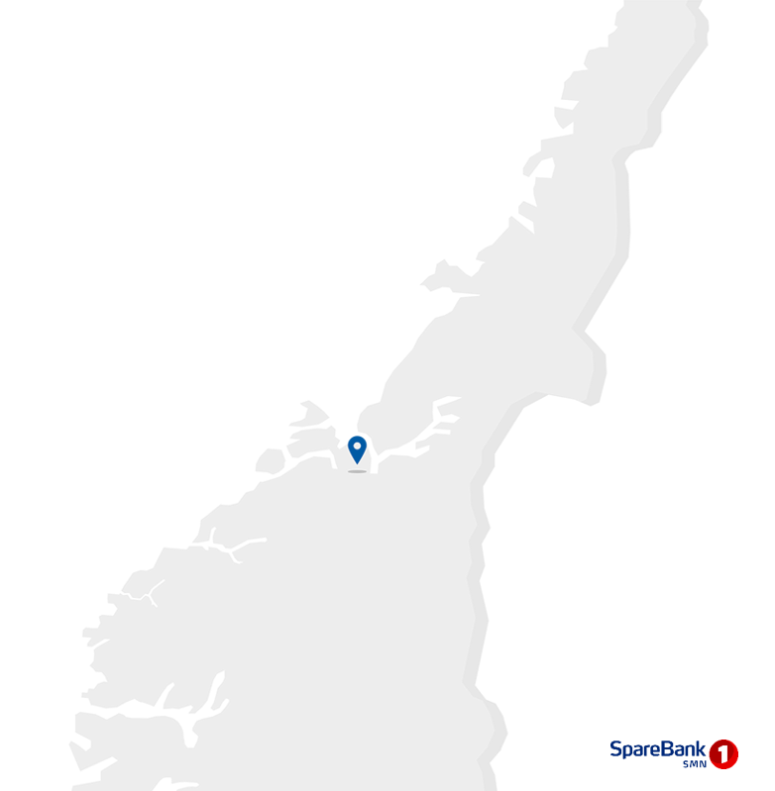
Contact information
CEO Jan-Frode Janson
For further information, please contact
CFO Trond Søraas
trond.soraas@smn.no
+47 922 36 803
Address
SpareBank1 SMN Postboks 4796 Sluppen, 7467 Trondheim
Switchboard +47 915 07 300
Visiting address Søndre gate 4, 7011 Trondheim
Information on the internet
SpareBank1 SMN's homepage www.smn.no
ECC information in general www.egenkapitalbevis.no
Investor Relations
Supplementary Information

2024
Q1

Changes
Major changes from Q4 2023

Merger of the insurance arms of Fremtind and Eika approved by the Competition Authority
In January 2024, the transaction agreement to amalgamate the insurance businesses of Fremtind and Eika was signed. The agreement is contingent on approval from the Competition Authority and Finanstilsynet (Norway’s Financial Supervisory Authority). The Competition Authority’s approval for the merger of Fremtind Forsikring and Eika Forsikring was granted on 1 March 2024. Finanstilsynet’s approval is expected in the second quarter of 2024.
SpareBank 1 SMN owns 19.5 per cent of the shares of the SpareBank 1 Group, which upon completion of the transaction will own 51.44 per cent of the shares of Fremtind Holding.
Insurance settlement in the embezzlement affair
In the first quarter SpareBank 1 SMN reached a settlement in the embezzlement affair whereby the insurance company disbursed NOK 30 million to the bank. The embezzlement was first reported on in the first quarter of 2023.

1.1_Highlights
1.1 Financial highlights

January - March 2024 |  |  |  |  |  |  | YTD | 2023

Profit before tax and inv. held for sale |  |  | 1,353 |  | NOK million |  | 946
Net profit |  |  | 1,084 |  | NOK million |  | 778
Return on equity |  |  | 16.0 |  | per cent |  | 13.0
Annual lending growth |  |  | 11.4 |  | per cent |  | 7.0
Annual deposits growth |  |  | 8.8 |  | per cent |  | 8.3
Loan losses |  |  | 24 |  | NOK million |  | -71
CET1 ratio |  |  | 18.5 |  | per cent |  | 18.2
Earnings per EC |  |  | 4.68 |  | NOK |  | 0.64

Q1 2024 |  |  |  |  |  |  | Q1 | 2023

Profit before tax and inv. held for sale |  |  | 1,353 |  | NOK million |  | 946
Net profit |  |  | 1,084 |  | NOK million |  | 778
Return on equity |  |  | 16.0 |  | per cent |  | 13.0
Loan losses |  |  | 24 |  | NOK million |  | -71
Earnings per EC |  |  | 4.68 |  | NOK |  | 3.51

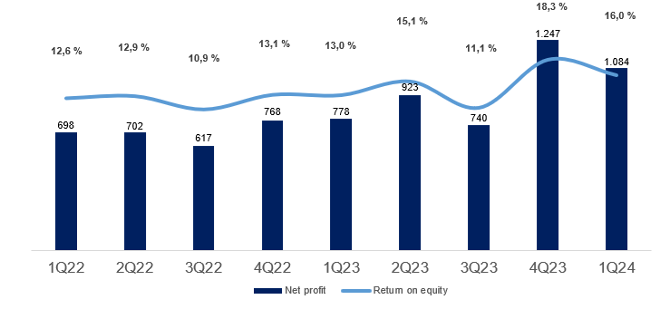

Main figures

Quarterly figures [NOK million] | 1Q24 | 4Q23 | 3Q23 | 2Q23 | 1Q23 | 4Q22 | 3Q22 | 2Q22 | 1Q22

Net interest | 1,306 | 1,312 | 1,191 | 1,094 | 1,035 | 961 | 814 | 803 | 759
Commission income and other income | 572 | 498 | 484 | 561 | 541 | 473 | 491 | 555 | 522
Net return on financial investments | 281 | 571 | 97 | 103 | 28 | 163 | 86 | -43 | 175
Total income | 2,159 | 2,382 | 1,772 | 1,757 | 1,604 | 1,597 | 1,391 | 1,316 | 1,456
Total operating expenses | 782 | 866 | 741 | 683 | 728 | 646 | 583 | 585 | 629
Result before losses | 1,377 | 1,517 | 1,032 | 1,074 | 875 | 951 | 808 | 731 | 827
Loss on loans, guarantees etc. | 24 | 20 | 35 | 29 | -71 | 19 | 22 | -48 | 0
Result before tax | 1,353 | 1,496 | 996 | 1,045 | 946 | 932 | 785 | 779 | 827
Tax charge | 273 | 262 | 278 | 159 | 206 | 210 | 179 | 164 | 166
Results investments held for sale, after tax | 3 | 12 | 22 | 37 | 38 | 46 | 10 | 87 | 37
Net profit | 1,084 | 1,247 | 740 | 923 | 778 | 768 | 617 | 702 | 698

Five years [NOK million] | YTD 24 | 2023 | 2022 | 2021 | 2020

Net interest | 1,306 | 4,632 | 3,339 | 2,805 | 2,759
Commission income and other income | 572 | 2,084 | 2,042 | 2,141 | 2,516
Net return on financial investments | 281 | 799 | 380 | 840 | 951
Total income | 2,159 | 7,515 | 5,760 | 5,786 | 6,225
Total operating expenses | 782 | 3,017 | 2,443 | 2,360 | 2,904
Result before losses | 1,377 | 4,498 | 3,317 | 3,426 | 3,321
Loss on loans, guarantees etc. | 24 | 14 | -7 | 161 | 951
Result before tax | 1,353 | 4,484 | 3,324 | 3,266 | 2,370
Tax charge | 273 | 904 | 718 | 563 | 400
Results investments held for sale, after tax | 3 | 108 | 179 | 200 | 9
Net profit | 1,084 | 3,688 | 2,785 | 2,902 | 1,978

Balance sheet - condensed

 | 31 Mar | 31 Dec | 30 Sep | 30 Jun | 31 Mar | 31 Dec | 30 Sep | 30 Jun | 31 Mar
Quarterly figures [NOK million] | 2024 | 2023 | 2023 | 2023 | 2023 | 2022 | 2022 | 2022 | 2022

Total assets | 235,721 | 232,717 | 243,472 | 248,806 | 228,207 | 223,312 | 218,918 | 217,458 | 207,027
Average total assets (quarterly) | 234,219 | 238,095 | 246,139 | 238,507 | 225,759 | 221,115 | 218,188 | 212,243 | 202,936

Gross loans to customers ¹ | 238,270 | 236,329 | 234,316 | 232,100 | 213,967 | 211,244 | 208,900 | 205,504 | 199,965
Deposits from customers | 134,395 | 132,888 | 138,230 | 140,164 | 123,529 | 122,010 | 120,558 | 123,812 | 114,053

Total equity capital | 27,004 | 28,597 | 27,471 | 26,975 | 24,092 | 25,009 | 23,863 | 22,993 | 22,439
¹ Loans to customers includes loans sold to SpareBank1 Boligkreditt and SpareBank1 Næringskreditt.

Five years [NOK million] | YTD 24 | 2023 | 2022 | 2021 | 2020

Total assets | 235,721 | 232,717 | 223,110 | 198,845 | 187,912
Average total assets | 234,219 | 235,303 | 213,112 | 196,229 | 183,428

Gross loans to customers ¹ | 238,270 | 236,329 | 211,244 | 195,353 | 182,801
Deposits from customers | 134,395 | 132,888 | 122,010 | 111,286 | 97,529

Total equity capital | 27,004 | 28,597 | 25,009 | 23,241 | 21,310
¹ Loans to customers includes loans sold to SpareBank1 Boligkreditt and SpareBank1 Næringskreditt.

Equity capital certificate (MING)

Quarterly figures | 1Q24 | 4Q23 | 3Q23 | 2Q23 | 1Q23 | 4Q22 | 3Q22 | 2Q22 | 1Q22

ECC price | 137.80 | 141.80 | 137.20 | 141.00 | 123.60 | 127.40 | 111.40 | 115.80 | 141.20
Number of certificates issued, millions | 144.13 | 144.20 | 143.82 | 143.80 | 129.43 | 129.29 | 129.29 | 129.31 | 129.39
Booked equity capital per ECC (incl. dividend) | 113.24 | 120.48 | 116.39 | 112.81 | 105.63 | 109.86 | 107.19 | 102.91 | 99.55
Adjusted profit per ECC | 4.68 | 5.62 | 3.28 | 4.21 | 3.51 | 3.53 | 2.89 | 3.20 | 3.20
P/E per ECC (annualised) | 7.36 | 6.31 | 10.47 | 8.38 | 8.79 | 9.02 | 9.62 | 9.06 | 11.05
P/B equity capital | 1.22 | 1.18 | 1.18 | 1.25 | 1.17 | 1.16 | 1.04 | 1.13 | 1.42

Five years | YTD 24 | 2023 | 2022 | 2021 | 2020

ECC price | 137.80 | 141.80 | 127.40 | 149.00 | 97.60
Number of certificates issued, millions | 144.13 | 144.20 | 129.29 | 129.39 | 129.39
Booked equity capital per ECC (incl. dividend) | 113.24 | 120.48 | 109.86 | 103.48 | 94.71
Adjusted profit per ECC | 4.68 | 16.88 | 12.82 | 13.31 | 8.87
P/E per ECC (annualised) | 7.36 | 8.40 | 9.94 | 11.19 | 11.01
P/B equity capital | 1.22 | 1.18 | 1.16 | 1.44 | 1.03

1.5_Other income
1.5 Other income

Commision and other income

Quarterly figures [NOK million] | 1Q24 | 4Q23 | 3Q23 | 2Q23 | 1Q23 | 4Q22 | 3Q22 | 2Q22 | 1Q22

Guarantees | 17 | 18 | 17 | 15 | 18 | 27 | 19 | 12 | 20
Commission Boligkreditt (cov. bonds) | 59 | 19 | 25 | 53 | 57 | 32 | 63 | 77 | 84
Commission Næringskreditt (cov. bonds) | 4 | 4 | 4 | 4 | 3 | 4 | 4 | 4 | 4
Commision of savings products | 15 | 12 | 11 | 13 | 11 | 12 | 11 | 11 | 10
Real estate agency | 71 | 58 | 66 | 78 | 64 | 62 | 66 | 78 | 61
Insurance | 63 | 61 | 67 | 65 | 61 | 60 | 60 | 59 | 57
Payment transfers | 123 | 138 | 126 | 117 | 112 | 128 | 128 | 112 | 102
Other | 15 | 16 | 19 | 23 | 16 | 15 | 20 | 25 | 19
Total commisions income | 367 | 325 | 336 | 367 | 341 | 340 | 370 | 378 | 358
Operating- and sales income real estate | 44 | 40 | 44 | 41 | 42 | 32 | 39 | 46 | 33
Accounting services | 200 | 152 | 138 | 182 | 188 | 127 | 115 | 167 | 156
Other operating income | 13 | 21 | 24 | 22 | 19 | 19 | 19 | 9 | 17
Total other operating income | 257 | 213 | 206 | 245 | 249 | 178 | 173 | 223 | 206
Commision expenses | 51 | 40 | 58 | 51 | 50 | 45 | 52 | 46 | 42
Total commision and other income | 572 | 498 | 484 | 561 | 541 | 473 | 491 | 555 | 522
As a percentage of total income | 26% | 21% | 27% | 32% | 34% | 30% | 35% | 42% | 36%

Five years [NOK million] | YTD 24 | 2022 | 2021 | 2020 | 2019

Guarantees | 17 | 68 | 77 | 76 | 58
Commission Boligkreditt (cov. bonds) | 59 | 155 | 256 | 450 | 408
Commission Næringskreditt (cov. bonds) | 4 | 15 | 16 | 14 | 13
Commision of savings products | 15 | 47 | 44 | 63 | 56
Real estate agency | 71 | 265 | 267 | 291 | 251
Insurance | 63 | 253 | 236 | 214 | 195
Payment transfers | 123 | 493 | 471 | 409 | 390
Other | 15 | 74 | 80 | 69 | 71
Total commisions income | 367 | 1,370 | 1,446 | 1,586 | 1,443
Operating- and sales income real estate | 44 | 166 | 151 | 150 | 142
Accounting services | 200 | 661 | 564 | 529 | 506
Other operating income | 13 | 86 | 66 | 52 | 622
Total other operating income | 257 | 913 | 781 | 731 | 1,269
Commision expenses | 51 | 199 | 186 | 177 | 196
Total commision and other income | 572 | 2,084 | 2,042 | 2,141 | 2,516
As a percentage of total income | 26% | 28% | 35% | 37% | 41%

Distribution of commision income

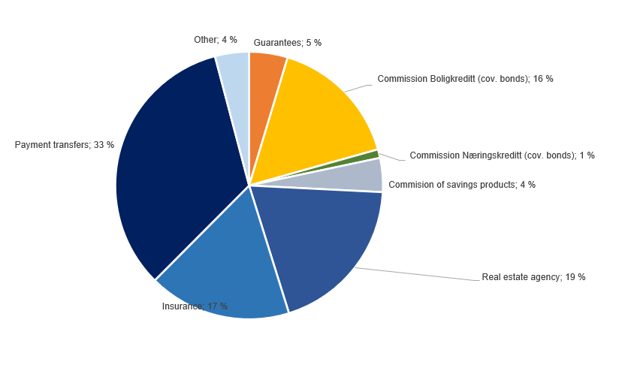

Change in commision and other income

Last 12 months [NOK million] | 1Q24 | Change | 1Q23
Commision and other income | 572 | 31 | 541
Real estate agency |  | 8
Other operating income |  | -6
Operating- and sales income real estate |  | 2
Accounting services |  | 11
Insurance |  | 2
Commission of savings products |  | 4
Commission expenses |  | -2
Other |  | -1
Payments transfers |  | 11
Guarantees |  | -1
Commission Boligkreditt (cov. bonds) |  | 2
Commission Næringskreditt (cov. bonds) |  | 0
Net return on financial investments

including investments held for sale
Quarterly figures [NOK million] | 1Q24 | 4Q23 | 3Q23 | 2Q23 | 1Q23 | 4Q22 | 3Q22 | 2Q22 | 1Q22

Dividends | 3 | -10 | 16 | 18 | 2 | 19 | 8 | 4 | 2
SpareBank 1 Gruppen | 40 | -51 | -13 | -5 | 34 | 128 | 17 | 16 | 13
SpareBank 1 Boligkreditt | 33 | 30 | 5 | 29 | 33 | -1 | 10 | -4 | -5
SpareBank 1 Næringskreditt | 4 | 1 | 4 | 3 | 2 | 2 | 0 | 2 | 0
BN Bank | 84 | 73 | 64 | 58 | 62 | 54 | 53 | 47 | 49
SpareBank 1 Kreditt | -4 | -3 | -3 | -2 | -4 | 0 | 3 | 3 | 3
SpareBank 1 Betaling | -12 | -8 | -10 | -11 | -8 | 22 | -3 | 0 | -5
SpareBank 1 Markets | 25 | 19
Other companies | 23 | 28 | -48 | 13 | 5 | -10 | 28 | 13 | 7
Income from inv. in associates and joint ventures | 194 | 90 | -2 | 85 | 125 | 195 | 108 | 77 | 62
Capital gains shares | 42 | 472 | 17 | -7 | -17 | -23 | -67 | -35 | 137
Gain on sertificates and bonds | -94 | 228 | 21 | -208 | -25 | 49 | -97 | -177 | -201
Gain on derivatives | 96 | -223 | 5 | 156 | -57 | -108 | 120 | 93 | 171
Gain on financial instruments related to hedging | 6 | -4 | -3 | 8 | 1 | -21 | 13 | -1 | 0
Gain on other financial instruments at fair value (FVO) | 11 | -9 | 23 | 14 | -24 | 28 | -29 | -33 | -3
Foreign exchange gain | 22 | 27 | 20 | 38 | 23 | 24 | 30 | 29 | 7
Net return on financial investments¹ | 84 | 491 | 83 | 1 | -99 | -52 | -30 | -123 | 111
Total net return on financial investments | 281 | 571 | 97 | 103 | 28 | 163 | 86 | -43 | 175
As percentage of total income | 13% | 24% | 5% | 6% | 2% | 10% | 6% | -3% | 12%

Five years [NOK million] | YTD 24 | 2023 | 2022 | 2021 | 2020

Dividends | 3 | 26 | 33 | 22 | 39
SpareBank 1 Gruppen | 40 | -34 | 175 | 471 | 194
Capital gain Fremtind Forsikring | 0 | 0 | 0 | 0 | 340
SpareBank 1 Boligkreditt | 33 | 98 | 1 | 16 | 18
SpareBank 1 Næringskreditt | 4 | 10 | 3 | 7 | 18
BN Bank | 84 | 257 | 203 | 164 | 120
SpareBank 1 Kreditt | -4 | -13 | 9 | 13 | 2
SpareBank 1 Betaling | -12 | -37 | 13 | -15 | -2
SpareBank 1 Markets | 25 | 19
Other companies | 23 | -2 | 39 | 49 | -10
Income from inv. in associates and joint ventures | 194 | 297 | 442 | 705 | 681
Capital gains shares | 42 | 464 | 13 | 176 | -4
Gain on sertificates and bonds | -94 | 15 | -425 | -435 | 103
Gain on derivatives | 96 | -118 | 275 | 294 | 32
Gain on financial instruments related to hedging | 6 | 2 | -10 | -6 | 1
Gain on other financial instruments at fair value (FVO) | 11 | 5 | -38 | 12 | -11
Foreign exchange gain | 22 | 108 | 91 | 70 | 82
Gain on shares and derivatives in SB1 Markets | 0 | 0 | 0 | 0 | 28
Net return on financial investments | 84 | 476 | -94 | 112 | 230
Total net return on financial investments | 281 | 799 | 380 | 840 | 951
As percentage of total income | 13% | 11% | 7% | 15% | 15%

Change in net return on financial investments

Last 12 months [NOK million] | 1Q24 | Change | 1Q23
Net return on financial investments | 281 | 253 | 28
Dividends |  | 1
Income from investment in related companies |  | 69
Capital gains shares |  | 59
Gain on other financial instruments |  | 125
Foreign exchange gain |  | -1

1.7_Loans
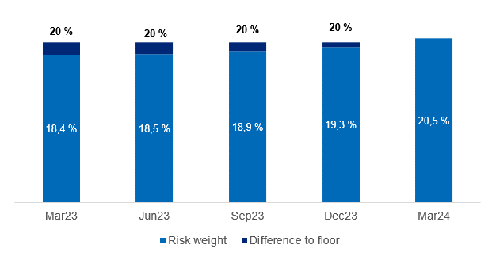
1.7 Loans to customers

Distribution of loans by industry

 | 31 Mar | 31 Dec | 30 Sep | 30 Jun | 31 Mar | 31 Dec | 30 Sep | 30 Jun | 31 Mar
Quarterly figures [NOK million] | 2024 | 2023 | 2023 | 2023 | 2023 | 2022 | 2022 | 2022 | 2022

Agriculture and forestry | 12,398 | 12,489 | 12,141 | 11,791 | 11,214 | 11,140 | 10,389 | 10,104 | 9,807
Fisheries | 5,626 | 5,488 | 6,371 | 6,397 | 7,123 | 7,075 | 7,016 | 6,914 | 7,086
Fish farming | 2,499 | 2,473 | 2,978 | 2,315 | 2,179 | 2,656 | 2,507 | 2,969 | 2,194
Manufacturing | 3,806 | 3,757 | 3,843 | 3,683 | 3,321 | 3,150 | 2,833 | 2,653 | 2,856
Construction, power and water supply | 7,484 | 7,353 | 7,360 | 7,534 | 6,086 | 5,526 | 5,436 | 4,817 | 4,266
Retail trade, hotels and restaurants | 3,961 | 3,777 | 3,682 | 3,786 | 3,872 | 3,632 | 3,471 | 3,285 | 3,212
Maritime sector | 5,066 | 6,030 | 5,957 | 5,944 | 5,700 | 5,382 | 5,313 | 5,064 | 5,067
Commercial Real Estate | 22,237 | 21,400 | 20,646 | 20,738 | 19,703 | 18,840 | 18,501 | 17,647 | 17,570
Business services | 4,904 | 5,148 | 5,193 | 5,134 | 4,635 | 4,312 | 4,530 | 5,151 | 5,207
Transport and other services provision | 7,424 | 6,459 | 5,818 | 6,712 | 6,182 | 6,375 | 6,721 | 6,811 | 6,448
Public administration | 46 | 39 | 36 | 33 | 37 | 35 | 139 | 32 | 32
Other sectors | 1,958 | 2,140 | 1,493 | 1,395 | 1,094 | 1,288 | 1,619 | 1,401 | 1,223
Gross loans in corporate market | 77,407 | 76,553 | 75,516 | 75,463 | 71,146 | 69,411 | 68,473 | 66,848 | 64,966
Retail customers | 160,863 | 159,777 | 158,800 | 156,637 | 142,822 | 141,833 | 140,426 | 138,657 | 134,998
Gross loans incl. Boligkreditt and Næringskreditt | 238,270 | 236,329 | 234,316 | 232,100 | 213,967 | 211,244 | 208,900 | 205,504 | 199,965
of which Boligkreditt | 67,249 | 64,719 | 63,616 | 63,527 | 59,054 | 56,876 | 57,051 | 55,218 | 51,233
of which Næringskreditt | 1,695 | 1,749 | 1,761 | 1,754 | 1,732 | 1,739 | 1,601 | 1,605 | 1,709
Gross loans in balance sheet | 169,326 | 169,862 | 168,940 | 166,819 | 153,181 | 152,629 | 150,247 | 148,681 | 147,023

Share of volume, corporate market | 32% | 32% | 32% | 33% | 33% | 33% | 33% | 33% | 32%
Share of volume, retail market | 68% | 68% | 68% | 67% | 67% | 67% | 67% | 67% | 68%

Distribution of loans by industry

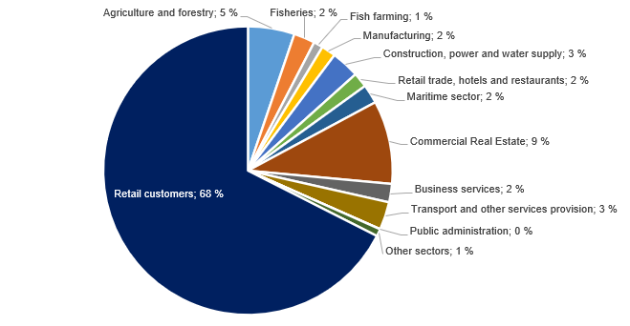

Credit risk classification in SpareBank 1 SMN

 | Probability of default (%) |  | Corresponding rating class
Risk class | Low | High | Moody's

A | 0.01 | 0.10 | AAA - A3
B | 0.10 | 0.25 | Baa1 - Baa2
C | 0.25 | 0.50 | Baa3
D | 0.50 | 0.75 | Ba1
E | 0.75 | 1.25 | Ba2
F | 1.25 | 2.50
G | 2.50 | 5.00 | Ba2 - B1
H | 5.00 | 10.00 | B1 - B2
I | 10.00 | 99.99 | B3 - caa3
J | Default
K | Written down
SB 1 SMN's risk classification system, where A represents the lowest risk and K the highest risk

Risk profile - Exposure at default

As of | EAD
31 March 2024 | NOK billion | %

A | 59.3 | 23.0 %
B | 69.0 | 26.7 %
C | 65.3 | 25.3 %
D | 23.3 | 9.0 %
E | 11.8 | 4.6 %
F | 14.2 | 5.5 %
G | 8.5 | 3.3 %
H | 2.6 | 1.0 %
I | 2.5 | 1.0 %
J | 1.1 | 0.4 %
K | 0.8 | 0.3 %
Exposure at default, EAD, is the share of the approved credit that is expected to be drawn at the time of any future default at the same time as there is a downturn in the market.
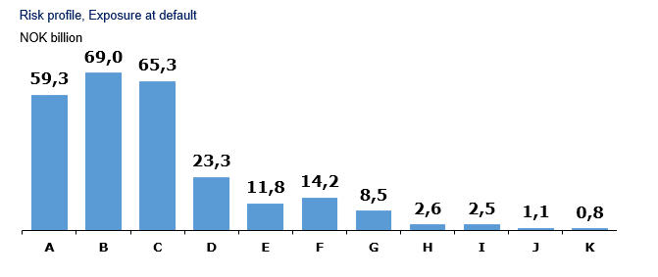

Loans and guarantees by industry

As of |  | Very low | Low | Medium | High | Very high | Default and
31 March 2024 | Total | risk | risk | risk | risk | risk | written down

A - Agriculture, fishery and forestry | 24,354 | 12,800 | 7,334 | 3,136 | 396 | 456 | 231
B - Mining and quarrying | 169 | 14 | 12 | 12 | 0 | 9 | 120
C - Manufacturing | 4,587 | 1,287 | 1,266 | 1,757 | 124 | 101 | 51
D - Electricity, gas, steam and air conditioning supply | 243 | 197 | 13 | 29 | 5 | 0 | 0
E - Water supply, sewerage and waste management | 142 | 53 | 24 | 55 | 1 | 9 | 0
F - Construction | 7,522 | 1,139 | 1,168 | 4,576 | 282 | 125 | 231
G - Retail trade, repair of motor vehicles | 3,447 | 1,094 | 792 | 1,340 | 131 | 83 | 8
H - Transportation and storage | 11,549 | 5,194 | 2,951 | 2,996 | 28 | 29 | 350
I - Accommodation and catering | 873 | 320 | 172 | 277 | 62 | 36 | 5
J - Information and communication | 1,215 | 1,044 | 87 | 64 | 5 | 2 | 12
K - Financing and insurance activities | 5,169 | 2,287 | 1,759 | 699 | 315 | 109 | 0
L -Property management | 23,151 | 14,568 | 3,958 | 3,784 | 381 | 252 | 207
M - Professional, scientific and technical services | 1,546 | 607 | 587 | 309 | 22 | 10 | 12
N - Business services | 1,145 | 275 | 393 | 424 | 22 | 10 | 21
O - Public administration and defense, and public social security schemes | 794 | 794 | 0 | 0 | 0 | 0 | 0
P - Education | 183 | 105 | 31 | 43 | 3 | 0 | 1
Q - Health and social services | 505 | 361 | 87 | 56 | 1 | 0 | 0
R - Cultural activities, entertainment and recreation | 576 | 264 | 18 | 131 | 11 | 153 | 0
S - Other services | 469 | 221 | 139 | 94 | 3 | 6 | 5
T - Employment in private households | 7 | 4 | 0 | 4 | 0 | 0 | 0
U - International organizations | 0 | 0 | 0 | 0 | 0 | 0 | 0
V - Subsidiary | 12,316 | 12,316 | 0 | 0 | 0 | 0 | 0
W -Other sectors | 158,296 | 138,686 | 14,219 | 2,891 | 812 | 1,065 | 624
1Q24 | 258,257 | 193,630 | 35,011 | 22,678 | 2,603 | 2,455 | 1,879

Five years [NOK million] |  | Very low | Low | Medium | High | Very high | Default and
 | Total | risk | risk | risk | risk | risk | written down
YTD 24 | 258,257 | 193,630 | 35,011 | 22,678 | 2,603 | 2,455 | 1,879
2023 | 256,360 | 192,672 | 33,045 | 23,250 | 2,835 | 2,536 | 2,023
2022 | 230,970 | 174,011 | 31,176 | 18,727 | 3,139 | 1,888 | 2,029
2021 | 213,697 | 159,702 | 30,810 | 15,278 | 2,910 | 1,768 | 3,229
2020 | 199,515 | 146,743 | 29,179 | 16,591 | 2,906 | 1,931 | 2,165

Write-downs on loans and guarantees

Quarterly figures [NOK million] | 1Q24 | 4Q23 | 3Q23 | 2Q23 | 1Q23 | 4Q22 | 3Q22 | 2Q22 | 1Q22

Change in provision for expected credit losses for the period | 16 | -4 | 25 | 56 | -83 | 7 | 26 | -64 | -16
Actual loan losses on commitments exceeding provisions made | 11 | 145 | 13 | 42 | 14 | 17 | 0 | 20 | 22
Recoveries on commitments previously written-off | -4 | -121 | -3 | -69 | -2 | -6 | -3 | -3 | -5
Write-downs on loans and guarantees¹ | 24 | 20 | 35 | 29 | -71 | 19 | 22 | -48 | 0
As % of gross loans incl. Boligkreditt | 0.04% | 0.03% | 0.06% | 0.05% | -0.13% | 0.04% | 0.04% | -0.09% | 0.00%

Five years [NOK million] | YTD 24 | 2023 | 2022 | 2021 | 2020

Change in provision for expected credit losses for the period | 16 | -6 | -48 | 30 | 729
Actual loan losses on commitments exceeding provisions made | 11 | 215 | 58 | 142 | 268
Recoveries on commitments previously written-off | -4 | -195 | -17 | -12 | -46
Write-downs on loans and guarantees¹ | 24 | 14 | -7 | 161 | 951
As % of gross loans incl. Boligkreditt | 0.04% | 0.01% | 0.00% | 0.09% | 0.54%

¹Provisions for expected credit losses on loans and guarantees are presented after implemantation of IFRS 9 from January 1, 2018, comparative figures for periodes before Q1 2018 have not been restated.

Loss on loans by segment

Quarterly figures [NOK million] | 1Q24 | 4Q23 | 3Q23 | 2Q23 | 1Q23 | 4Q22 | 3Q22 | 2Q22 | 1Q22

Retail Market | 11 | -2 | 1 | -14 | 9 | 27 | 11 | -2 | -7
Corporate Market | 10 | -25 | 27 | 18 | -86 | -19 | 1 | -51 | 3
SMN Finans and other | 3 | 47 | 6 | 25 | 7 | 11 | 10 | 5 | 4
Total loss on loans | 24 | 20 | 35 | 29 | -71 | 19 | 22 | -48 | 0

Five years [NOK million] | YTD 24 | 2023 | 2022 | 2021 | 2020

Retail Market | 11 | -6 | 29 | -10 | 56
Corporate Market | 10 | -66 | -66 | 145 | 846
SMN Finans and other | 3 | 86 | 30 | 26 | 49
Total loss on loans | 24 | 14 | -7 | 161 | 951

Loan-to-value ratio in the mortgage portfolio

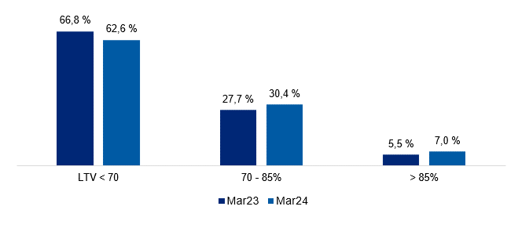

Risk weight in the mortgage portfolio

2.2_Retail
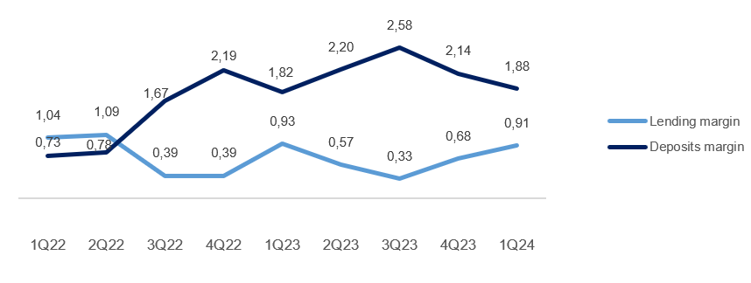
2.2 Retail market

Business description

 | 31 Mar
Facts about the business area | 2024
Lending volume | 167,736
Deposits volume | 65,640
FTEs | 454

Financial performance

Quarterly figures [NOK million] | 1Q24 | 4Q23 | 3Q23 | 2Q23 | 1Q23 | 4Q22 | 3Q22 | 2Q22 | 1Q22

Net interest income lending | 52 | -1 | -5 | 44 | 71 | 12 | 55 | 111 | 126
Net interest income deposits | 449 | 492 | 504 | 419 | 356 | 371 | 269 | 193 | 162
Net interest income allocated capital | 127 | 136 | 133 | 107 | 97 | 92 | 43 | 31 | 24
Total interest income | 628 | 626 | 632 | 570 | 524 | 476 | 367 | 335 | 313
Net guarantee commission, incl BK, NK | 70 | 32 | 40 | 68 | 69 | 45 | 77 | 91 | 97
Net commission of savings products | 13 | 13 | 12 | 13 | 12 | 16 | 21 | 18 | 12
Net commission insurance services | 53 | 54 | 59 | 57 | 53 | 53 | 53 | 52 | 51
Net commission payment trans. services | 50 | 68 | 56 | 50 | 47 | 62 | 57 | 47 | 43
Other commision income | 0 | 0 | 1 | 0 | 0 | 0 | 0 | 0 | 0
Net fee and commission income | 187 | 167 | 168 | 188 | 181 | 177 | 208 | 209 | 202
Net profit on financial investments | 0 | 1 | -2 | 2 | 1 | -1 | 0 | -2 | 0
Total income | 814 | 794 | 797 | 760 | 706 | 651 | 575 | 541 | 515
Total operating expenses¹ | 304 | 373 | 315 | 281 | 325 | 253 | 241 | 215 | 248
Result before losses | 510 | 421 | 482 | 479 | 381 | 398 | 334 | 326 | 266
Loss on loans, guarantees etc. | 11 | -2 | 1 | -14 | 9 | 27 | 11 | -2 | -7
Result before tax | 499 | 423 | 481 | 493 | 372 | 371 | 322 | 329 | 274

 | YTD | 31 Dec | 31 Dec | 31 Dec | 31 Dec
Five years [NOK million] | 2024 | 2023 | 2022 | 2021 | 2020

Net interest income lending | 52 | 108 | 304 | 720 | 677
Net interest income deposits | 449 | 1,772 | 996 | 399 | 408
Net interest income allocated capital | 127 | 472 | 191 | 46 | 128
Total interest income | 628 | 2,352 | 1,491 | 1,165 | 1,213
Net guarantee commission, incl BK, NK | 70 | 209 | 309 | 475 | 453
Net commission of savings products | 13 | 50 | 68 | 88 | 83
Net commission insurance services | 53 | 223 | 208 | 184 | 168
Net commission payment trans. services | 50 | 221 | 210 | 158 | 161
Other commision income | 0 | 2 | 1 | 1 | 1
Net fee and commission income | 187 | 704 | 796 | 906 | 867
Net profit on financial investments | 0 | 1 | -4 | 2 | -2
Total income | 814 | 3,057 | 2,283 | 2,074 | 2,078
Total operating expenses¹ | 304 | 1,293 | 958 | 916 | 929
Result before losses | 510 | 1,764 | 1,325 | 1,157 | 1,149
Loss on loans, guarantees etc. | 11 | -6 | 29 | -10 | 56
Result before tax | 499 | 1,770 | 1,296 | 1,167 | 1,093

Post- tax return on equity (annualized)² | 17.7 % | 17.9 % | 13.6 % | 13.4 % | 13.4 %

¹ Includes both direct and distributed expences
² Calculation of capital employed in Retail Banking and Corporate Banking is based on regulatory capital. This capital is grossed up to 17.2 percent to be in line with the capital plan.

Margin development

Definition of margin: average customer interest rate minus 3 months nibor

2.3_Corporate
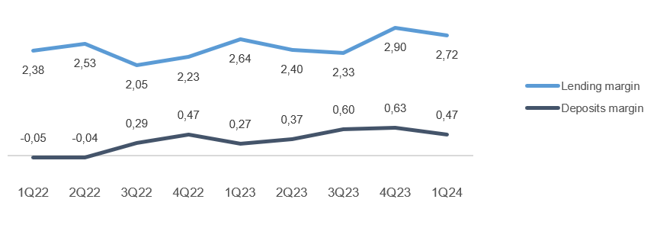
2.3 Corporate market

Business description

 | 31 Mar
Facts about the business area | 2024
Lending volume | 58,071
Deposits volume | 64,532
FTEs | 198

Financial performance

Quarterly figures [NOK million] | 1Q24 | 4Q23 | 3Q23 | 2Q23 | 1Q23 | 4Q22 | 3Q22 | 2Q22 | 1Q22

Net interest income lending | 279 | 317 | 272 | 264 | 243 | 236 | 242 | 223 | 249
Net interest income deposits | 187 | 224 | 187 | 144 | 149 | 139 | 73 | 85 | 64
Net interest income allocated capital | 104 | 118 | 79 | 76 | 82 | 83 | 45 | 48 | 17
Total interest income | 570 | 659 | 537 | 483 | 474 | 458 | 361 | 356 | 330
Net guarantee commission, incl BK, NK | 20 | 21 | 20 | 18 | 21 | 29 | 24 | 19 | 28
Net commission of savings products | 2 | 1 | 0 | 0 | 0 | 0 | 0 | 0 | 0
Net commission insurance services | 11 | 10 | 10 | 10 | 9 | 9 | 9 | 9 | 9
Net commission payment trans. services | 34 | 36 | 34 | 34 | 26 | 37 | 33 | 33 | 33
Other commision income | 6 | 6 | 8 | 9 | 7 | 8 | 6 | 2 | 3
Net fee and commission income | 73 | 73 | 73 | 70 | 63 | 83 | 72 | 62 | 72
Net profit on financial investments | -1 | 17 | 5 | -14 | 4 | 2 | 3 | 2 | 2
Total income | 642 | 749 | 614 | 540 | 541 | 544 | 436 | 420 | 404
Total operating expenses¹ | 150 | 168 | 135 | 125 | 127 | 119 | 114 | 109 | 124
Result before losses | 493 | 581 | 480 | 415 | 413 | 425 | 322 | 311 | 280
Loss on loans, guarantees etc. | 10 | -25 | 27 | 15 | -86 | -19 | 1 | -51 | 3
Result before tax | 483 | 606 | 452 | 400 | 500 | 443 | 322 | 361 | 277

 | YTD | 31 Dec | 31 Dec | 31 Dec | 31 Dec
Five years [NOK million] | 2024 | 2023 | 2022 | 2021 | 2020

Net interest income lending | 279 | 1,095 | 950 | 881 | 769
Net interest income deposits | 187 | 704 | 362 | 197 | 277
Net interest income allocated capital | 104 | 354 | 193 | 42 | 102
Total interest income | 570 | 2,153 | 1,505 | 1,120 | 1,149
Net guarantee commission, incl BK, NK | 20 | 80 | 99 | 92 | 72
Net commission of savings products | 2 | 1 | 0 | 0 | 1
Net commission insurance services | 11 | 38 | 36 | 31 | 26
Net commission payment trans. services | 34 | 129 | 135 | 121 | 101
Other commision income | 6 | 31 | 19 | 6 | 11
Net fee and commission income | 73 | 279 | 290 | 251 | 211
Net profit on financial investments | -1 | 12 | 9 | 15 | 21
Total income | 642 | 2,445 | 1,804 | 1,386 | 1,381
Total operating expenses¹ | 150 | 554 | 467 | 446 | 422
Result before losses | 493 | 1,890 | 1,337 | 940 | 959
Loss on loans, guarantees etc. | 10 | -69 | -66 | 145 | 846
Result before tax | 483 | 1,958 | 1,403 | 795 | 113

Post- tax return on equity (annualized)² | 26.3 % | 27.4 % | 20.8 % | 11.5 % | 2.1 %

¹ Includes both direct and distributed expences
² Calculation of capital employed in Retail Banking and Corporate Banking is based on regulatory capital. This capital is grossed up to 17.2 percent to be in line with the capital plan.

Margin development

Definition of margin: average customer interest rate minus 3 months nibor

Appendix
3 Appendix

A1 Business description

 | 1 | 1
SpareBank 1 SMN is the region's leading financial services group and one of six owners of the SpareBank 1 Alliance. Its head office is in Trondheim. SpareBank 1 SMN is a regional independent savings bank with a local footing. Through the SpareBank 1 Alliance and its own subsidiaries, SpareBank 1 SMN has secured access to comnpetitive products in the fields of financing, savings and investment, insurance and payment services. The bank is organised under the following structure:
Financial Group SpareBank 1 SMN

Main areas of SpareBank 1 SMN
Retail Market
______________________________________________________________________________________________________
Serves the retail market incl. agricultural customers, sole proprietorships, associations etc.
Corporate Market
_____________________________________________________________________________________________________
Serves the retail corporate clients.
Central credit function for the Group
Administration
& Support
_____________________________________________________________________________________________________

Subsidiaries |  | Other associates
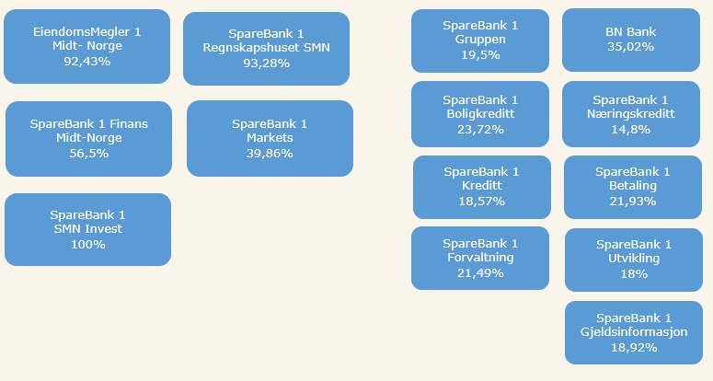

Organisation of SpareBank 1 SMN

Supervisory Board

Board of Directors

Communication and Society

Group CEO
Risk Management
Technology and Development

Retail
Banking
Corporate
Banking
EiendomsMegler 1 Midt-Norge
SpareBank 1 Regnskapshuset SMN
Group Finance and Governance

Overwiew of governing and control bodies

Supervisory Board
_____________________________________________________________________________________________________

ECC holders
40 %
Depositors
17.5 %
Country Council
17.5 %
Employes
25 %
External Audit
Election Committee
Internal Audit
Board of Directors
_____________________________________________________________________________________________________

CEO

SpareBank 1 Alliance
SpareBank 1 SMN was one of the founding partners of the SpareBank 1 Alliance in 1996. The Alliance consists of closely cooperating saving banks, all of them being independent and locally anchored banks. The purpose of the SpareBank1 Alliance is for members to develop, procure and supply competitive financial services and products and to exploit economies of scale. The Alliance canalize a lot of its mutual interests through SpareBank1 Gruppen AS, a holding company of life and non-life insurance, mutual funds, a broker-dealer and other companies. The Alliance is the 2nd largest Norwegian financial group with wide distribution all over Norway.

Members
SpareBank 1
SMN
SpareBank 1
SR-Bank
SpareBank 1
Nord-Norge
Samspar
SpareBank 1 Østlandet
LO

Products, commisions, dividends |  |  |  | Sales, loan portfolios, capital

SpareBank 1 Alliance companies

BN Bank
SpareBank 1
Boligkreditt
SpareBank 1
Gruppen AS

SpareBank 1
Kredittkort
SpareBank 1
Næringskreditt
Fremtind Forsikring
SpareBank 1
Factoring, Collection

SpareBank 1
Betaling
Sparebank 1 Forsikring
Odin Forvaltning

Banking Cooperation
_____________________________________________________________________________________________________

* LO - The Norwegian Confederation of Trade Unions

A2 20 largest ECC holders

Owner | Number | Ownership in %
Sparebankstiftinga Søre Sunnmøre | 12,971,224 |  | 8.99%
Sparebankstiftelsen SMN | 5,463,847 |  | 3.79%
KLP | 4,222,118 |  | 2.93%
Pareto Aksje Norge VPF | 3,816,663 |  | 2.65%
State Street Bank and Trust Comp | 3,089,392 |  | 2.14%
Pareto Invest Norge AS | 2,938,362 |  | 2.04%
VPF Eika Egenkapitalbevis | 2,920,422 |  | 2.03%
J. P. Morgan Chase Bank, N.A., London | 2,769,580 |  | 1.92%
The Northern Trust Comp | 2,429,700 |  | 1.68%
VPF Alfred Berg Gamba | 2,361,207 |  | 1.64%
Danske Invest Norske Aksjer Institusjon II. | 2,311,670 |  | 1.60%
VPF Holberg Norge | 2,150,000 |  | 1.49%
State Street Bank and Trust Comp | 2,122,323 |  | 1.47%
Forsvarets personellservice | 2,014,446 |  | 1.40%
J. P. Morgan SE | 1,942,630 |  | 1.35%
VPF Odin Norge | 1,866,474 |  | 1.29%
VPF Nordea Norge | 1,847,635 |  | 1.28%
RBC Investor Services Trust | 1,786,943 |  | 1.24%
Spesialfondet Borea Utbytte | 1,420,064 |  | 0.98%
MP Pensjon PK | 1,352,771 |  | 0.94%
Total 20 largest shareholders | 61,797,471 |  | 42.85%
Others | 82,418,119 |  | 57.15%
Total | 144,215,590 |  | 100.00%

A3 ECC capital history

 |  | Change in |  | Total
Year | Change | ECC capital |  | ECC capital |  | No. of ECC's
1991 | Placing |  | 525 |  | 525 | 5,250,000
1992 | Placing |  | 75 |  | 600 | 6,000,000
2000 | Employee placing |  | 5 |  | 605 | 6,053,099
2001 | Employee placing |  | 5 |  | 610 | 6,099,432
2002 | Employee placing |  | 5 |  | 614 | 6,148,060
2004 | Bonus Issue |  | 154 |  | 768 | 7,685,075
2005 | Placing |  | 217 |  | 986 | 9,859,317
2005 | Employee placing |  | 24 |  | 1,009 | 10,097,817
2005 | Split |  | - |  | 1,009 | 40,391,268
2005 | Bonus Issue |  | 253 |  | 1,262 | 50,489,085
2007 | Dividend Issue |  | 82 |  | 1,344 | 53,752,203
2007 | Employee placing |  | 5 |  | 1,349 | 53,976,003
2008 | Dividend Issue |  | 91 |  | 1,440 | 57,603,748
2008 | Employee placing |  | 6 |  | 1,447 | 57,861,806
2009 | Bonus Issue |  | 289 |  | 1,736 | 69,434,167
2010 | Placing |  | 624 |  | 2,360 | 94,397,474
2010 | Employee placing |  | 13 |  | 2,373 | 94,905,286
2011 | Issue |  | 1 |  | 2,373 | 94,930,286
2012 | Placing |  | 95 |  | 2,468 | 123,407,456
2012 | Employee placing |  | 16 |  | 2,484 | 124,218,466
2012 | Private placement |  | 112 |  | 2,597 | 129,836,443

A4 CAD - methods for calculating minimum requirements

 | Portfolio |  |  |  |  | Regulatory method

Credit risk | States - parent bank |  |  |  |  | Standardized approach
 | Institutions - parent bank |  |  |  |  | Standardized approach
 | Housing cooperatives, clubs and associations - parent bank |  |  |  |  | Standardized approach
 | Enterprises - parent bank |  |  |  |  | Advanced IRB approach
 | Mass market - parent bank |  |  |  |  | IRB - mass market (advanced)
 | SpareBank 1 Finans Midt-Norge AS |  |  |  |  | Standardized approach
 | SpareBank 1 SMN Invest |  |  |  |  | Standardized approach
 | Mass market - SpareBank 1 Boligkreditt AS |  |  |  |  | IRB - mass market (advanced)
 | Enterprises - SpareBank 1 Næringskreditt AS |  |  |  |  | Standardized approach
 | Enterprises - BN Bank AS |  |  |  |  | Advanced IRB approach
 | Mass market - BN Bank AS |  |  |  |  | IRB - mass market (advanced)
Market risk | Equity risk - parent bank |  |  |  |  | Standardized approach
 | Debt risk - parent bank |  |  |  |  | Standardized approach
 | Currency risk - parent bank |  |  |  |  | Standardized approach
 | Subsidiaries and part-owned companies |  |  |  |  | Standardized approach
Operational risk | SpareBank 1 SMN (parent bank) |  |  |  |  | Standardized approach
 | Subsidiaries and part-owned companies |  |  |  |  | Basic Indicator Approach

