Intro
Contact information
CEO Jan-Frode Janson
For further information, please contact
CFO Trond Søraas
trond.soraas@smn.no
+47 922 36 803
Address
SpareBank1 SMN Postboks 4796 Sluppen, 7467 Trondheim
Switchboard +47 915 07 300
Visiting address Søndre gate 4, 7011 Trondheim
Information on the internet
SpareBank1 SMN's homepage www.smn.no
ECC information in general www.egenkapitalbevis.no
Investor Relations
Supplementary Information

#REF!
Q3

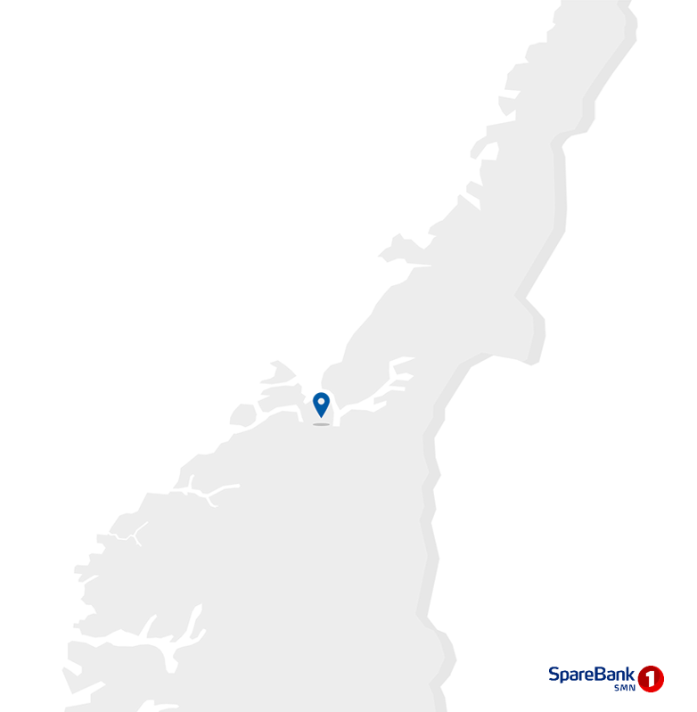

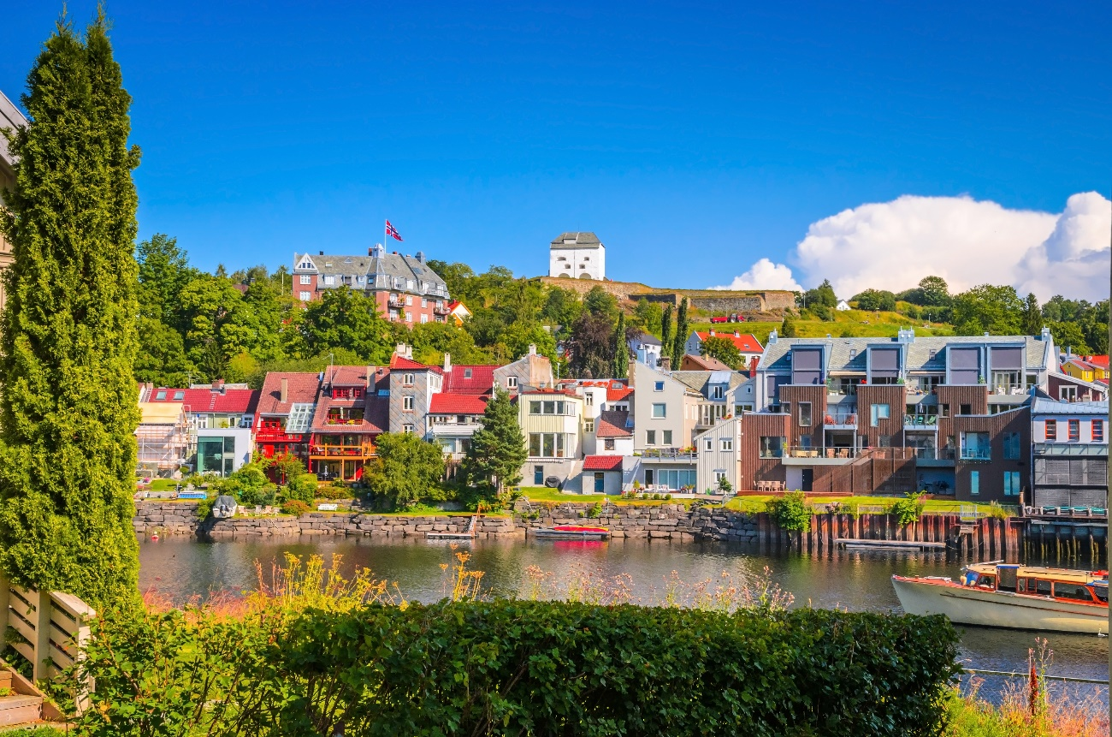

Changes
Major changes from Q2 2024

SpareBank 1 SMN has recognised a gain of NOK 452m as a result of the merger between the insurance arms of Fremtind and Eika
The transaction entailed an increase in equity capital for the SpareBank 1 Group. The majority’s (i.e. the SpareBank 1 banks’ and LO Norway’s) share of this increase was NOK 2.3bn. SpareBank 1 SMN’s share of this increase amounted to NOK 452m which was recognised in the third quarter of 2024. SpareBank 1 SMN owns 19.5 per cent of the shares of the SpareBank 1 Group, which upon completion of the transaction holds 51.44 per cent of the shares of Fremtind Holding.
Changes in organisational set-up and group management team
The group is strengthening its focus on “One SMN” and, with a view to ensuring further synergies, changes are being made to the organisational structure. After the changes the bank will have two business lines, Retail Banking and Corporate Banking, with agriculture forming part of Corporate Banking. Development efforts across the business lines are assembled in the division for “Technology and Development”. A new division with responsibility for quality and operational efficiency enhancements is also being established. The organisational changes will take effect on 1 January 2025.
Executive director of the Personal Banking Division, Nelly Maske, will leave the group management team on 1 November 2024. She will be replaced by Monica Haftorn Iversen who departs her position as director of market areas in the same division. Executive director of the Sunnmøre and Fjordane Division, Stig Brautaset, will as from year-end switch to an advisory position with the group management team.
Fleks Green Fleet 01 AS
The board of directors of Fleks AS filed for bankruptcy on 13 May 2024. SpareBank 1 SMN and other SpareBank 1 banks owned, through SpareBank 1 Mobilitet Holding, 47.2 per cent of the company. With a view to ensuring a controlled disposal of the business, SpareBank 1 Finans Midt-Norge took over Fleks Green Fleet 01 AS, which was previously a subsidiary of Fleks. In the second quarter of 2024 this company was consolidated into SpareBank 1 SMN’s group accounts based on preliminary assessments of the agreements which had been entered into between the previous owners. Over the course of the third quarter 2024 new assessments were made which concluded that consolidation of this company was not correct under the provisions of IFRS 10. As from the third quarter the company is accordingly not consolidated but treated as a company under joint ownership in accordance with the equity method. Historical figures for the second quarter of 2024 are restated.
Extension of agreement with LO Norway
SpareBank 1 SMN has extended its loyalty programme agreement for the country’s LO members. The agreement covers both mortgage loans and savings products, and is part of the loyalty programme LO Favør.

1.1_Highlights
1.1 Financial highlights

January - September 2024 |  |  |  |  |  |  | YTD | 2023

Profit before tax and inv. held for sale |  |  | 4,342 |  | NOK million |  | 2,988
Net profit |  |  | 3,540 |  | NOK million |  | 2,441
Return on equity |  |  | 17.4 |  | per cent |  | 13.0
Annual lending growth |  |  | 5.5 |  | per cent |  | 12.2
Annual deposits growth |  |  | -0.1 |  | per cent |  | 14.7
Loan losses |  |  | 146 |  | NOK million |  | -6
CET1 ratio |  |  | 18.2 |  | per cent |  | 19.7
Earnings per EC |  |  | 15.57 |  | NOK |  | 11.14

Q3 2024 |  |  |  |  |  |  | Q3 | 2023

Profit before tax and inv. held for sale |  |  | 1,693 |  | NOK million |  | 996
Net profit |  |  | 1,441 |  | NOK million |  | 740
Return on equity |  |  | 21.0 |  | per cent |  | 11.1
Loan losses |  |  | 75 |  | NOK million |  | 35
Earnings per EC |  |  | 6.42 |  | NOK |  | 3.28

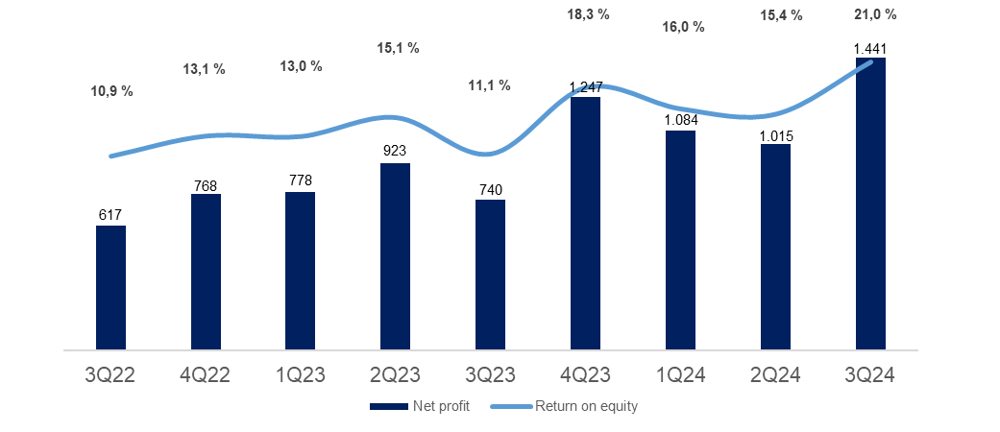

Main figures

Quarterly figures [NOK million] | 3Q24 | 2Q24 | 1Q24 | 4Q23 | 3Q23 | 2Q23 | 1Q23 | 4Q22 | 3Q22

Net interest | 1,355 | 1,310 | 1,306 | 1,312 | 1,191 | 1,094 | 1,035 | 961 | 814
Commission income and other income | 553 | 698 | 572 | 498 | 484 | 561 | 541 | 473 | 491
Net return on financial investments | 670 | 153 | 281 | 571 | 97 | 103 | 28 | 163 | 86
Total income | 2,578 | 2,161 | 2,159 | 2,382 | 1,772 | 1,757 | 1,604 | 1,597 | 1,391
Total operating expenses | 810 | 818 | 782 | 866 | 741 | 683 | 728 | 646 | 583
Result before losses | 1,769 | 1,343 | 1,377 | 1,517 | 1,032 | 1,074 | 875 | 951 | 808
Loss on loans, guarantees etc. | 75 | 47 | 24 | 20 | 35 | 29 | -71 | 19 | 22
Result before tax | 1,693 | 1,296 | 1,353 | 1,496 | 996 | 1,045 | 946 | 932 | 785
Tax charge | 252 | 276 | 273 | 262 | 278 | 159 | 206 | 210 | 179
Results investments held for sale, after tax | 0 | -5 | 3 | 12 | 22 | 37 | 38 | 46 | 10
Net profit | 1,441 | 1,015 | 1,084 | 1,247 | 740 | 923 | 778 | 768 | 617

Five years [NOK million] | YTD 24 | 2023 | 2022 | 2021 | 2020

Net interest | 4,001 | 4,732 | 3,339 | 2,805 | 2,759
Commission income and other income | 1,812 | 2,084 | 2,042 | 2,141 | 2,516
Net return on financial investments | 1,074 | 699 | 380 | 840 | 951
Total income | 6,887 | 7,515 | 5,760 | 5,786 | 6,225
Total operating expenses | 2,399 | 3,017 | 2,443 | 2,360 | 2,904
Result before losses | 4,488 | 4,498 | 3,317 | 3,426 | 3,321
Loss on loans, guarantees etc. | 146 | 14 | -7 | 161 | 951
Result before tax | 4,342 | 4,484 | 3,324 | 3,266 | 2,370
Tax charge | 801 | 904 | 718 | 563 | 400
Results investments held for sale, after tax | -2 | 108 | 179 | 200 | 9
Net profit | 3,540 | 3,688 | 2,785 | 2,902 | 1,978

Balance sheet - condensed

 | 30 Sep | 30 Jun | 31 Mar | 31 Dec | 30 Sep | 30 Jun | 31 Mar | 31 Dec | 30 Sep
Quarterly figures [NOK million] | 2024 | 2024 | 2024 | 2023 | 2023 | 2023 | 2023 | 2022 | 2022

Total assets | 245,951 | 243,363 | 235,721 | 232,717 | 243,472 | 248,806 | 228,207 | 223,312 | 218,918
Average total assets (quarterly) | 244,657 | 239,542 | 234,219 | 238,095 | 246,139 | 238,507 | 225,759 | 221,115 | 218,188

Gross loans to customers ¹ | 247,148 | 241,832 | 238,270 | 236,329 | 234,316 | 232,100 | 213,967 | 211,244 | 208,900
Deposits from customers | 138,042 | 139,661 | 134,395 | 132,889 | 138,230 | 140,164 | 123,529 | 122,010 | 120,558

Total equity capital | 29,674 | 27,879 | 27,004 | 28,597 | 27,471 | 26,975 | 24,092 | 25,009 | 23,863
¹ Loans to customers includes loans sold to SpareBank1 Boligkreditt and SpareBank1 Næringskreditt.

Five years [NOK million] | YTD 24 | 2023 | 2022 | 2021 | 2020

Total assets | 245,951 | 232,717 | 223,110 | 198,845 | 187,912
Average total assets | 239,438 | 235,303 | 213,112 | 196,229 | 183,428

Gross loans to customers ¹ | 247,148 | 236,329 | 211,244 | 195,353 | 182,801
Deposits from customers | 138,042 | 132,889 | 122,010 | 111,286 | 97,529

Total equity capital | 29,674 | 28,597 | 25,009 | 23,241 | 21,310
¹ Loans to customers includes loans sold to SpareBank1 Boligkreditt and SpareBank1 Næringskreditt.

Equity capital certificate (MING)

Quarterly figures | 3Q24 | 2Q24 | 1Q24 | 4Q23 | 3Q23 | 2Q23 | 1Q23 | 4Q22 | 3Q22

ECC price | 153.46 | 151.12 | 137.80 | 141.80 | 137.20 | 141.00 | 123.60 | 127.40 | 111.40
Number of certificates issued, millions | 144.21 | 144.19 | 144.13 | 144.20 | 143.82 | 143.80 | 129.43 | 129.29 | 129.29
Booked equity capital per ECC (incl. dividend) | 124.05 | 117.31 | 113.24 | 120.48 | 116.39 | 112.81 | 105.63 | 109.86 | 107.19
Adjusted profit per ECC | 6.42 | 4.43 | 4.68 | 5.62 | 3.28 | 4.21 | 3.51 | 3.53 | 2.89
P/E per ECC (annualised) | 5.97 | 8.53 | 7.36 | 6.31 | 10.47 | 8.38 | 8.79 | 9.02 | 9.62
P/B equity capital | 1.24 | 1.29 | 1.22 | 1.18 | 1.18 | 1.25 | 1.17 | 1.16 | 1.04

Five years | YTD 24 | 2023 | 2022 | 2021 | 2020

ECC price | 153.46 | 141.80 | 127.40 | 149.00 | 97.60
Number of certificates issued, millions | 144.21 | 144.20 | 129.29 | 129.39 | 129.39
Booked equity capital per ECC (incl. dividend) | 124.05 | 120.48 | 109.86 | 103.48 | 94.71
Adjusted profit per ECC | 15.57 | 16.88 | 12.82 | 13.31 | 8.87
P/E per ECC (annualised) | 7.28 | 8.40 | 9.94 | 11.19 | 11.01
P/B equity capital | 1.24 | 1.18 | 1.16 | 1.44 | 1.03

1.5_Other income
1.5 Other income

Commision and other income

Quarterly figures [NOK million] | 3Q24 | 2Q24 | 1Q24 | 4Q23 | 3Q23 | 2Q23 | 1Q23 | 4Q22 | 3Q22

Guarantees | 19 | 19 | 17 | 18 | 17 | 15 | 18 | 27 | 19
Commission Boligkreditt (cov. bonds) | 71 | 78 | 59 | 19 | 25 | 53 | 57 | 32 | 63
Commission Næringskreditt (cov. bonds) | 3 | 4 | 4 | 4 | 4 | 4 | 3 | 4 | 4
Commision of savings products | 16 | 15 | 15 | 12 | 11 | 13 | 11 | 12 | 11
Real estate agency | 73 | 92 | 71 | 58 | 66 | 78 | 64 | 62 | 66
Insurance | 67 | 65 | 63 | 61 | 67 | 65 | 61 | 60 | 60
Payment transfers | 138 | 132 | 123 | 138 | 126 | 117 | 112 | 128 | 128
Other | 21 | 23 | 15 | 16 | 19 | 23 | 16 | 15 | 20
Total commisions income | 407 | 426 | 367 | 325 | 336 | 367 | 341 | 340 | 370
Operating- and sales income real estate | 54 | 59 | 44 | 40 | 44 | 41 | 42 | 32 | 39
Accounting services | 145 | 228 | 200 | 152 | 138 | 182 | 188 | 127 | 115
Other operating income | 15 | 36 | 13 | 21 | 24 | 22 | 19 | 19 | 19
Total other operating income | 214 | 323 | 257 | 213 | 206 | 245 | 249 | 178 | 173
Commision expenses | 68 | 51 | 51 | 40 | 58 | 51 | 50 | 45 | 52
Total commision and other income | 553 | 698 | 572 | 498 | 484 | 561 | 541 | 473 | 491
As a percentage of total income | 21% | 32% | 26% | 21% | 27% | 32% | 34% | 30% | 35%
 | 479 | 617 | 510 | 475 | 455 | 504 | 480 | 438 | 424

Five years [NOK million] | YTD 24 | 2023 | 2022 | 2021 | 2020

Guarantees | 54 | 68 | 77 | 76 | 58
Commission Boligkreditt (cov. bonds) | 207 | 155 | 256 | 450 | 408
Commission Næringskreditt (cov. bonds) | 11 | 15 | 16 | 14 | 13
Commision of savings products | 46 | 47 | 44 | 63 | 56
Real estate agency | 237 | 265 | 267 | 291 | 251
...
Other operating income | 53 | 86 | 66 | 52 | 622
Total other operating income | 783 | 913 | 781 | 731 | 1,269
Commision expenses | 171 | 199 | 186 | 177 | 196
Total commision and other income | 1,812 | 2,084 | 2,042 | 2,141 | 2,516
As a percentage of total income | 26% | 28% | 35% | 37% | 41%

Distribution of commision income

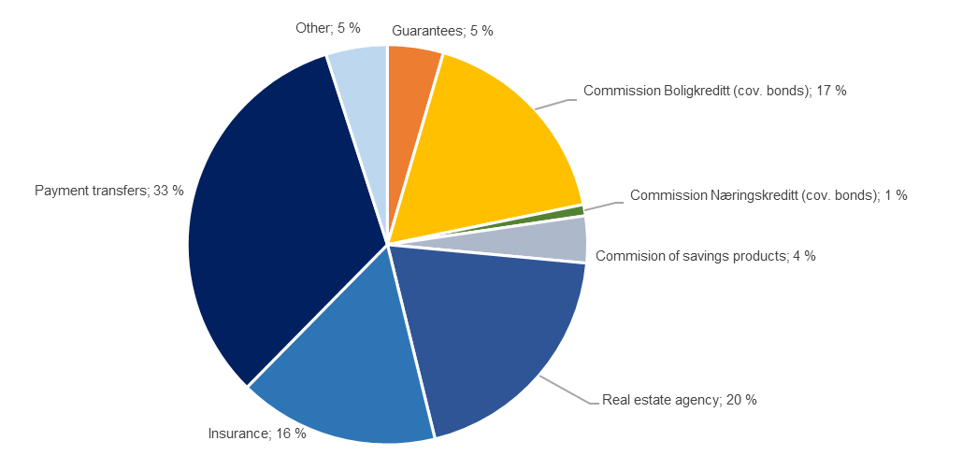

Change in commision and other income

Last 12 months [NOK million] | 3Q24 | Change | 3Q23
Commision and other income | 1,812 | 226 | 1,586
Real estate agency |  | 29
Other operating income |  | -9
...

1.7_Loans
...
Agriculture and forestry | 13,131 | 12,756 | 12,398 | 12,489 | 12,141 | 11,791 | 11,214 | 11,140 | 10,389
Gross loans in corporate market | 82,034 | 78,687 | 77,407 | 76,553 | 75,516 | 75,463 | 71,146 | 69,411 | 68,473
Retail customers | 165,114 | 163,146 | 160,863 | 159,777 | 158,800 | 156,637 | 142,822 | 141,833 | 140,426
Gross loans incl. Boligkreditt and Næringskreditt | 247,148 | 241,832 | 238,270 | 236,329 | 234,316 | 232,100 | 213,967 | 211,244 | 208,900
of which Boligkreditt | 65,983 | 66,786 | 67,249 | 64,719 | 63,616 | 63,527 | 59,054 | 56,876 | 57,051
of which Næringskreditt | 1,576 | 1,606 | 1,695 | 1,749 | 1,761 | 1,754 | 1,732 | 1,739 | 1,601
Gross loans in balance sheet | 179,590 | 173,440 | 169,326 | 169,862 | 168,940 | 166,819 | 153,181 | 152,629 | 150,247

Share of volume, corporate market | 33% | 33% | 32% | 32% | 32% | 33% | 33% | 33% | 33%
Share of volume, retail market | 67% | 67% | 68% | 68% | 68% | 67% | 67% | 67% | 67%

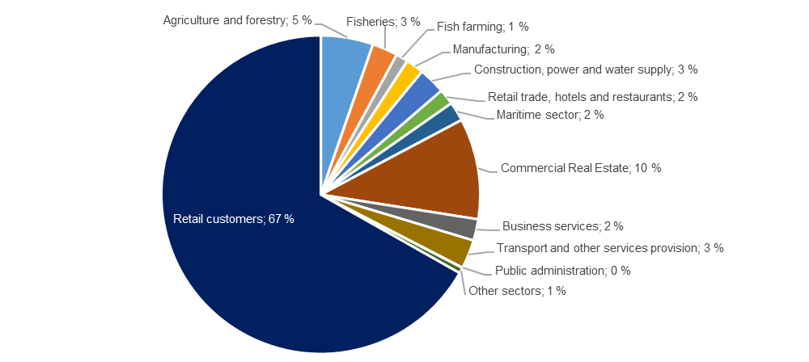
Distribution of loans by industry

Credit risk classification in SpareBank 1 SMN

 | Probability of default (%) |  | Corresponding rating class
Risk class | Low | High | Moody's

A | 0.01 | 0.10 | AAA - A3
B | 0.10 | 0.25 | Baa1 - Baa2
C | 0.25 | 0.50 | Baa3
...
A | 59.6 | 22.3 %
C | 67.4 | 25.2 %
D | 25.5 | 9.5 %
E | 14.0 | 5.2 %
F | 11.8 | 4.4 %
G | 10.3 | 3.9 %
H | 3.3 | 1.2 %
I | 2.9 | 1.1 %
J | 1.4 | 0.5 %
K | 0.8 | 0.3 %
Exposure at default, EAD, is the share of the approved credit that is expected to be drawn at the time of any future default at the same time as there is a downturn in the market.
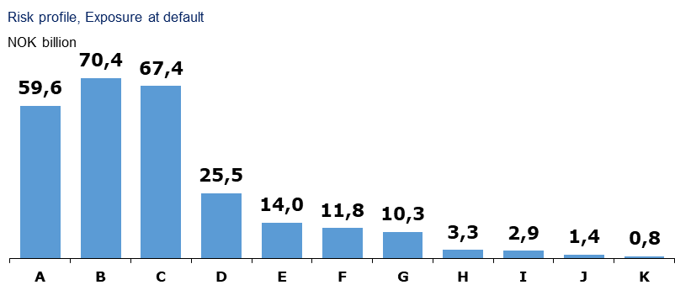

Loans and guarantees by industry

As of |  | Very low | Low | Medium | High | Very high | Default and
30 September 2024 | Total | risk | risk | risk | risk | risk | written down

A - Agriculture, fishery and forestry | 26,397 | 14,793 | 6,608 | 3,173 | 592 | 649 | 583
B - Mining and quarrying | 164 | 7 | 24 | 11 | 0 | 5 | 118
C - Manufacturing | 5,099 | 1,254 | 1,665 | 1,786 | 157 | 106 | 131
D - Electricity, gas, steam and air conditioning supply | 271 | 204 | 43 | 12 | 11 | 0 | 0
...
Retail Market | 35 | -6 | 29 | -10 | 56
Corporate Market | 89 | -66 | -66 | 145 | 846
SMN Finans and other | 22 | 86 | 30 | 26 | 49
Total loss on loans | 146 | 14 | -7 | 161 | 951

Loan-to-value ratio in the mortgage portfolio

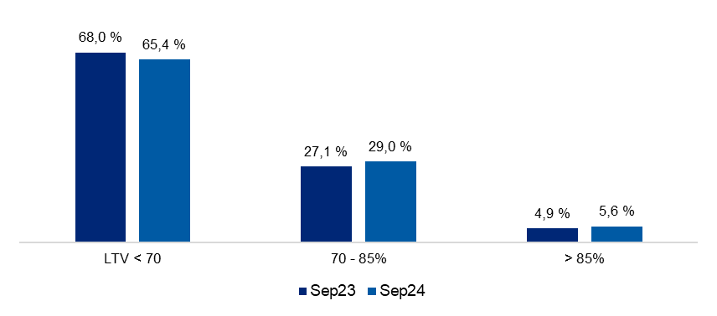

Risk weight in the mortgage portfolio

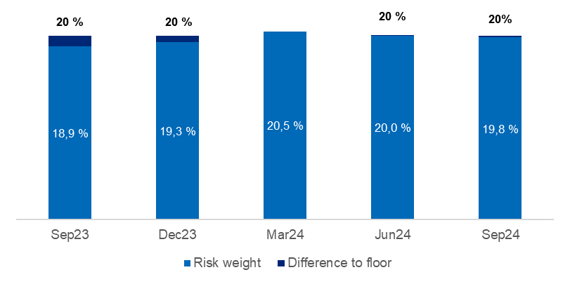

2.2_Retail
...
Post- tax return on equity (annualized)² | 18.0 % | 17.9 % | 13.6 % | 13.4 % | 13.4 %

¹ Includes both direct and distributed expences
² Calculation of capital employed in Retail Banking and Corporate Banking is based on regulatory capital. This capital is grossed up to 16.3 percent to be in line with the capital plan.

Margin development

Definition of margin: average customer interest rate minus 3 months nibor
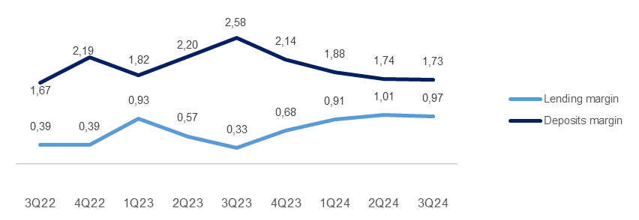

2.3_Corporate
...
Post- tax return on equity (annualized)² | 26.3 % | 27.4 % | 20.8 % | 11.5 % | 2.1 %

¹ Includes both direct and distributed expences
² Calculation of capital employed in Retail Banking and Corporate Banking is based on regulatory capital. This capital is grossed up to 16.3 percent to be in line with the capital plan.

Margin development

Definition of margin: average customer interest rate minus 3 months nibor
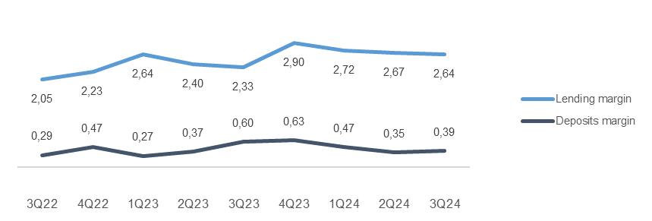

Appendix
3 Appendix

A1 Business description

 | 1 | 1
SpareBank 1 SMN is the region's leading financial services group and one of six owners of the SpareBank 1 Alliance. Its head office is in Trondheim. SpareBank 1 SMN is a regional independent savings bank with a local footing. Through the SpareBank 1 Alliance and its own subsidiaries, SpareBank 1 SMN has secured access to comnpetitive products in the fields of financing, savings and investment, insurance and payment services. The bank is organised under the following structure:
Financial Group SpareBank 1 SMN

Main areas of SpareBank 1 SMN
Retail Market
______________________________________________________________________________________________________
Serves the retail market incl. agricultural customers, sole proprietorships, associations etc.
Corporate Market
_____________________________________________________________________________________________________
Serves the retail corporate clients.
Central credit function for the Group
Administration
& Support
_____________________________________________________________________________________________________

Subsidiaries |  | Other associates
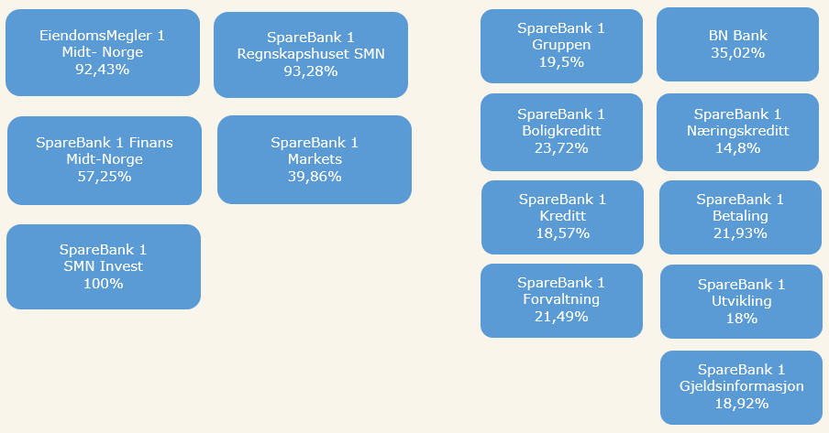

Organisation of SpareBank 1 SMN

Supervisory Board

Board of Directors

Communication and Society

Group CEO
Risk Management
Technology and Development

Retail
Banking
Corporate
Banking
EiendomsMegler 1 Midt-Norge
SpareBank 1 Regnskapshuset SMN
Group Finance and Governance

Overwiew of governing and control bodies

Supervisory Board
_____________________________________________________________________________________________________

ECC holders
40 %
Depositors
17.5 %
Country Council
17.5 %
Employes
25 %
External Audit
Election Committee
Internal Audit
Board of Directors
_____________________________________________________________________________________________________

CEO

SpareBank 1 Alliance
SpareBank 1 SMN was one of the founding partners of the SpareBank 1 Alliance in 1996. The Alliance consists of closely cooperating saving banks, all of them being independent and locally anchored banks. The purpose of the SpareBank1 Alliance is for members to develop, procure and supply competitive financial services and products and to exploit economies of scale. The Alliance canalize a lot of its mutual interests through SpareBank1 Gruppen AS, a holding company of life and non-life insurance, mutual funds, a broker-dealer and other companies. The Alliance is the 2nd largest Norwegian financial group with wide distribution all over Norway.

Members
SpareBank 1
SMN
SpareBank 1
Sør-Norge
SpareBank 1
Nord-Norge
Samspar
SpareBank 1 Østlandet
LO

Products, commisions, dividends |  |  |  | Sales, loan portfolios, capital

SpareBank 1 Alliance companies

BN Bank
SpareBank 1
Boligkreditt
SpareBank 1
Gruppen AS

SpareBank 1
Kreditt
SpareBank 1
Næringskreditt
Fremtind Forsikring
SpareBank 1
Factoring, Collection

SpareBank 1
Betaling
SpareBank 1
Forvaltning
SpareBank 1
Forsikring
Kredinor

SpareBank 1
Markets
SpareBank 1
Spleis

Banking Cooperation
_____________________________________________________________________________________________________

* LO - The Norwegian Confederation of Trade Unions

A2 20 largest ECC holders

Owner | Number | Ownership in %
Sparebankstiftinga Søre Sunnmøre | 12,971,224 |  | 8.99%
Sparebankstiftelsen SMN | 6,470,110 |  | 4.49%
KLP | 4,645,996 |  | 3.22%
Pareto Aksje Norge VPF | 4,039,303 |  | 2.80%
...

